Instructions
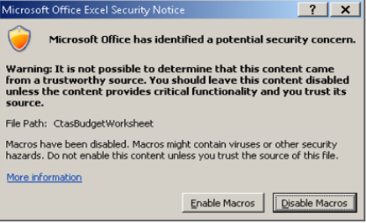
Note: This document requires macros be enabled to work properly. Please ensure that macros are enabled before entering any data. You may be able to enable macros by choosing the "Enable this content" option from the Security Warning Ribbon above. If the ribbon is not visible you may have been prompted to enable macros when you opened the document as pictured here.
 | If you elected to disable macros, please close the document and reopen it with the macros enabled.

The Budget Detail tab has a Print PDF command button at the top of the worksheet. Click this command button to generate the financial information for the Budget Detail and the Budget Summary sheet. The PDF will combine both worksheets into one document and the PDF will located on your Desktop. Due to COVID19, print out the PDF, sign and date the document, then scan and email the document, along with the full excel workbook and related invoices/proof of payment, to the assigned OGR program manager. When printing out the PDF, while in Adobe PDF, make sure to change the orientation from Portrait to Landscape. Although this will be emailed, the signature cannot be an electronic signature.

Budget Summary
Attachment B - Budget Worksheet



FY2022 Body-Worn Cameras
Name of Applicant Organization

Cost Categories | State Share | Total

Contract Costs | $- | $-

Equipment Costs | $- | $-

Supplies Costs | $- | $-

Other Costs | $- | $-

Total | $- | $-

