Revenue Sources
Sources of Revenue

Neighbors

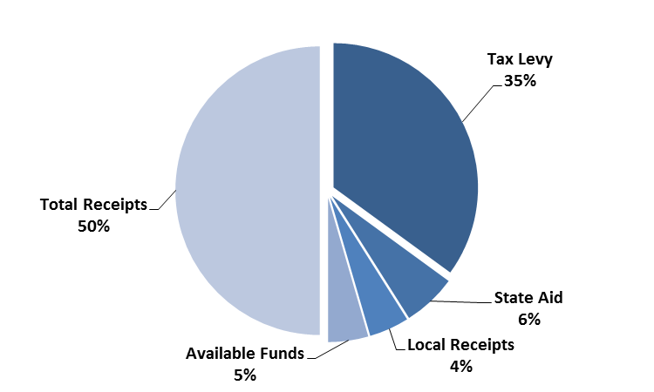
 | Revenues by % of Budget |  |  |  | Avon FY2019 Revenues
Municipality | Tax Levy | State Aid | Local Receipts | Other Available Funds
Avon | 70.06 | 12.02 | 8.93 | 8.98
Easton | 68.87 | 15.54 | 9.26 | 6.34
Halifax | 67.93 | 17.22 | 8.25 | 6.60
Hanson | 71.47 | 5.19 | 12.19 | 11.15
Holbrook | 68.16 | 19.95 | 8.79 | 3.10
Randolph | 61.35 | 24.62 | 9.76 | 4.27
Stoughton | 62.29 | 17.78 | 9.14 | 10.79
West Bridgewater | 71.77 | 16.67 | 9.04 | 2.52
Whitman | 70.43 | 7.70 | 11.55 | 10.32
Averages | 68.04 | 15.19 | 9.66 | 7.12

Peers

 | Revenues by % of Budget
Municipality | Tax Levy | State Aid | Local Receipts | Other Available Funds
Avon | 70.06 | 12.02 | 8.93 | 8.98
Ayer | 82.93 | 3.48 | 8.06 | 5.52
Boylston | 72.62 | 6.09 | 11.67 | 9.62
Deerfield | 65.00 | 12.84 | 8.91 | 13.25
Hadley | 68.48 | 13.33 | 12.37 | 5.82
Lee | 61.50 | 18.25 | 12.12 | 8.14
Mendon | 81.64 | 2.64 | 12.52 | 3.20
Plainville | 56.73 | 11.27 | 17.89 | 14.11
West Bridgewater | 71.77 | 16.67 | 9.04 | 2.52
Averages | 70.08 | 10.73 | 11.28 | 7.91

Neighbors Spending
Neighbor Communities: FY2019 Total Spending by Category
Police Per Capita
General Government Per Capita
Municipality | General Govt | Police | Fire | Education | Public Works | Human Services | Culture & Recreation | Fixed Costs | Debt Service
Avon | 1,421,417 | 2,122,381 | 1,298,339 | 8,741,430 | 2,079,587 | 305,928 | 472,526 | 4,723,442 | 1,641,576
Easton | 2,302,715 | 3,908,453 | 3,701,999 | 40,963,102 | 3,540,033 | 864,236 | 559,068 | 13,039,527 | 5,102,578
Halifax | 1,528,099 | 1,288,839 | 1,175,027 | 12,472,614 | 857,025 | 484,208 | 365,074 | 2,430,260 | 147,694
Hanson | 1,615,201 | 2,042,682 | 1,948,521 | 9,841,819 | 1,393,204 | 251,163 | 446,500 | 3,488,067 | 499,512
Holbrook | 1,536,259 | 2,519,841 | 3,069,060 | 15,860,739 | 1,663,311 | 159,140 | 420,639 | 7,711,171 | 4,544,608
Randolph | 3,309,702 | 7,445,910 | 6,151,438 | 45,610,929 | 4,666,309 | 788,798 | 1,121,481 | 15,967,487 | 2,873,332
Stoughton | 3,811,425 | 7,231,483 | 5,786,224 | 46,817,084 | 5,631,709 | 1,549,158 | 1,622,847 | 6,886,533 | 4,527,992
West Bridgewater | 1,350,475 | 2,529,169 | 2,152,013 | 12,981,997 | 1,338,375 | 455,202 | 800,660 | 5,232,888 | 2,768,029
Whitman | 2,032,925 | 3,267,473 | 3,329,222 | 14,665,880 | 2,187,342 | 516,559 | 458,377 | 3,638,191 | 959,643
Averages | 2,100,913 | 3,595,137 | 3,179,094 | 23,106,177 | 2,595,211 | 597,155 | 696,352 | 7,013,063 | 2,562,774

Per Capita Spending by Category
Fire Per Capita
Education Per Capita
Municipality | General Govt | Police | Fire | Education
Avon | 316 | 472 | 289 | 1,943
Easton | 96 | 163 | 155 | 1,713
Halifax | 195 | 165 | 150 | 1,592
Hanson | 152 | 192 | 183 | 926
Holbrook | 139 | 228 | 278 | 1,435
Randolph | 98 | 221 | 183 | 1,353
Stoughton | 134 | 254 | 204 | 1,647
West Bridgewater | 190 | 357 | 303 | 1,830
Whitman | 137 | 220 | 224 | 988
Averages | 162 | 252 | 219 | 1,492

Peers Spending
Peer Communities: FY2019 Total Spending by Category
General Government Per Capita
Police Per Capita
Municipality | General Govt | Police | Fire | Education | Public Works | Human Services | Culture & Recreation | Fixed Costs | Debt Service
Avon | 1,421,417 | 2,122,381 | 1,298,339 | 8,741,430 | 2,079,587 | 305,928 | 472,526 | 4,723,442 | 1,641,576
Ayer | 2,309,828 | 2,468,277 | 1,692,731 | 11,990,003 | 1,477,505 | 352,499 | 772,162 | 3,057,437 | 959,657
Boylston | 1,422,046 | 1,096,920 | 518,029 | 8,785,674 | 897,727 | 108,095 | 271,682 | 1,666,404 | 415,375
Deerfield | 876,923 | 920,600 | 0 | 8,541,894 | 1,071,700 | 95,487 | 239,468 | 1,456,826 | 920,147
Hadley | 932,019 | 1,080,313 | 487,947 | 7,167,488 | 1,078,330 | 212,763 | 235,883 | 2,532,684 | 955,074
Lee | 793,938 | 999,619 | 696,192 | 8,675,070 | 1,442,432 | 188,535 | 351,489 | 4,036,775 | 1,142,850
Mendon | 1,142,789 | 1,468,564 | 824,967 | 10,374,074 | 1,444,571 | 188,569 | 370,311 | 1,479,011 | 693,386
Plainville | 1,437,837 | 2,358,963 | 2,489,720 | 16,313,729 | 2,341,888 | 431,046 | 286,423 | 4,467,254 | 2,447,819
West Bridgewater | 1,350,475 | 2,529,169 | 2,152,013 | 12,981,997 | 1,338,375 | 455,202 | 800,660 | 5,232,888 | 2,768,029
Averages | 1,298,586 | 1,671,645 | 1,128,882 | 10,396,818 | 1,463,568 | 259,792 | 422,289 | 3,183,636 | 1,327,101

Fire Per Capita
Education Per Capita
Per Capita Spending by Category

Municipality | General Govt | Police | Fire | Education
Avon | 316 | 472 | 289 | 1,943
Ayer | 289 | 308 | 212 | 1,499
Boylston | 314 | 242 | 114 | 1,938
Deerfield | 175 | 184 | 0 | 1,703
Hadley | 174 | 202 | 91 | 1,339
Lee | 137 | 172 | 120 | 1,492
Mendon | 190 | 244 | 137 | 1,722
Plainville | 159 | 260 | 275 | 1,801
West Bridgewater | 190 | 357 | 303 | 1,830

