Chapter 90 Planning Checklist
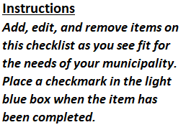
Annual Chapter 90 Checklist
 | Update inventory of pavement condition on roadways to see if any are a priority for repair - consult pavement management plan
 | Update inventory of roadway bridges based on latest inspection reports by MassDOT
 | Inspect and update inventory of culverts and locally-owned pedestrian bridges
 | Check with Police Department for reports of congestion or crashes that may require addressing
 | Meet with Local Utilities to determine major infrastructure needs
 | Check with Town Planner about economic developments or initiatives
 | Check Municipal Vulnerability and Preparedness Plan (MVP) for FEMA Vulnerability Improvements
 | Check Complete Streets Prioritization Plan to see if any upcoming projects require design or supplemental construction funding
 | Check Master Plans and Capital Improvement Plans for potential projects
 | Host a public meeting to hear community needs

Asset Condition List
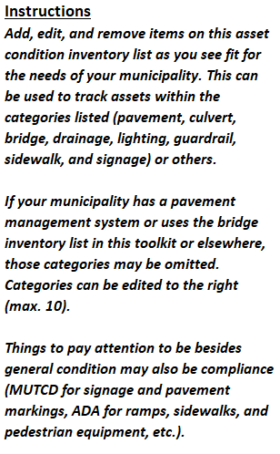
ASSET CONDITION INVENTORY LIST
Asset | Category | Location | Date Built/Installed | Date Inspected | Recent Condition | $ Value | Categories: | Roadway | Structures | Utilities | Other

Bridge Inventory List
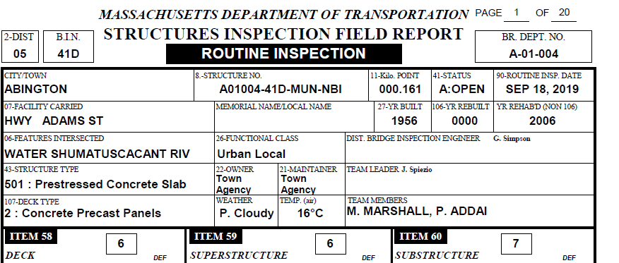
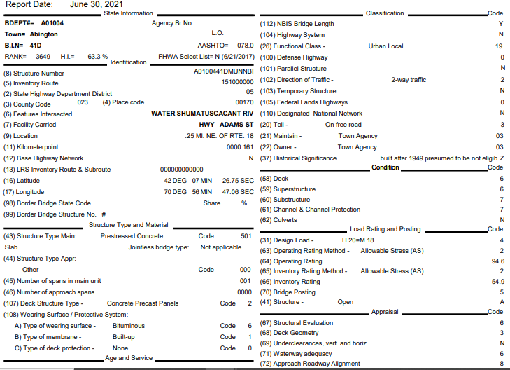
 | Bridge Inventory List |  |  |  | Municipality:
 |  |  |  |  | Last Updated: |  |  |  | Link to FHWA Bridge Coding Guide: | https://www.fhwa.dot.gov/bridge/mtguide.pdf

 | Bridge No. | BIN | Owner (22) | Maintenance Responsibility (21) | Bridge Type | Facility Carried (Street Name) (07) | Feature Intersected (Under) (06) | Facility Under | No. of Spans (45) | Structure Length (49) (ft) | Deck Width (52) | Structure Type - Material (43) | Structure Type - Design (43) | Functional Classification (26) | Structure Status (41) | Year Built (27) | Year Rebuilt (106) | Last Inspection Report Date | Deck (58) | SuperS. (59) | SubS. (60) | Comments and Concerns | Repair Priority | Estimated Costs
1
2
3
4
5
6
7
8
9
10
11
12
13
14
15
16
17
18
19
20
EX. | A-01-004 | 41D | MUN (City/Town) | 3 Town or Township Highway Agency | Roadway | HWY ADAMS ST | WATER | SHUMATUSCACANT RIV | 1 | 28.87 | 48.23 | 5 Prestressed concrete * | 01 Slab | 19 Urban Local | A Open, no restriction | 1956 | - | 2019-09-18 | 6 Satisfactory | 6 Satisfactory | 7 Good | Bridge is in satisfactory condition | 3 | -

Infrastructure Budget
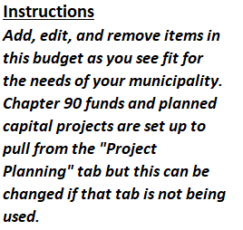
Municipal Infrastructure Budget
 | Current Fiscal Year: | 2021
Revenue - Sources of Funds | FY 2021 Budget | FY 2021 Spent | FY 2022 Proposed Budget | Change from Previous Budget
Chapter 90 |  |  |  | #VALUE!
Chapter 90 Carryover | #VALUE! |  |  | #VALUE!
Municipal Budget Allocation |  |  |  | $-
MVP Grant Program |  |  |  | $-
Small Bridge |  |  |  | $-
DER Grant |  |  |  | $-
Community Transit Grant Program |  |  |  | $-
Workforce Transportation Program |  |  |  | $-
MassWorks |  |  |  | $-
Complete Streets |  |  |  | $-
Safe Routes to Schools |  |  |  | $-
Shared Streets |  |  |  | $-
Total Revenue | #VALUE! | $- | $- | -
Expenditures - Uses of Funds | FY 2021 Budget | FY 2021 Spent | FY 2022 Proposed Budget | Change from Previous Budget
Salaries & Wages |  |  |  | $-
Consulting Services |  |  |  | $-
Equipment |  |  |  | $-
Materials & Supplies |  |  |  | $-
Expenditure Recovery |  |  |  | $-
Budgetary Reserves |  |  |  | $-
Facilities Maintenance |  |  |  | $-
Capital Renewal |  |  |  | $-
Capital Projects | $- |  | $- | $-
Total Expenditures | $- | $- | $- | -
NET CASHFLOW | #VALUE! | $- | $- | -

Project Planning
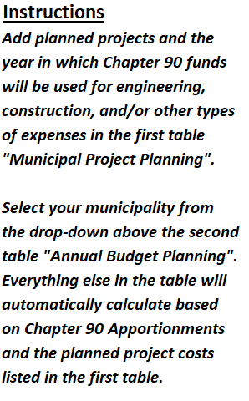
 |  |  |  |  |  | Municipality: |  | Ch. 90 Apportionment*:
Municipal Project Planning |  |  |  |  |  | Annual Budget Planning
Project | Year | Engineering | Construction | Other (Financing, Police Details, etc) | Total | Year | Ch. 90 Balance after Apportionment | Total Project Costs | Ch. 90 Balance After Costs | Other Funding Required | Carryover?
 |  |  |  |  | $0.00 | 2021 |  | $0.00 | #VALUE! | #VALUE! | #VALUE!
 |  |  |  |  | $0.00 | 2022 | #VALUE! | $0.00 | #VALUE! | #VALUE! | #VALUE!
 |  |  |  |  | $0.00 | 2023 | #VALUE! | $0.00 | #VALUE! | #VALUE! | #VALUE!
 |  |  |  |  | $0.00 | 2024 | #VALUE! | $0.00 | #VALUE! | #VALUE! | #VALUE!
 |  |  |  |  | $0.00 | 2025 | #VALUE! | $0.00 | #VALUE! | #VALUE! | #VALUE!
 |  |  |  |  | $0.00 | 2026 | #VALUE! | $0.00 | #VALUE! | #VALUE! | #VALUE!
 |  |  |  |  | $0.00 | 2027 | #VALUE! | $0.00 | #VALUE! | #VALUE! | #VALUE!
 |  |  |  |  | $0.00 | 2028 | #VALUE! | $0.00 | #VALUE! | #VALUE! | #VALUE!
 |  |  |  |  | $0.00
 |  |  |  |  | $0.00
 |  |  |  |  | $0.00
 |  |  |  |  | $0.00
 |  |  |  |  | $0.00
 |  |  |  |  | $0.00
 |  |  |  |  | $0.00
 |  |  |  |  | $0.00
 |  |  |  |  | $0.00
 |  |  |  |  | $0.00
 |  |  |  |  | $0.00
 |  |  |  |  | $0.00
 |  |  |  |  | $0.00 | * Apportionment is based on the current Fiscal Year. Please select your municipality from the drop-down and then check the Chapter 90 website to confirm that the spreadsheet is accurate.
 |  |  |  |  | $0.00
 |  |  |  |  | $0.00

Unweighted Prioritization
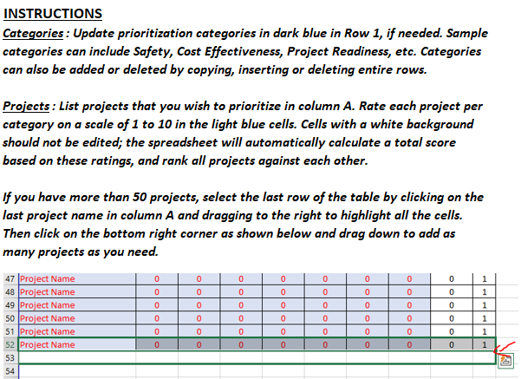
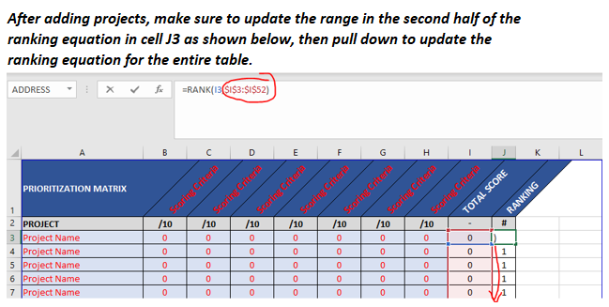
PRIORITIZATION MATRIX | Scoring Criteria | Scoring Criteria | Scoring Criteria | Scoring Criteria | Scoring Criteria | Scoring Criteria | Scoring Criteria | TOTAL SCORE | RANKING
PROJECT | /10 | /10 | /10 | /10 | /10 | /10 | /10 | - | #
Project Name | 0 | 0 | 0 | 0 | 0 | 0 | 0 | 0 | 1
Project Name | 0 | 0 | 0 | 0 | 0 | 0 | 0 | 0 | 1
Project Name | 0 | 0 | 0 | 0 | 0 | 0 | 0 | 0 | 1
Project Name | 0 | 0 | 0 | 0 | 0 | 0 | 0 | 0 | 1
Project Name | 0 | 0 | 0 | 0 | 0 | 0 | 0 | 0 | 1
Project Name | 0 | 0 | 0 | 0 | 0 | 0 | 0 | 0 | 1
Project Name | 0 | 0 | 0 | 0 | 0 | 0 | 0 | 0 | 1
Project Name | 0 | 0 | 0 | 0 | 0 | 0 | 0 | 0 | 1
Project Name | 0 | 0 | 0 | 0 | 0 | 0 | 0 | 0 | 1
Project Name | 0 | 0 | 0 | 0 | 0 | 0 | 0 | 0 | 1
Project Name | 0 | 0 | 0 | 0 | 0 | 0 | 0 | 0 | 1
Project Name | 0 | 0 | 0 | 0 | 0 | 0 | 0 | 0 | 1
Project Name | 0 | 0 | 0 | 0 | 0 | 0 | 0 | 0 | 1
Project Name | 0 | 0 | 0 | 0 | 0 | 0 | 0 | 0 | 1
Project Name | 0 | 0 | 0 | 0 | 0 | 0 | 0 | 0 | 1
Project Name | 0 | 0 | 0 | 0 | 0 | 0 | 0 | 0 | 1
Project Name | 0 | 0 | 0 | 0 | 0 | 0 | 0 | 0 | 1
Project Name | 0 | 0 | 0 | 0 | 0 | 0 | 0 | 0 | 1
Project Name | 0 | 0 | 0 | 0 | 0 | 0 | 0 | 0 | 1
Project Name | 0 | 0 | 0 | 0 | 0 | 0 | 0 | 0 | 1
Project Name | 0 | 0 | 0 | 0 | 0 | 0 | 0 | 0 | 1
Project Name | 0 | 0 | 0 | 0 | 0 | 0 | 0 | 0 | 1
Project Name | 0 | 0 | 0 | 0 | 0 | 0 | 0 | 0 | 1
Project Name | 0 | 0 | 0 | 0 | 0 | 0 | 0 | 0 | 1
Project Name | 0 | 0 | 0 | 0 | 0 | 0 | 0 | 0 | 1
Project Name | 0 | 0 | 0 | 0 | 0 | 0 | 0 | 0 | 1
Project Name | 0 | 0 | 0 | 0 | 0 | 0 | 0 | 0 | 1
Project Name | 0 | 0 | 0 | 0 | 0 | 0 | 0 | 0 | 1
Project Name | 0 | 0 | 0 | 0 | 0 | 0 | 0 | 0 | 1
Project Name | 0 | 0 | 0 | 0 | 0 | 0 | 0 | 0 | 1
Project Name | 0 | 0 | 0 | 0 | 0 | 0 | 0 | 0 | 1
Project Name | 0 | 0 | 0 | 0 | 0 | 0 | 0 | 0 | 1
Project Name | 0 | 0 | 0 | 0 | 0 | 0 | 0 | 0 | 1
Project Name | 0 | 0 | 0 | 0 | 0 | 0 | 0 | 0 | 1
Project Name | 0 | 0 | 0 | 0 | 0 | 0 | 0 | 0 | 1
Project Name | 0 | 0 | 0 | 0 | 0 | 0 | 0 | 0 | 1
Project Name | 0 | 0 | 0 | 0 | 0 | 0 | 0 | 0 | 1
Project Name | 0 | 0 | 0 | 0 | 0 | 0 | 0 | 0 | 1
Project Name | 0 | 0 | 0 | 0 | 0 | 0 | 0 | 0 | 1
Project Name | 0 | 0 | 0 | 0 | 0 | 0 | 0 | 0 | 1
Project Name | 0 | 0 | 0 | 0 | 0 | 0 | 0 | 0 | 1
Project Name | 0 | 0 | 0 | 0 | 0 | 0 | 0 | 0 | 1
Project Name | 0 | 0 | 0 | 0 | 0 | 0 | 0 | 0 | 1
Project Name | 0 | 0 | 0 | 0 | 0 | 0 | 0 | 0 | 1
Project Name | 0 | 0 | 0 | 0 | 0 | 0 | 0 | 0 | 1
Project Name | 0 | 0 | 0 | 0 | 0 | 0 | 0 | 0 | 1
Project Name | 0 | 0 | 0 | 0 | 0 | 0 | 0 | 0 | 1
Project Name | 0 | 0 | 0 | 0 | 0 | 0 | 0 | 0 | 1
Project Name | 0 | 0 | 0 | 0 | 0 | 0 | 0 | 0 | 1
Project Name | 0 | 0 | 0 | 0 | 0 | 0 | 0 | 0 | 1

Weighted Prioritization
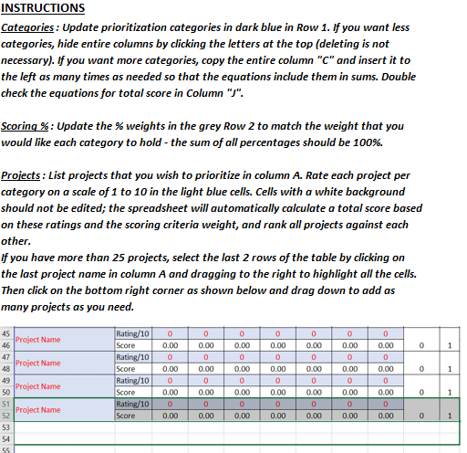
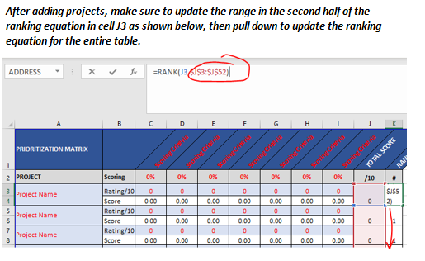
PRIORITIZATION MATRIX |  | Scoring Criteria | Scoring Criteria | Scoring Criteria | Scoring Criteria | Scoring Criteria | Scoring Criteria | Scoring Criteria | TOTAL SCORE | RANKING |  | Make sure the percent weights assigned to categories equal 100%.
PROJECT | Scoring | 0% | 0% | 0% | 0% | 0% | 0% | 0% | /10 | # | 0%
Project Name | Rating/10 | 0 | 0 | 0 | 0 | 0 | 0 | 0 | 0 | 1 | Total Wt.
 | Score | 0.00 | 0.00 | 0.00 | 0.00 | 0.00 | 0.00 | 0.00
Project Name | Rating/10 | 0 | 0 | 0 | 0 | 0 | 0 | 0 | 0 | 1
 | Score | 0.00 | 0.00 | 0.00 | 0.00 | 0.00 | 0.00 | 0.00
Project Name | Rating/10 | 0 | 0 | 0 | 0 | 0 | 0 | 0 | 0 | 1
 | Score | 0.00 | 0.00 | 0.00 | 0.00 | 0.00 | 0.00 | 0.00
Project Name | Rating/10 | 0 | 0 | 0 | 0 | 0 | 0 | 0 | 0 | 1
 | Score | 0.00 | 0.00 | 0.00 | 0.00 | 0.00 | 0.00 | 0.00
Project Name | Rating/10 | 0 | 0 | 0 | 0 | 0 | 0 | 0 | 0 | 1
 | Score | 0.00 | 0.00 | 0.00 | 0.00 | 0.00 | 0.00 | 0.00
Project Name | Rating/10 | 0 | 0 | 0 | 0 | 0 | 0 | 0 | 0 | 1
 | Score | 0.00 | 0.00 | 0.00 | 0.00 | 0.00 | 0.00 | 0.00
Project Name | Rating/10 | 0 | 0 | 0 | 0 | 0 | 0 | 0 | 0 | 1
 | Score | 0.00 | 0.00 | 0.00 | 0.00 | 0.00 | 0.00 | 0.00
Project Name | Rating/10 | 0 | 0 | 0 | 0 | 0 | 0 | 0 | 0 | 1
 | Score | 0.00 | 0.00 | 0.00 | 0.00 | 0.00 | 0.00 | 0.00
Project Name | Rating/10 | 0 | 0 | 0 | 0 | 0 | 0 | 0 | 0 | 1
 | Score | 0.00 | 0.00 | 0.00 | 0.00 | 0.00 | 0.00 | 0.00
Project Name | Rating/10 | 0 | 0 | 0 | 0 | 0 | 0 | 0 | 0 | 1
 | Score | 0.00 | 0.00 | 0.00 | 0.00 | 0.00 | 0.00 | 0.00
Project Name | Rating/10 | 0 | 0 | 0 | 0 | 0 | 0 | 0 | 0 | 1
 | Score | 0.00 | 0.00 | 0.00 | 0.00 | 0.00 | 0.00 | 0.00
Project Name | Rating/10 | 0 | 0 | 0 | 0 | 0 | 0 | 0 | 0 | 1
 | Score | 0.00 | 0.00 | 0.00 | 0.00 | 0.00 | 0.00 | 0.00
Project Name | Rating/10 | 0 | 0 | 0 | 0 | 0 | 0 | 0 | 0 | 1
 | Score | 0.00 | 0.00 | 0.00 | 0.00 | 0.00 | 0.00 | 0.00
Project Name | Rating/10 | 0 | 0 | 0 | 0 | 0 | 0 | 0 | 0 | 1
 | Score | 0.00 | 0.00 | 0.00 | 0.00 | 0.00 | 0.00 | 0.00
Project Name | Rating/10 | 0 | 0 | 0 | 0 | 0 | 0 | 0 | 0 | 1
 | Score | 0.00 | 0.00 | 0.00 | 0.00 | 0.00 | 0.00 | 0.00
Project Name | Rating/10 | 0 | 0 | 0 | 0 | 0 | 0 | 0 | 0 | 1
 | Score | 0.00 | 0.00 | 0.00 | 0.00 | 0.00 | 0.00 | 0.00
Project Name | Rating/10 | 0 | 0 | 0 | 0 | 0 | 0 | 0 | 0 | 1
 | Score | 0.00 | 0.00 | 0.00 | 0.00 | 0.00 | 0.00 | 0.00
Project Name | Rating/10 | 0 | 0 | 0 | 0 | 0 | 0 | 0 | 0 | 1
 | Score | 0.00 | 0.00 | 0.00 | 0.00 | 0.00 | 0.00 | 0.00
Project Name | Rating/10 | 0 | 0 | 0 | 0 | 0 | 0 | 0 | 0 | 1
 | Score | 0.00 | 0.00 | 0.00 | 0.00 | 0.00 | 0.00 | 0.00
Project Name | Rating/10 | 0 | 0 | 0 | 0 | 0 | 0 | 0 | 0 | 1
 | Score | 0.00 | 0.00 | 0.00 | 0.00 | 0.00 | 0.00 | 0.00
Project Name | Rating/10 | 0 | 0 | 0 | 0 | 0 | 0 | 0 | 0 | 1
 | Score | 0.00 | 0.00 | 0.00 | 0.00 | 0.00 | 0.00 | 0.00
Project Name | Rating/10 | 0 | 0 | 0 | 0 | 0 | 0 | 0 | 0 | 1
 | Score | 0.00 | 0.00 | 0.00 | 0.00 | 0.00 | 0.00 | 0.00
Project Name | Rating/10 | 0 | 0 | 0 | 0 | 0 | 0 | 0 | 0 | 1
 | Score | 0.00 | 0.00 | 0.00 | 0.00 | 0.00 | 0.00 | 0.00
Project Name | Rating/10 | 0 | 0 | 0 | 0 | 0 | 0 | 0 | 0 | 1
 | Score | 0.00 | 0.00 | 0.00 | 0.00 | 0.00 | 0.00 | 0.00
Project Name | Rating/10 | 0 | 0 | 0 | 0 | 0 | 0 | 0 | 0 | 1
 | Score | 0.00 | 0.00 | 0.00 | 0.00 | 0.00 | 0.00 | 0.00

