Review Schedule
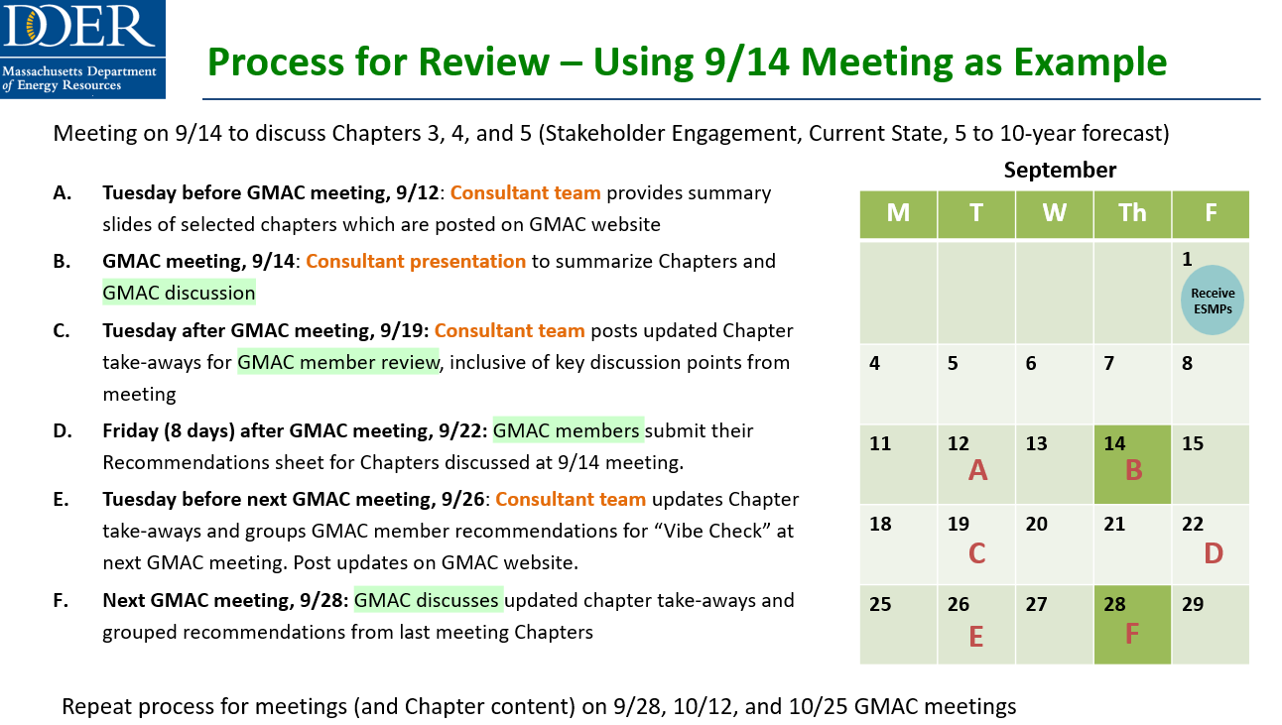
ESMP Review Schedule
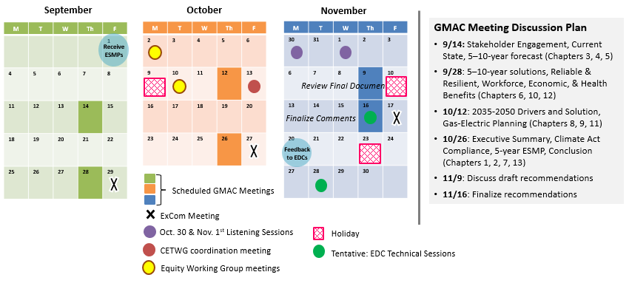

 | DEADLINES FOR FEEDBACK/RECOMMENDATIONS
 | Please email MA-GMAC@mass.gov a completed Excel sheet with recommendations pertaining to sections reviewed at each GMAC meeting. A compiled sheet will be created and maintained by the GMAC consultant.

 | Excel Due Date | ESMP Section Recommendations
 | 2023-09-22 | Stakeholder Engagement, Current State, 5–10-year forecast (Chapters 3, 4, 5)
 | 2023-10-06 | 5–10-year solutions, Reliable & Resilient, Workforce, Economic, & Health Benefits (Chapters 6, 10, 12)
 | 2023-10-20 | 2035-2050 Drivers and Solution, Gas-Electric Planning (Chapters 8, 9, 11)
 | 2023-11-03 | Executive Summary, Climate Act Compliance, 5-year ESMP, Conclusion (Chapters 1, 2, 7, 13)

