eCAS CANS v1

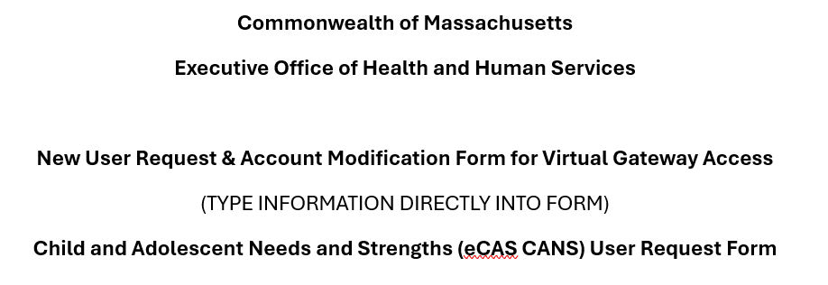

 |  |  |  |  |  |  | URF Instructions:
 |  |  |  |  |  |  | 1. All non-role fields are required.
 |  |  |  |  |  |  | 2. Fill in form, put an "X" in the column with the requested role(s).
 |  |  |  |  |  |  | 3. Save document as YourOrganizationName_MMDDYY.
 |  |  |  |  |  |  | 4. Email completed form to: | VirtualGatewayHelpDeskFaxes@massmail.state.ma.us

 |  |  |  |  |  |  | Questions? Call the EOHHS Virtual Gateway Customer Service
 |  |  |  |  |  |  | PHONE 800-421-0938 | TTY 617-847-6578
Name Change | First | Last
Old
New
 |  |  |  |  | Non-Government Roles |  |  |  |  | G Roles |  | Check One
* First Name | * Last Name | * 4-Digit PIN (Personal Identification Number) | * MMDD of Birth (MM/DD format) | * Work E-mail Address | ** CANS_Certified_Assessor (needs certification training for role) | ** CANS_Data_Entry_Operator | ** CANS_Supervisor | ** CANS_Organization_Admin | ** CANS_Managed_Care_Entity | CANS Analyst | CANS_Operations_Administrator | New User | Modify Existing User | Deactivate Existing User from CANS | Deactivate Existing User from the Virtual Gateway | Name Change Request

* Select a 4 digit Personal Identification Number (PIN). The user may be asked to provide this number to identify himself/herself when calling Virtual Gateway Customer Service. It must be 4 numbers (0-9) and be something that can be remembered, but not easily guessed. 1234 and 0000 may not be used. * Email must be unique per account.
** CANS provider roles: - CANS Certified Assessor role should be selected if the user has completed their Certification training and have been issued a Certification Key. This role is typcially issued to clinical staff. - CANS Data Entry Operator role should be selected if user is entering the CANS Assessment on behalf of the Certified Assessor. This role is typcially issued to staff who function in a clerical role. - CANS Supervisor role should be selected if the the user typcially functions in an managerial role for the DEO personnel. - CANS Organization role should be selected if the the user typcially functions in an Administrative role for the organization. - CANS Managed Care Entity role should be selected if the the user [What to Add Here]
The Access Administrator acknowledges that it is a member of the Entity’s staff under the direct control of the Entity. The Access Administrator shall be responsible for communicating to the Virtual Gateway the identity of the individual end users (including employees, contractors, agents, and Business Associates) authorized to access the Virtual Gateway on Entity’s behalf (each, “End User” and collectively, the “End Users”). The Access Administrator, on behalf of the Entity, shall: (1) provide EOHHS with such information as it may require for each End User; (2) ensure that all information submitted to EOHHS about each End User is current, accurate, and complete; (3) notify EOHHS promptly of any End User whose access rights must be terminated (for example, when an End User leaves the employment of the Entity); and (4) take such actions as EOHHS may direct or require to ensure the security of the EOHHS Virtual Gateway. Upon the submission by the Access Administrator of End User information required by this Agreement and any exhibits or amendments thereto for the purposes of access to the Virtual Gateway, and the certification of such information, the Access Administrator acknowledges it has read and accepts the terms of the EOHHS VIRTUAL GATEWAY SERVICES AGREEMENT by and between the Executive Office of Health and Human Services of the Commonwealth of Massachusetts (“EOHHS”) and the Entity (the “Agreement”).

Access Administrator Name |  |  |  |  |  |  |  |  | Organization Full Name
Access Administrator Email Address |  |  |  |  |  |  |  |  | Organization ID Number
Access Administrator Telephone |  |  |  |  |  |  |  |  | Date

