Intro
NOTE: Please refrain from including any personal or identifying details, such as names, phone numbers, addresses, etc., related to individuals in these deliverables.

 | Engagement Plan

 | Introduction | Context for Equitable Engagement
 | The Engagement Plan is a tool for designing more inclusive and equitable community outreach and engagement. In the MVP 2.0 process, you will engage with community members to: | Climate change impacts do not affect all people and communities the same. Safe and secure housing, job opportunities, social connections, access to reliable internet, affordable food, and transportation options all help to buffer the impacts of climate change and make it easier to cope or adapt. Who has and doesn’t have access to these resources, as well as who faces greater exposure to climate hazards, is shaped by existing inequities, including systemic racism, accessibility barriers, political marginalization, and disinvestment. Unless climate solutions directly address these root causes of vulnerability, climate hazards will continue to reinforce existing inequities and cause disproportionate burdens. Key to closing these equity gaps is ensuring that the people and communities experiencing the greatest climate risks inform, guide, and define climate resilience solutions that meet the specific needs of their communities. This requires building and sustaining strong community partnerships and relationships with community members and explicitly allocating resources to processes that are inclusive, culturally appropriate, and responsive to the specific needs of different community groups. Equity-centered engagement promotes shifts in governance and allows community members to use local knowledge, expertise, and lived expertise to co-lead community driven resilience planning with municipalities. Check out the Foundations and Principles for Inclusive Engagement (link below) for guidance on planning and implementing equity-centered processes and engagement.
 | 1. Learn about what contributes to social vulnerability and resilience (step 5); 2. Get feedback on your community’s updated resilience priorities (step 6); 3. Get feedback on potential Seed Project ideas (step 7); and 4. In the implementation of your Seed Project (step 9).
 | While you are only asked to submit your Engagement Plan with step 5, this tool can help you plan out your outreach and engagement for all those steps.

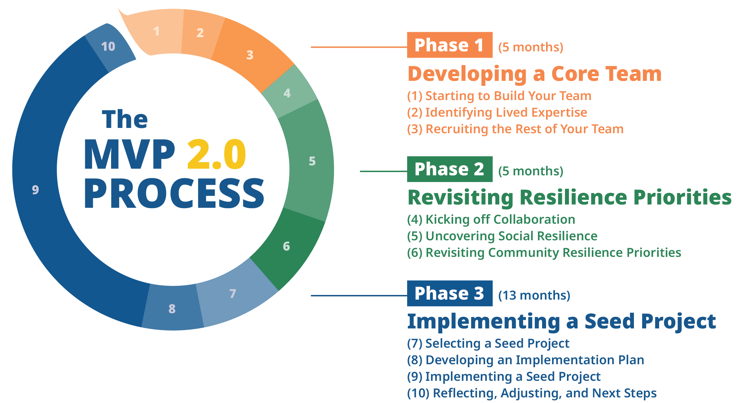

 |  | Foundations and Principles for Inclusive Engagement

 | You may also find that it’s useful to use this tool for other initiatives in your community outside the scope of MVP 2.0, for example for future MVP Action Grant applications or other funding opportunities.

1. Goals
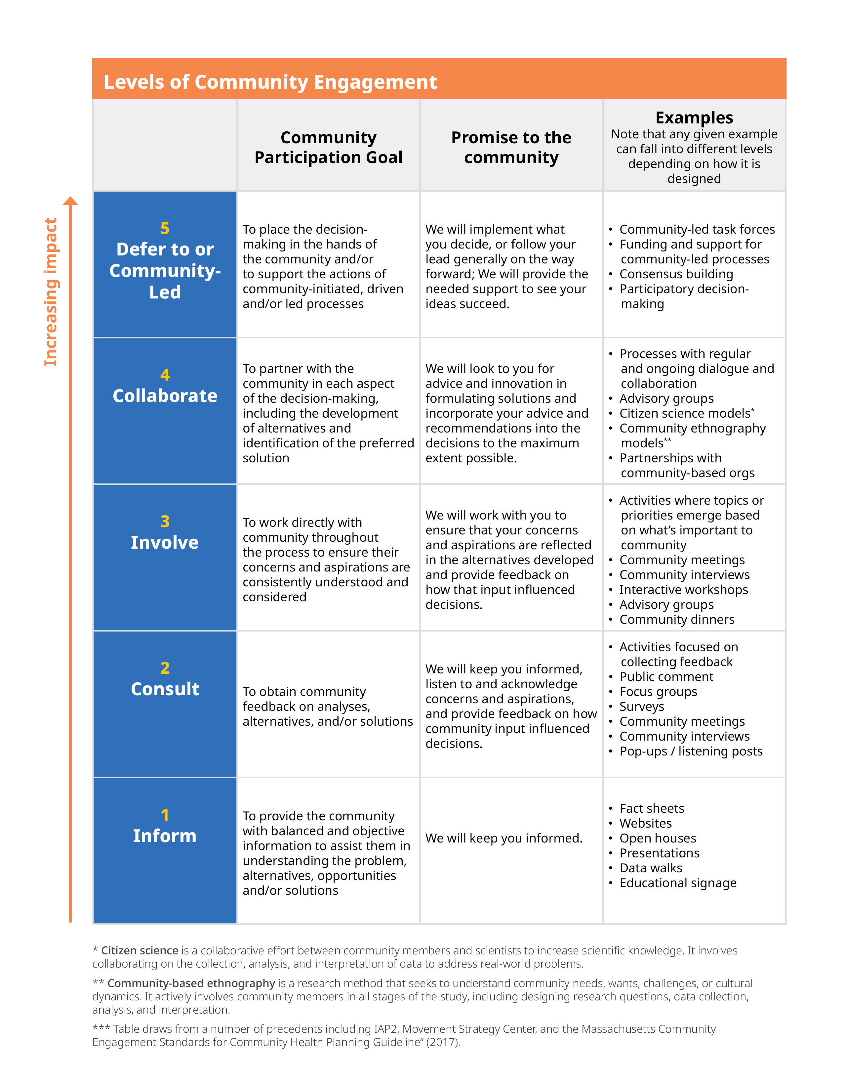
NOTE: Please refrain from including any personal or identifying details, such as names, phone numbers, addresses, etc., related to individuals in these deliverables.
 | STEP 1. Goals

 | 1A What are your goals for engaging or collaborating with community members at this point in time? Consider:
 | • What do you hope to learn? • What information do you hope to share? • What relationships do you hope will develop or strengthen through this process? • What might be community members’ goals for participating in this process? (Is there a way to ask that as part of your outreach?)

 | 1B How will engaging or collaborating with community members at this point shape the process or project decisions moving forward?

 | 1C Consider the Levels of Community Engagement table to the right (or click the image to download). The five categories show different levels of community involvement in decision-making. As you move up the table, the community plays a larger role in decision-making and the opportunity for the process to better address the root causes of vulnerability and support equitable outcomes increases. While there can be a time and place for all these levels of engagement, the MVP Program encourages moving as close to a level 5 as possible. Based on your goals for community engagement, which level in the table are you focused on? What engagement approaches might work well for that level of engagement?

 | 1D What would need to be different to move further up the table? How might that change the process, potential outcomes, or relationships with community members? Is there an opportunity to build that in?

