Welcome


Welcome to your Modern Workplace Self-Learning Plan for Excel

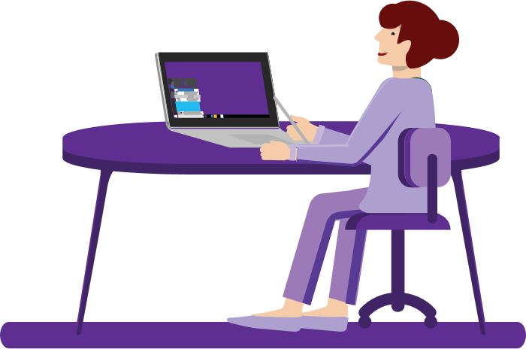
In this guide, you will find:
Tab 2 | A guide for Excel
 | A self-paced guide that provides short learning articles and videos. The plan also provides maps recommended courses to business case scenarios.

Tab 3. | Scenarios
 | The four scenarios depict common work use cases and show the tools in action.

Excel
Commonweath of Massachusetts
Self-Learning Plan for Excel
Learning content is organized by Level and provides short lessons (videos or articles) for each. The estimated time to complete each segment is also provided with most segments being five minutes or less. The right side of the sheet lists usage scenarios, and shows the segments that are recommended for each.

 |  |  |  |  | Scenarios
ID | Level | Description | Link | Estimated Time to Complete (avg. minutes unless otherwise indicated) | Scenario - Work from Anywhere | Scenario - Content Collaboration | Effective Meetings | Scenario - Manage Myself
Exc1 | Beginner | Get Started with Excel | Microsoft Site | 2.00 | ● | ● | ● | ●
Exc2 |  | Move or Copy Worksheets | Microsoft Site | 2.00 |  |  |  | ●
Exc3 |  | Print Your Work | Microsoft Site | 2.00 |  | ● |  | ●
Exc4 |  | Use Excel as a Calculator | Microsoft Site | 8.00 |  |  |  | ●
Exc5 |  | Save Excel Workbook to OneDrive | Microsoft Site | 1.00 | ● |  |  | ●
Exc6 |  | "Fill in" the Rest of a Row/Column Quickly | Microsoft Site | 3.00 |  |  |  | ●
Exc7 |  | Freeze Panes to Keep Certain Rows/Columns in One Place | Microsoft Site | 3.00 |  |  |  | ●
Exc8 |  | Hide and Unhide Rows or Columns | Microsoft Site | 3.00 |  |  |  | ●
Exc9 |  | Filter Cells in a Column and Remove Duplicates | Microsoft Site | 5.00 |  |  |  | ●
Exc10 |  | Quickly Fill in a Series of Dates | Microsoft Site | 5.00 |  |  |  | ●
Exc11 |  | Change Column Width or Row Height | Microsoft Site | 2.00 |  |  |  | ●
Exc12 |  | Quickly Find and Replace Text/Numbers in an Entire Worksheet/Workbook | Microsoft Site | 5.00 |  |  |  | ●
Exc13 |  | Share Your Excel Workbook with Others | Microsoft Site | 2.00 | ● | ●
Exc14 |  | Co-author in Real Time | Microsoft Site | 10.00 |  | ●
Exc15 |  | Create a PDF from Your Workbook | Microsoft Site | 5.00 |  | ● |  | ●
Exc16 | Intermediate | Create a Chart in Excel | Microsoft Site | 3.00 |  |  |  | ●
Exc17 |  | Create and format a Table | Microsoft Site | 1.00 |  |  |  | ●
Exc18 |  | Format a Cell | Microsoft Site | 1.50 |  |  |  | ●
Exc19 |  | Align or Rotate Text | Microsoft Site | 2.00 |  |  |  | ●
Exc20 |  | Add a Watermark to a Cell | Microsoft Site | 2.00 |  |  |  | ●
Exc21 |  | Learn About Formulas in Excel | Microsoft Site | 2.00 |  |  |  | ●
Exc22 |  | Quickly Highlight Cells Based on Criteria (i.e. "Good", "Bad", "Neutral") | Microsoft Site | 15.00 |  |  |  | ●
Exc23 |  | Combine Text From Multiple Columns Into One Cell (Merge Cells) | Microsoft Site | 2.00 |  |  |  | ●
Exc24 |  | Quickly Find the Total of a Column, Row or Table | Microsoft Site | 2.00 |  |  |  | ●
Exc25 |  | Leave Comments for Others and Delete Existing Comments | Microsoft Site | 5.00 |  | ●
Exc26 |  | Tag someone for feedback | Microsoft Site | 3.00 |  | ●
Exc27 |  | View Previous Versions of a Document | Microsoft Site | 0.50 |  |  |  | ●
Exc28 |  | Lock Parts of a Worksheet (certain cells) | Microsoft Site | 15.00 |  | ●
Exc29 |  | Protect an Excel File So Others Cannot Access It | Microsoft Site | 3.00 |  | ●
Exc30 | Advanced | Split Text (i.e. Last Name, First Name) into Two Separate Columns | Microsoft Site | 5.00 |  |  |  | ●
Exc31 |  | Create a Custom Number Format | Microsoft Site | 2.00 |  |  |  | ●
Exc32 |  | Calculate How Many Days, Months, Years, etc. are Between Two Dates | Microsoft Site | 10.00 |  |  |  | ●
Exc33 |  | Create a PivotTable in Excel | Microsoft Site | 5.00 |  |  |  | ●
Exc34 |  | Set Conditions with IF Statements (IFS fuction) | Microsoft Site | 2.00 |  |  |  | ●
Exc35 |  | Automatically Look Up Values in Other Cells with VLOOKUP, INDEX, or MATCH | Microsoft Site | 20.00 |  |  |  | ●
Exc36 |  | Use Data Validation to Make Dropdown Lists or Set Rules on What Data Can Be Entered | Microsoft Site | 5.00 |  | ● |  | ●
Exc37 |  | Learn About Macros in Excel | Microsoft Site | 2.00 |  |  |  | ●
Exc38 |  | Run and Edit Macros | Microsoft Site | 15.00 |  |  |  | ●
 |  | TOTAL ESTIMATED TIME |  | 180.00

Scenarios
Commonwealth of Massachusetts
Usage Scenarios
The following scenarios provide a step-by-step story of a sample use case. New skills are shown in red and underlined in each step.
*Tip: If you cannot hover over and click the gray box to open the link, try righ-clicking it and then click "open link" from the dropdown menu.
Effective Meetings Scenario
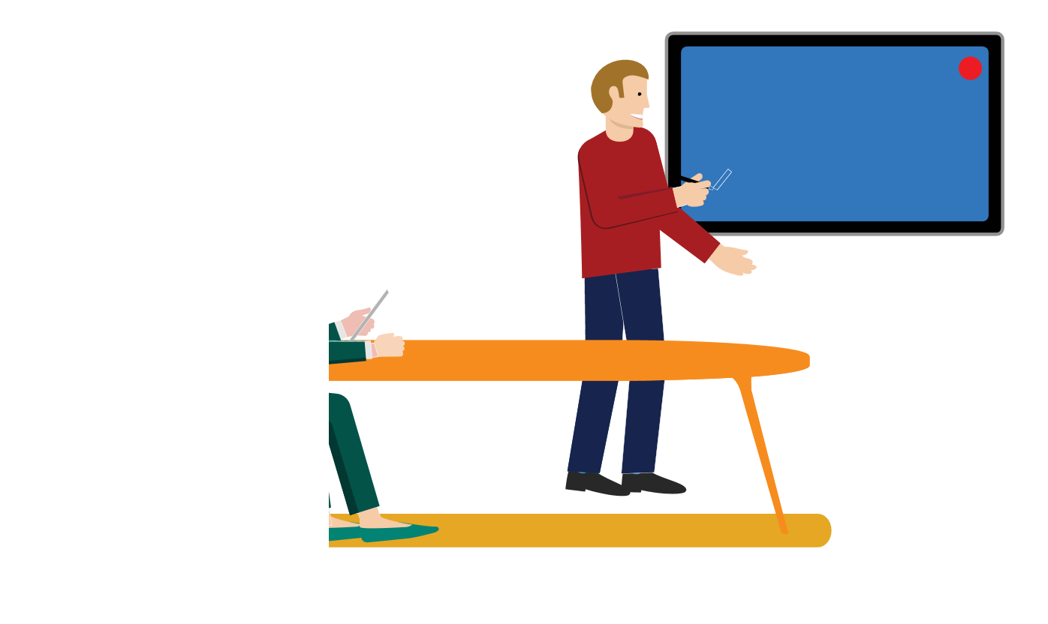


1
2
3
4
5
6
7
8

David wants to run a proposal by Sally, Sophie, Ethan, Lisa, and Ricardo. David sets up a meeting in Outlook, using Scheduling Assistant to select a time slot where everyone is free.
David sends out an Outlook meeting invite with a link to the proposal on their Teams site. He puts a link to the Teams meeting in the invitation so those who can’t attend in person can join remotely.
David uses the Outlook “tracking” feature to keep track of who can attend. The invitees can add notes to their responses to let David know if they’ll be attending in person or remotely, via Teams.
Lisa accesses David’s link to the proposal on the team SharePoint site and makes some edits the day before the meeting. Everyone can view these edits either in SharePoint, Teams, or OneDrive.
When it’s time for the meeting, David, Sally, and Ethan assemble in the meeting room. Lisa is working from home and joins the meeting from her laptop. Ricardo is driving in a rural area, and does not have access to the internet, so he dials in and joins from his phone.
5
Sophie is out sick and is unable to join, so David begins a recording of the meeting for reference.
6
7
David shares his desktop, collaborates live, while Sally tracks action items in a OneNote on their Teams site.
8
The meeting ends early! David thanks everyone and hits “end”. Teams automatically recognizes that the meeting is over and uploads the recording to their shared meeting chat. David reminds everyone that they can find the OneNote with next steps and the finalized proposal in their Teams site.

Content Collaboration Scenario




1
2
3
4
5
6
7
8
5
6
7
8
Lisa, Lars, and Tomas need to create a branding plan and schedule for the new year. Lisa creates a document using the saved scheduling template she found in their shared Teams site for everyone to use.
Lisa saves the document to her own OneDrive and shares the protected link with Lars and Tomas via a group chat on Teams that all three of them are in.
Lisa, Lars, and Tomas all make their edits in real time. Lars is unsure about a line in the document and leaves a comment directly on the line in question so that Lisa and Tomas do not have to go searching for it. Tomas and Lisa reply to the comment with their input directly under Lars’s original comment.
Tomas wants to get Lisa and Lars’s opinion on some content that he wants to add in. He notices both of their statuses appear as “available” on Teams and sends them a chat regarding his question in their Teams group chat.
They decide to have a quick, impromptu screen-share working session, adding revisions as necessary. Lisa needs to step away from the session to attend another meeting but receives an alert of their changes since she’s subscribed to updates.
The changes Tomas and Lars made are highlighted for Lisa. She leaves a comment saying she agrees with their edits and marks the comment chain as “resolved.”
As the team continues to make edits remotely throughout the week, their colleague’s edits are tracked, so there’s no need to email the document back and forth with updates on new changes.
The team finishes the plan ahead of schedule. Lisa had already saved the document to their joint Teams site so that any updates that were made will show up there, and the extended team may have access to the latest version to give their final approval.

Managing Myself Scenario




x
x

1
2
3
4
5
6
7
8

Katarina is responsible for creating PowerPoint slides by Friday. Katarina sets a reminder in Outlook to send her slides on Thursday and adds it to her task list in OneNote.
Katarina has store visits scheduled every Tuesday and Thursday afternoon. She creates a recurring event in her calendar reminding her an hour before each visit.
Since Katarina’s calendar is shared with her team, the event also signals to her team that she is unavailable during this time.
Katarina wants to focus on building her slides. She sets her Teams status to “Do Not Disturb” and turns on “Focus Assist” in the Windows 10 Action Center. This way, she won’t receive any sort of notifications while she works.
Katarina wants to reach out to Stefan with a quick question on her slides. She sees that Stefan is “Available” on Teams, so changes her Teams status to “Available” as well and sends him a chat message.
5
Stefan advises Katarina to update her slides with information from the stakeholder meeting last week. Katarina goes into the OneNote she shares with Stefan and her team, finds the tab of notes they collaborated on during that meeting, and adds relevant information to her slides.
6
7
Katarina sees the Outlook reminder to send her slides on Thursday. She quickly reviews them once last time and then sends the link to the PowerPoint deck to the project manager using Teams chat.
8
Katarina gets great and timely feedback on her slides, as well as kudos for turning them in early. She checks this item off her task list (video) in OneNote and moves on to the rest of her work, feeling accomplished.

Work From Anywhere Scenario

1
2
3
4
5
6
7
8
5
6
7
8
As Ricardo is heading to the field to do inspections, he gets an Outlook notification on his phone that his team has a meeting in 5 minutes. He joins the meeting on his phone as he commutes via train.
Ricardo arrives and pulls out his mobile device, opening the OneNote he created on his computer a few days earlier.
Ricardo greets his other colleagues and begins inspections, taking notes in his OneNote on his mobile device.
Ricardo wants to add some pictures the site to his OneNote. He uses Office Lens to snap a few shots that are automatically saved to his OneDrive.
As Ricardo grabs lunch, he gets a Teams chat message on his phone from his colleague Quinn who is back at the office.
Quinn says she needs Ricardo’s input on a proposal she’s putting together. Ricardo connects with her on Teams from his phone for an impromptu meeting (video).
Quinn shares her laptop screen with Ricardo who is able to view it on his mobile device. They are able to quickly collaborate in real time to finalize the proposal. Ricardo provides his input as Quinn makes edits on the screen.
It is nearly the end of the workday and Ricardo needs to log his findings in the field inspection report. Rather than commute back to the office, Ricardo commutes home and pulls up the report on his personal desktop computer, through OneDrive, and finishes his work for the day in his home office.

