Regional Dashboard
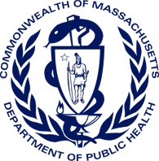
Bureau of Substance Addition Services
Licensed Treatment Program Dashboard
As of January 1, 2023

Total Licensed Programs by Region
 | Total
Boston | 78
Central | 88
Metro West | 96
Northeast | 71
Southeast | 92
Western | 98
Total Licensed Programs: | 523

Total Licensed Program Beds by Region
 | Total
Boston | 981
Central | 1073
Metro West | 1023
Northeast | 886
Southeast | 1066
Western | 1183
Total Licensed Beds: | 6,212

