Regional Dashboard
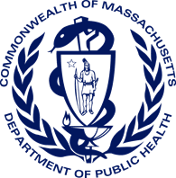
Bureau of Substance Addition Services
Licensed Treatment Program Dashboard
As of March 1, 2023

Total Number of Licensed Programs
 | Total
Boston | 78
Central | 88
Metro West | 93
Northeast | 72
Southeast | 88
Western | 96
Total Licensed Programs: | 515

Total Licensed Beds: | 6,239
Total Number of Licensed Beds
 | Total
Boston | 16
Metro West | 110
Western | 30

