Dashboard
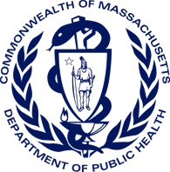
Bureau of Substance Addiction Services
Licensed Treatment Program Dashboard
As of March 1, 2024

Total Licensed Programs by Region
 | Total
Boston | 79
Central | 80
Metro West | 96
Northeast | 78
Southeast | 96
Western | 89
Total Licensed Programs: | 517

Total Licensed Beds: | 6,690

Total Licensed Beds by Region
 | Total
Boston | 1058
Central | 1093
Metro West | 1150
Northeast | 869
Southeast | 1400
Western | 1120

