Enrollment Graphic
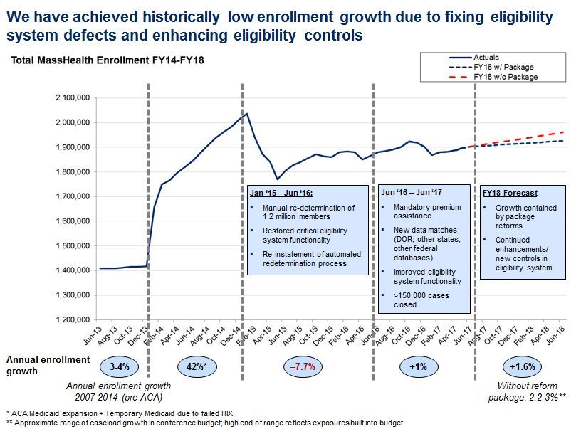

Notes:
1. Graphic represents enrollment in Member Months.
2. Member Month tallies for this graphic are as of June 2017, and may vary from future MassHealth Enrollment Snapshot reports due to retroactive eligibility.

