MAIN
 |  | Orthotics and Prosthetics Payment and Coverage Guidelines Tool V.20

Click HERE to access Updates, Regulations, Provider Library plus many other links
Updated 4.1.24 Program | Service Code Current |  |  | C.H.I.A (DHCFP) (Link) | AAC+ INFORMATION |  |  | Modifier | PA Required | POS Required | Description | Interpretive Description | Requirements & Limits
 |  |  |  |  | AAC |  | AAC | ( Link ) | ( Link ) | ( Link )
(Link) |  |  |  |  | COST | UNITS | Markup

ORT | A5500 | DIABETIC | Required Shoe Form Click Here |  |  |  |  | RT LT | Sometimes | 12 31 32 33 | For diabetics only, fitting (including follow-up), custom preparation and supply of off-the -shelf depth-inlay shoe manufactured to accommodate multi-density insert(s), per shoe. |  | 1 unit = each shoe, 2 units per year ( 1 pair per year)
ORT | A5501 | DIABETIC | Required Shoe Form Click Here |  |  |  |  | RT LT | Sometimes | 12 31 32 33 | For diabetics only, fitting (including follow-up), custom preparation and supply of shoe molded from cast(s) of patient's foot ( custom molded shoe), per shoe. | A molded shoe, custom fabricated from a model of the patient. Different types and densities of inserts can be fabricated when the shoe is made for specific conditions. Includes casting and cast preparation. | 1 unit = each shoe, 2 units per year ( 1 pair per year).
ORT | A5503 | DIABETIC | Required Shoe Form Click Here |  |  |  |  | RT LT | Sometimes | 12 31 32 33 | For diabetics only, modification (including fitting) of off-the-shelf depth-inlay shoe or custom-molded shoe with roller or rigid rocker bottom, per shoe. | A rigid rocker bottom attached to the entire outer surface of the sole and heel of the shoe. Eliminates motion within the foot and limits ankle motion while allowing the patient a near normal gait pattern. | 1 unit = each shoe, 2 units per year ( 1 pair per year).
ORT | A5504 | DIABETIC | Required Shoe Form Click Here |  |  |  |  | RT LT | Sometimes | 12 31 32 33 | For diabetics only, modification (including fitting) of off-the-shelf depth-inlay shoe or custom-molded shoe with wedge(s), per shoe. | A modification of a depth inlay or custom molded shoe that is a medial or lateral wedge added to or built into the shoe. | 1 unit = each shoe, 2 units per year ( 1 pair per year).
ORT | A5505 | DIABETIC | Required Shoe Form Click Here |  |  |  |  | RT LT | Sometimes | 12 31 32 33 | For diabetics only, modification (including fitting) of off-the-shelf depth-inlay shoe or custom-molded shoe with metatarsal bar, per shoe. | A modification of a depth inlay or custom molded shoe that is a metatarsal bar added to or built into the shoe. | 1 unit = each shoe, 2 units per year ( 1 pair per year).
ORT | A5506 | DIABETIC | Required Shoe Form Click Here |  |  |  |  | RT LT | Sometimes | 12 31 32 33 | For diabetics only, modification (including fitting) of off-the-shelf depth-inlay shoe or custom-molded shoe with off-set heel(s), per shoe. | A modification of a depth inlay or custom molded shoe that is an off-set heel added to or built into the shoe that adds stability to the shoe. | 1 unit = each shoe, 2 units per year ( 1 pair per year).
ORT | A5507 | DIABETIC | Required Shoe Form Click Here |  |  |  |  | RT LT | Sometimes | 12 31 32 33 | For diabetics only, not otherwise specified modification (including fitting) of off-the -shelf depth-inlay shoe or custom molded shoe, per shoe. | A modification of a depth inlay or custom molded shoe that is a modification that is not otherwise listed. | 1 unit = each shoe, 2 units per year ( 1 pair per year).
ORT | A5508 | DIABETIC | Required Shoe Form Click Here | AAC+70% |  |  |  | RT LT | Sometimes | 12 31 32 33 | For diabetics only, deluxe feature of off-the-shelf depth-inlay shoe or custom-molded shoe, per shoe. | Denotes a special feature such as style, type or color of leather on a custom molded or off-the-shelf depth inlay shoe, each, for diabetics only. (This code will be automatically denied by Medicare.) | 1 unit = each shoe, 2 units per year ( 1 pair per year).
ORT | A5510 | DIABETIC | Required Shoe Form Click Here | AAC+50% |  |  |  | RT LT | Sometimes | 12 31 32 33 | For diabetics only, direct formed, compression molded to patient's foot without external heat source, multiple-density insert(s) prefabricated, per shoe. | Prefabricated shoe insert that is fabricated of multiple density materials that is contoured to the patients foot by means of compression as a result of wearing the insert within the shoe. | 1 unit = each shoe, 6 units per year.
ORT | A5512 | DIABETIC | Required Shoe Form Click Here |  |  |  |  | RT LT | Sometimes | 12 31 32 33 | For diabetics only, multiple density insert, direct formed, molded to foot after external heat source of 230 degrees fahrenheit or higher, total contact with patient's foot, including arch, base layer minimum of 1/4 inch material of shore a 35 durometer or 3/16 inch material of shore a 40 durometer ( or higher), prefabricated, each. |  | 1 unit = each, (3 inserts per shoe), 6 units per year.
ORT | A5513 | DIABETIC | Required Shoe Form Click Here |  |  |  |  | RT LT | Sometimes | 12 31 32 33 | For diabetics only, multiple density insert, custom molded from model of patient's foot, total contact with patient's foot, including arch, base layer minimum of 3/16 inch material of shore at 35 durometer (or higher), includes arch filler and other shaping material, custom fabricated, each. |  | 1 unit = each, 6 units per year
ORT | A6530 | ELASTIC SUPPORT STOCKINGS |  |  |  |  |  | RT LT | Yes | 12 31 32 33 | Gradient compression stocking, below knee 18-30. | A below knee elastic compression support of surgical weight, custom fitted. | 1 unit = each, 4 per year.
ORT | A6531 | ELASTIC SUPPORT STOCKINGS |  |  |  |  |  | RT LT | Yes | 12 31 32 33 | Gradient compression stocking, below knee, 30-40 mmhg, used as a surgical dressing, each | A below knee elastic compression support of surgical weight, custom fitted. | 1 unit = each, 4 per year.
ORT | A6532 | ELASTIC SUPPORT STOCKINGS |  |  |  |  |  | RT LT | Yes | 12 31 32 33 | Gradient compression stocking, below knee, 40-50 mmhg, used as a surgical dressing, each | A below knee elastic compression support of surgical weight, custom fitted. | 1 unit = each, 4 per year.
ORT | A6533 | ELASTIC SUPPORT STOCKINGS |  |  |  |  |  | RT LT | Yes | 12 31 32 33 | Gradient compression stocking, thigh length 18-30. | An above knee elastic compression support of medium weight, custom fitted. | 1 unit = each, 4 per year.
ORT | A6534 | ELASTIC SUPPORT STOCKINGS |  |  |  |  |  | RT LT | Yes | 12 31 32 33 | Gradient compression stocking, thigh length 30-40. | An above knee elastic compression support of heavy weight, custom fitted. | 1 unit = each, 4 per year.
ORT | A6535 | ELASTIC SUPPORT STOCKINGS |  |  |  |  |  | RT LT | Yes | 12 31 32 33 | Gradient compression stocking, thigh length, 40 mmhg or greater each | An above knee elastic compression support of surgical weight, custom fitted. | 1 unit = each, 4 per year.
ORT | A6536 | ELASTIC SUPPORT STOCKINGS |  |  |  |  |  | RT LT | Yes | 12 31 32 33 | Gradient compression stocking, full length 18-30. | A full length elastic compression support of medium weight, custom fitted. | 1 unit = each, 4 per year.
ORT | A6537 | ELASTIC SUPPORT STOCKINGS |  |  |  |  |  | RT LT | Yes | 12 31 32 33 | Gradient compression stocking, full length 30-40. | A full length elastic compression support of heavy weight, custom fitted. | 1 unit = each, 4 per year.
ORT | A6538 | ELASTIC SUPPORT STOCKINGS |  |  |  |  |  | RT LT | Yes | 12 31 32 33 | Gradient compression stocking, full length/chap style, 40mmhg or greater each | A full length elastic compression support of surgical weight, custom fitted. | 1 unit = each, 4 per year.
ORT | A6539 | ELASTIC SUPPORT STOCKINGS |  |  |  |  |  | RT LT | Yes | 12 31 32 33 | Gradient compression stocking, waist length 18-30. | A foot to waist elastic compression support of medium weight, custom fitted. | 1 unit = each, 4 per year.
ORT | A6540 | ELASTIC SUPPORT STOCKINGS |  | AAC+50% |  |  |  | RT LT | Yes | 12 31 32 33 | Gradient compression stocking, waist length 30-40. | A foot to waist elastic garment with gradient compression that decreases proximally, providing a maximum pressure equal to 30 to 40 millimeters of mercury. | 1 unit = each, 4 per year.
ORT | A6541 | ELASTIC SUPPORT STOCKINGS |  |  |  |  |  | RT LT | Yes | 12 31 32 33 | Gradient compression stocking, waist length, 40mmhg or greater, each | A foot to waist elastic compression support of surgical weight, custom fitted. | 1 unit = each, 4 per year.
ORT | A6544 | ELASTIC SUPPORT STOCKINGS |  |  |  |  |  | RT LT | Yes | 12 31 32 33 | Gradient compression, stocking garter belt. | An elastic garter belt to hold up stockings or shrinkers. | 1 unit = each, 4 per year.
ORT | A6545 | ELASTIC SUPPORT STOCKINGS |  | AAC+40% |  |  |  | RT LT | Yes | 12 31 32 33 | Gradient compression wrap, non-elastic, below knee, 30-50 mmhg, used as a surgical dressing, each |  | 1 unit = each, 4 per year.
ORT | A6549 | ELASTIC SUPPORT STOCKINGS |  | AAC+50% |  |  |  | RT LT | Yes | 12 31 32 33 | Gradient compression garment , not otherwise specified |  | 1 unit = each, 4 per year.
ORT | A8000 | SPINAL orthosis |  |  |  |  |  |  | Sometimes | 12 31 32 33 | Helmet, protective, soft, prefabricated, includes all components and accessories. |  | 1 unit = each, 1 per year.
ORT | A8001 | SPINAL orthosis |  |  |  |  |  |  | Sometimes | 12 31 32 33 | Helmet, protective, hard, prefabricated, includes all components and accessories. |  | 1 unit = each, 1 per year.
ORT | A8002 | SPINAL orthosis |  | AAC+70% |  |  |  |  | Sometimes | 12 31 32 33 | Helmet protective, soft, custom fabricated, includes all components and accessories. |  | 1 unit = each, 1 per year.
ORT | A8003 | SPINAL orthosis |  | AAC+70% |  |  |  |  | Sometimes | 12 31 32 33 | Helmet protective, hard, custom fabricated, includes all components and accessories. |  | 1 unit = each, 1 per year.
ORT | A8004 | SPINAL orthosis |  | AAC+40% |  |  |  |  | Sometimes | 12 31 32 33 | Soft interface for helmet, replacement only. |  | 1 unit = each, 1 per year.
ORT | A9283 | orthosis |  | AAC+70% |  |  |  | RT LT | Yes | 12 31 32 33 | Foot pressure off loading/supportive device, any type, each |  | 1 unit = each, 2 per year.
ORT | A9285 | orthosis |  | AAC+40% |  |  |  | RT LT | Yes | 12 31 32 33 | Inversion Eversion correction device |  | 1 unit = each, 2 per year.
ORT | K0672 | orthosis |  |  |  |  |  | RT LT | Sometimes | 12 31 32 33 | Addition to lower extremity orthosis, removable soft interface, all components, replacement only, each. |  | 1 unit = each, 2 per year.
ORT | L0112 | SPINAL orthosis |  |  |  |  |  |  | Sometimes | 12 31 32 33 | Cranial cervical orthosis, congenital torticollis type, with or without soft interface material, adjustable range of motion joint, custom fabricated. |  | 1 unit= each, 2 units per year.
ORT | L0113 | SPINAL orthosis |  |  |  |  |  |  | Sometimes | 12 31 32 33 | Cranial cervical orthosis, torticollis type, with or without joint, with or without soft interface material, prefabricated, includes fitting and adjustment. |  | 1 unit= each, 2 units per year.
ORT | L0120 | SPINAL orthosis |  |  |  |  |  |  | Sometimes | 12 31 32 33 | Cervical, flexible, non-adjustable, prefabricated, off the shelf. (foam Collar). | A flexible form cervical support, covered with material, custom fitted. | 1 unit= each, 2 per year. A flexible foam cervical support, covered with material, custom fitted.
ORT | L0130 | SPINAL orthosis |  |  |  |  |  |  | Sometimes | 12 31 32 33 | Cervical, flexible, thermoplastic collar, molded to patient. | A thermoplastic cervical support that is custom molded directly to the patient. | 1 unit= each, 2 units per year.
ORT | L0140 | SPINAL orthosis |  |  |  |  |  |  | Sometimes | 12 31 32 33 | Cervical, semi-rigid, adjustable (plastic collar). | A semi-rigid plastic cervical support with rolled edges, height adjustments, custom fitted. | 1 unit= each, 1 units per year.
ORT | L0150 | SPINAL orthosis |  |  |  |  |  |  | Sometimes | 12 31 32 33 | Cervical, semi-rigid, adjustable molded chin cup (plastic collar with mandibular/occipital piece). | A semi-rigid plastic cervical support with adjustable mandibular and occipital sections, custom fitted. | 1 unit= each, 1 units per year.
ORT | L0160 | SPINAL orthosis |  |  |  |  |  |  | Sometimes | 12 31 32 33 | Cervical, semi-rigid, wire frame occipital/mandibular support, prefabricated, off the shelf. | Semi-rigid cervical orthosis consisting of a wire framework with protective covering, custom fit. | 1 unit= each, 1 units per year.
ORT | L0170 | SPINAL orthosis |  |  |  |  |  |  | Sometimes | 12 31 32 33 | Cervical, collar, molded to patient model. | A rigid plastic or leather cervical support, custom molded from the patient's model, includes casting and cast preparation. | 1 unit= each, 1 units per year.
ORT | L0172 | SPINAL orthosis |  |  |  |  |  |  | Sometimes | 12 31 32 33 | Cervical, collar, semi-rigid thermoplastic foam, two piece, prefabricated, off the shelf. | A semi-rigid thermoplastic foam two piece cervical support, custom fitted. | 1 unit= each, 2 units per year.
ORT | L0174 | SPINAL orthosis |  |  |  |  |  |  | Sometimes | 12 31 32 33 | Cervical, collar, semi-rigid, thermoplastic foam, two piece with thoracic extension, prefabricated, off the shelf. | A semi-rigid thermoplastic foam two piece cervical support extending distally both anteriorly and posteriorly for additional stability, custom fitted. | 1 unit= each, 2 units per year.
ORT | L0180 | SPINAL orthosis |  |  |  |  |  |  | Sometimes | 12 31 32 33 | Cervical, multiple post collar, occipital/mandibular supports, adjustable. | A rigid metal adjustable cervical support utilizing two to four vertical posts or supports, custom fitted. | 1 unit= each, 1 units per year.
ORT | L0190 | SPINAL orthosis |  |  |  |  |  |  | Sometimes | 12 31 32 33 | Cervical, multiple post collar, occipital/mandibular supports, adjustable cervical bars (somi, guilford, taylor types) | A rigid metal cervical support utilizing an anterior plate beginning at the costal margin with adjustable metal struts extending over the shoulder, adjustable detachable mandibular and occipital sections, and custom fitted. | 1 unit= each, 1 units per year.
ORT | L0200 | SPINAL orthosis |  |  |  |  |  |  | Sometimes | 12 31 32 33 | Cervical, multiple post collar, occipital/mandibular supports, adjustable cervical bars, and thoracic extension. | A rigid metal adjustable cervical support utilizing two to four vertical posts or supports with anterior and posterior thoracic extensions, custom fitted. | 1 unit= each, 1 units per year.
ORT | L0220 | SPINAL orthosis |  |  |  |  |  |  | Sometimes | 12 31 32 33 | Thoracic, rib belt, custom fabricated. | A cloth or elastic corset custom designed to support the rib region, custom fabricated. | 1 unit= each, 1 units per year.
ORT | L0450 | SPINAL orthosis | NOTE When Utilizing this procedure code CLICK HERE |  |  |  |  | CG | Sometimes | 12 31 32 33 | Tlso, flexible, provides trunk support, upper thoracic region, produces intracavitary pressure to reduce load on the intevertebral disks with rigid stays or panel(s), includes shoulder straps and closures, prefabricated, off the shelf. | Stays or Panel(s), Includes Shoulder Straps and Closures, Prefabricated, Includes Fitting and Adjustment | 1 unit= each, 1 units per year.
ORT | L0452 | SPINAL orthosis | NOTE When Utilizing this procedure code CLICK HERE | AAC+70% |  |  |  |  | Sometimes | 12 31 32 33 | Tlso, flexible, provides trunk support, upper thoracic region, produces intracavitary pressure to reduce load on the intervertebral disks with rigid stays or panel(s), includes shoulder straps and closures, custom fabricated. |  | 1 unit= each, 1 units per year.
ORT | L0454 | SPINAL orthosis | NOTE When Utilizing this procedure code CLICK HERE |  |  |  |  | CG | Sometimes | 12 31 32 33 | Tlso flexible, provides trunk support, extends from sacrococcygeal junction to above t-9 vertebra, restricts gross trunk motion in the sagittal plane, produces intracavitary pressure to reduce load on the intervertebral disks with rigid stays or panel(s), includes shoulder straps and closures, prefabricated, item that has been trimmed, bent, molded, assembled, or otherwise customized to fit a specific patientby an individual with expertise. |  | 1 unit= each, 1 units per year.
ORT | L0455 | SPINAL orthosis | NOTE When Utilizing this procedure code CLICK HERE |  |  |  |  |  | Sometimes | 12 31 32 33 | Tlso flexible, provides trunk support, extends from sacrococcygeal junction to above T-9 vertebra, restricts gross trunk motion in the sagittal plane, produces intracavitary pressure to reduce load on the intervertebral disks with rigid stays or panel(s), includes Shoulder straps and closures, prefabricated, off the shelf. |  | 1 unit= each, 1 per year
ORT | L0456 | SPINAL orthosis | NOTE When Utilizing this procedure code CLICK HERE |  |  |  |  |  | Sometimes | 12 31 32 33 | Tlso, flexible, provides trunk support, thoracic region, rigid posterior panel and soft anterior apron, extends from the sacrococcygeal junction and terminates just inferior to the scapular spine, restricts gross trunk motion in the sagittal plane, produces intracavitary pressure to reduce load on the intervertebral disks,includes straps and closures, prefabricated item that has been trimmed, bent, molded, assembled, or otherwise customized to fit a specific patientby an individual with expertise. |  | 1 unit= each, 1 units per year.
ORT | L0457 | SPINAL orthosis | NOTE When Utilizing this procedure code CLICK HERE |  |  |  |  |  | Sometimes | 12 31 32 33 | Tlso, flexible, provides trunk support, thoracic region, rigid posterior panel and soft anterior apron, extends from the sacrococcygeal junction and terminates just inferior to the scapular spine, restricts gross trunk motion in the sagittal plane, produces intracavitary pressure to reduce load on the intervertebral disks, includes straps and closures, prefabricated, off the shelf. |  | 1 unit= each, 1 per year
ORT | L0458 | SPINAL orthosis | NOTE When Utilizing this procedure code CLICK HERE |  |  |  |  |  | Sometimes | 12 31 32 33 | Tlso, triplanar control, modular segmented spinal system, two rigid plastic shells, posterior extends from the sacrococcygeal junction and terminates just inferior to the scapular spine, anterior extends from the symphysis pubis to the xiphoid, soft liner restricts gross trunk motion in the sagittal coronal, and transverse planes, lateral strength is provided by overlapping plastic and stabilizing closures, includes straps and closures, prefabricated, includes fitting and adjustment. |  | 1 unit= each, 1 units per year.
ORT | L0460 | SPINAL orthosis | NOTE When Utilizing this procedure code CLICK HERE |  |  |  |  |  | Sometimes | 12 31 32 33 | Tlso, triplanar control, modular segmented spinal system, two rigid plastic shells, posterior extends from the sacrococcygeal junction and terminates just inferior to the scapular spine, anterior extends from the symphysis pubis to the sternal notch, soft liner, restricts gross trunk motion in the sagittal coronal, and transverse planes, lateral strength is provided by overlapping plastic and stabilizing closures, includes straps and closures, prefabricated item that has been trimmed, bent, molded, assembled, or otherwise customized to fit a specific patientby an individual with expertise. |  | 1 unit= each, 1 units per year.
ORT | L0462 | SPINAL orthosis | NOTE When Utilizing this procedure code CLICK HERE |  |  |  |  |  | Sometimes | 12 31 32 33 | Tlso, triplanar control, modular segmented spinal system, three rigid plastic shells, posterior extends from the sacrococcygeal junction and terminates just inferior to the scapular spine, anterior extends from the symphysis pubis to the sternal notch, soft liner, restricts gross trunk motion in the sagittal coronal, and transverse planes, lateral strength is provided by overlapping plastic and stabilizing closures, includes straps and closures, prefabricated, includes fitting and adjustment. |  | 1 unit= each, 1 units per year.
ORT | L0464 | SPINAL orthosis | NOTE When Utilizing this procedure code CLICK HERE |  |  |  |  |  | Sometimes | 12 31 32 33 | Tlso, triplanar control, modular segmented spinal system, four rigid plastic shells, posterior extends from sacrococcygeal junction and terminates just inferior to scapular spine, anterior extends from symphysis pubis to the sternal notch, soft liner, restricts gross trunk motion in the sagittal coronal, and transverse planes, lateral strength is provided by overlapping plastic and stabilizing closures, includes straps and closures, prefabricated, includes fitting and adjustment. |  | 1 unit= each, 1 units per year.
ORT | L0466 | SPINAL orthosis | NOTE When Utilizing this procedure code CLICK HERE |  |  |  |  |  | Sometimes | 12 31 32 33 | Tlso, sagittal control, rigid posterior frame and flexible soft anterior apron with straps, closures and padding, restricts gross trunk motion in sagittal plane, produces intracavitary pressure to reduce load on intervertebral disks, includes fitting and adjustment and shaping the frame, prefabricated item that has been trimmed, bent, molded, assembled, or otherwise customized to fit a specific patientby an individual with expertise. |  | 1 unit= each, 1 units per year.
ORT | L0467 | SPINAL orthosis | NOTE When Utilizing this procedure code CLICK HERE |  |  |  |  |  | Sometimes | 12 31 32 33 | Tlso, sagittal control, rigid posterior frame and flexible soft anterior apron with straps, closures and padding, restricts gross trunk motion in sagittal plane, produces intracavitary pressure to reduce load on intervertebral disks, prefabricated, off the shelf. |  | 1 unit= each, 1 per year
ORT | L0468 | SPINAL orthosis | NOTE When Utilizing this procedure code CLICK HERE |  |  |  |  |  | Sometimes | 12 31 32 33 | Tlso, sagittal-coronal control, rigid posterior frame and flexible soft anterior apron with straps, closures and padding, extends from sacrococcygeal junction over scapulae, lateral strength provided by pelvic, thoracic, and lateral frame pieces, restricts gross trunk motion in sagittal plane, produces intracavitary pressure to reduce load on intervertebral disks, includes fitting and adjustment and shaping the frame, prefabricated item that has been trimmed, bent, molded, assembled, or otherwise customized to fit a specific patientby an individual with expertise. |  | 1 unit= each, 1 units per year.
ORT | L0469 | SPINAL orthosis | NOTE When Utilizing this procedure code CLICK HERE |  |  |  |  |  | Sometimes | 12 31 32 33 | Tlso, sagittal-coronal control, rigid posterior frame and flexible soft anterior apron with straps, closures and padding, extends from sacrococcygeal junction over scapulae, lateral strength provided by pelvic, thoracic, and lateral frame pieces, restricts gross trunk motion in sagittal and coronal plane, produces intracavitary pressure to reduce load on intervertebral disks, prefabricated, off the shelf. |  | 1 unit= each, 1 units per year.
ORT | L0470 | SPINAL orthosis | NOTE When Utilizing this procedure code CLICK HERE |  |  |  |  |  | Sometimes | 12 31 32 33 | Tlso, triplanar control, rigid posterior frame and flexible soft anterior apron with straps, closures and padding, extends from sacrococcygeal junction to scapula, lateral strength provided by pelvic, thoracic, and lateral frame pieces, rotational strength provided by subclavicular extensions, restricts gross trunk motion in sagittal plane, produces intracavitary pressure to reduce load on intervertebral disks, includes fitting and adjustment and shaping the frame, prefabricated, includes fitting and adjustment. |  | 1 unit= each, 1 units per year.
ORT | L0472 | SPINAL orthosis | NOTE When Utilizing this procedure code CLICK HERE |  |  |  |  |  | Sometimes | 12 31 32 33 | Tlso, triplanar control, hyperextension, rigid anterior and lateral frame extends from symphysis pubis to sternal notch with two anterior components (one pubic and one sternal), posterior and lateral pads with straps and closures, limits spinal flexion, restricts gross trunk motion in sagittal plane, produces intracavitary pressure to reduce load on intervertebral disks, includes fitting and adjustment and shaping the frame, prefabricated, includes fitting and adjustment. |  | 1 unit= each, 1 units per year.
ORT | L0480 | SPINAL orthosis | NOTE When Utilizing this procedure code CLICK HERE |  |  |  |  |  | Sometimes | 12 31 32 33 | Tlso, triplanar control, one piece rigid plastic shell with interface liner, multiple straps and closures, posterior extends from sacrococcygeal junction and terminates just inferior to scapular spine, anterior extends from symphysis pubis to sternal notch, anterior or posterior opening, restricts gross trunk motion in sagittal, coronal, and transverse planes, includes a carved plaster or CAD-CAM model, custom fabricated. |  | 1 unit= each, 2 units per year.
ORT | L0482 | SPINAL orthosis | NOTE When Utilizing this procedure code CLICK HERE |  |  |  |  |  | Sometimes | 12 31 32 33 | Tlso, triplanar control, one piece rigid plastic shell with interface liner, multiple straps and closures, posterior extends from sacrococcygeal junction and terminates just inferior to scapular spine, anterior extends from symphysis pubis to sternal notch, anterior or posterior opening, restricts gross trunk motion in sagittal, coronal, and transverse planes, includes a carved plaster or CAD-CAM model, custom fabricated. |  | 1 unit= each, 2 units per year.
ORT | L0484 | SPINAL orthosis | NOTE When Utilizing this procedure code CLICK HERE |  |  |  |  |  | Sometimes | 12 31 32 33 | Tlso, triplanar control, two piece rigid plastic shell without interface liner, with multiple straps and closures, posterior extends from sacrococcygeal junction and terminates just inferior to scapular spine, anterior extends from symphysis pubis to sternal notch, lateral strength is enhanced by overlapping plastic, restricts gross trunk motion in sagittal, coronal, and transverse planes, includes a carved plaster or CAD-CAM model, custom fabricated. |  | 1 unit= each, 1 units per year.
ORT | L0486 | SPINAL orthosis | NOTE When Utilizing this procedure code CLICK HERE |  |  |  |  |  | Sometimes | 12 31 32 33 | Tlso, triplanar control, two piece rigid plastic shell with interface liner, multiple straps and closures, posterior extends from sacrococcygeal junction and terminates just inferior to scapular spine, anterior extends from symphysis pubis to sternal notch, lateral strength is enhanced by overlapping plastic, restricts gross trunk motion in sagittal, coronal, and transverse planes, includes a carved plaster or CAD-CAM model, custom fabricated. |  | 1 unit= each, 2 units per year.
ORT | L0488 | SPINAL orthosis | NOTE When Utilizing this procedure code CLICK HERE |  |  |  |  |  | Sometimes | 12 31 32 33 | Tlso, triplanar control, one piece rigid plastic shell with interface liner, multiple straps and closures, posterior extends from sacrococcygeal junction and terminates just inferior to scapular spine, anterior or extends from symphysis pubis to sternal notch, anterior or posterior opening, restricts gross trunk motion in sagittal, coronal, and transverse planes, includes a carved plaster or CAD-CAM model, custom fabricated. |  | 1 unit= each, 1 units per year.
ORT | L0490 | SPINAL orthosis | NOTE When Utilizing this procedure code CLICK HERE |  |  |  |  |  | Sometimes | 12 31 32 33 | TLSO, Sagittal-Coronal Control, One Piece Rigid Plastic Shell, with Overlapping Reinforced Anterior, with Multiple Straps and Closures, Posterior Extends from Sacrococcygeal Junction and Terminates at or before the T-9 Vertebra, Anterior Extends from Symphysis Pubis to Xiphoid, Anterior Opening, Restricts Gross Trunk Motion in Sagittal and Coronal Planes, Prefabricated, includes fitting and adjustment. |  | 1 unit= each, 1 units per year.
ORT | L0491 | SPINAL orthosis | NOTE When Utilizing this procedure code CLICK HERE |  |  |  |  |  | Sometimes | 12 31 32 33 | Tlso, sagittal-coronal control, modular segmented spinal system, two rigid plastic shells, posterior extends from the sacrococcygeal junction and terminates just inferior to the scapular spine, anterior extends from the symphysis pubis to the xiphoid, sofTLSO, Sagittal-Coronal Control, Modular Segmented Spinal System, Two Rigid Plastic Shells, Posterior Extends from the Sacrococcygeal Junction and Terminates Just Inferior to the Scapular Spine, Anterior Extends from the Symphysis Pubis to the Xiphoid, Soft Liner, Restricts Gross Trunk Motion in the Sagittal and Coronal Planes, Lateral Strength is Provided by Overlapping Plastic and Stabilizing Closures, includes Straps and Closures, Prefabricated, includes fitting and adjustment. |  | 1 unit= each, 1 units per year.
ORT | L0492 | SPINAL orthosis | NOTE When Utilizing this procedure code CLICK HERE |  |  |  |  |  | Sometimes | 12 31 32 33 | TLSO, Sagittal-Coronal Control, Modular Segmented Spinal System, Three Rigid Plastic Shells, Posterior Extends from the Sacrococcygeal Junction and Terminates just Inferior to the Scapular Spine, Anterior Extends from the Symphysis Pubis to the Xiphoid, Soft Liner, Restricts Gross Trunk Motion in the Sagittal and Coronal Planes, Lateral Strength is Provided by Overlapping Plastic and Stabilizing Closures, Includes Straps and Closures, Prefabricated, includes fitting and adjustment. |  | 1 unit= each, 1 units per year.
ORT | L0621 | SPINAL orthosis |  |  |  |  |  | CG | Sometimes | 12 31 32 33 | Sacroiliac Orthosis, Flexible, Provides Pelvic-Sacral Support, Reduces Motion about the Sacroiliac Joint, includes Straps, Closures, may include Pendulous Abdomen Design, Prefabricated, off the shelf. |  | 1 unit= each, 1 units per year.
ORT | L0622 | SPINAL orthosis |  |  |  |  |  |  | Sometimes | 12 31 32 33 | Sacroiliac Orthosis, Flexible, Provides Pelvic-Sacral Support, Reduces Motion about the Sacroiliac Joint, includes Straps, Closures, may include pendulous abdomen design, custom fabricated. |  | 1 unit= each, 1 units per year.
ORT | L0623 | SPINAL orthosis |  | AAC+50% |  |  |  |  | Sometimes | 12 31 32 33 | Sacroiliac Orthosis, Provides Pelvic-Sacral Support, with Rigid or Semi-Rigid Panels over the Sacrum and Abdomen, Reduces Motion about the Sacroiliac Joint, includes Straps, Closures, may include Pendulous Abdomen Design, Prefabricated, off the shelf. |  | 1 unit= each, 1 units per year.
ORT | L0624 | SPINAL orthosis |  | AAC+70% |  |  |  |  | Sometimes | 12 31 32 33 | Sacroiliac orthosis, provides pelvic-sacral support, with rigid or semi-rigid panels placed over the sacrum and abdomen, reduces motion about the sacroiliac joint, includes straps, closures, may include pendulous abdomen design, custom fabricated. |  | 1 unit= each, 1 units per year.
ORT | L0625 | SPINAL orthosis | NOTE When Utilizing this procedure code CLICK HERE |  |  |  |  | CG | Sometimes | 12 31 32 33 | Lumbar orthosis, flexible, provides lumbar support, posterior extends from l-1 to below l-5 vertebra, produces intracavitary pressure to reduce load on the intervertebral discs, includes straps, closures, may include pendulous abdomen design, shoulder strap, stays, prefabricated, off the shelf. |  | 1 unit= each, 1 units per year.
ORT | L0626 | SPINAL orthosis | NOTE When Utilizing this procedure code CLICK HERE |  |  |  |  |  | Sometimes | 12 31 32 33 | Lumbar orthosis, sagittal control, with rigid posterior panel(s), posterior extends from l-1 to below l-5 vertebrae, produces intracavitary pressure to reduce load on the intervertebral discs, includes straps, closures, may include padding, stays, shoulder stap, pendulous abdonmen design, prefabricated item that has been trimmed, bent, molded, assembled, or otherwise customized to fit a specific patientby an individual with expertise. |  | 1 unit= each, 1 units per year.
ORT | L0627 | SPINAL orthosis | NOTE When Utilizing this procedure code CLICK HERE |  |  |  |  |  | Sometimes | 12 31 32 33 | Lumbar orthosis, sagittal control, with rigid anterior and posterior panels, posterior extends from l-1 to below l-5 vertebra, produces intracavitary pressure to reduce load on the intervertebral discs, includes straps, closures, may include padding, shoulder straps, pendulous abdomen design, prefabricated item that has been trimmed, bent, molded, assembled, or otherwise customized to fit a specific patientby an individual with expertise. |  | 1 unit= each, 1 units per year.
ORT | L0628 | SPINAL orthosis | NOTE When Utilizing this procedure code CLICK HERE |  |  |  |  | CG | Sometimes | 12 31 32 33 | Lumbar-sacral orthosis, flexible, provides lumbo-sacral support, posterior extends from sacrococcygeal junction to t-9 vertebra, produces intracavitary pressure to reduce load on the intervertebral discs, includes straps, closures, may include stays, shoulder straps, pendulous abdomen design, prefabricated, off shelf. |  | 1 unit= each, 1 units per year.
ORT | L0629 | SPINAL orthosis | NOTE When Utilizing this procedure code CLICK HERE | AAC+70% |  |  |  |  | Sometimes | 12 31 32 33 | Lumbar-sacral orthosis, flexible, provides lumbo-sacral support, posterior extends from sacrococcygeal junction to t-9 vertebra, produces intracavitary pressure to reduce load on the intervertebral discs, includes straps, closures, may include stays, shoulder straps, pendulous abdomen design, custom fabricated. |  | 1 unit= each, 1 units per year.
ORT | L0630 | SPINAL orthosis | NOTE When Utilizing this procedure code CLICK HERE |  |  |  |  |  | Sometimes | 12 31 32 33 | Lumbar-sacral orthosis, sagittal control, with rigid posterior panel(s), posterior extends from sacrococcygeal junction to t-9 vertebra, produces intracavitary pressure to reduce load on the intervertebral discs, includes straps, closures, may include padding, stays, shoulder straps, pendulous abdomen design, prefabricated item that has been trimmed, bent, molded, assembled, or otherwise customized to fit a specific patientby an individual with expertise. |  | 1 unit= each, 1 units per year.
ORT | L0631 | SPINAL orthosis | NOTE When Utilizing this procedure code CLICK HERE |  |  |  |  |  | Sometimes | 12 31 32 33 | Lumbar-sacral orthosis, sagittal control, with rigid anterior and posterior panels, posterior extends from sacrococcygeal junction to t-9 vertebra, produces intracavitary pressure to reduce load on the intervertebral discs, includes straps, pendulous abdomen design, prefabricated item that has been trimmed, bent, molded, assembled, or otherwise customized to fit a specific patientby an individual with expertise. |  | 1 unit= each, 1 units per year.
ORT | L0632 | SPINAL orthosis | NOTE When Utilizing this procedure code CLICK HERE | AAC+70% |  |  |  |  | Sometimes | 12 31 32 33 | Lumbar-sacral orthosis, sagittal control, with rigid anterior and posterior panels, posterior extends from sacrococcygeal junction to t-9 vertebra, produces intracavitary pressure to reduce load on the intervertebral discs, includes straps, closures, may include padding, shoulder straps, pendulous abdomen design, custom fabricated. |  | 1 unit= each, 1 units per year.
ORT | L0633 | SPINAL orthosis | NOTE When Utilizing this procedure code CLICK HERE |  |  |  |  |  | Sometimes | 12 31 32 33 | Lumbar-sacral orthosis, sagittal-coronal control, with rigid posterior frame/panel(s), posterior extends from sacrococcygeal junction to t-9 vertebra, lateral strength provided by rigid lateral frame/panels, produces intracavitary pressure to reduce load on intervertebral discs, includes straps, closures, may include padding, stays, shoulder straps, pendulous abdomen design, prefabricated item that has been trimmed, bent, molded, assembled, or otherwise customized to fit a specific patientby an individual with expertise. |  | 1 unit= each, 1 units per year.
ORT | L0634 | SPINAL orthosis | NOTE When Utilizing this procedure code CLICK HERE | AAC+70% |  |  |  |  | Sometimes | 12 31 32 33 | Lumbar-sacral orthosis, sagittal-coronal control, with rigid posterior frame/panel(s), posterior extends from sacrococcygeal junction to t-9 vertebra, lateral strength provided by rigid lateral frame/panel(s), produces intracavitary pressure to reduce load on intervertebral discs, includes straps, closures, may include padding, stays, shoulder straps, pendulous abdomen design, custom fabricated. |  | 1 unit= each, 1 units per year.
ORT | L0635 | SPINAL orthosis | NOTE When Utilizing this procedure code CLICK HERE |  |  |  |  |  | Sometimes | 12 31 32 33 | Lumbar-sacral orthosis, sagittal-coronal control, lumbar flexion, rigid posterior frame/panel(s), lateral articulating design to flex the lumbar spine, posterior extends from sacrococcygeal junction to t-9 vertebra, lateral strength provided by rigid lateral frame/panel(s), produces intracavitary pressure to reduce load on intervertebral discs, includes straps, closures, may include padding, anterior panel, pendulous abdomen design, prefabricated, includes fitting and adjustment. |  | 1 unit= each, 1 units per year.
ORT | L0636 | SPINAL orthosis | NOTE When Utilizing this procedure code CLICK HERE |  |  |  |  |  | Sometimes | 12 31 32 33 | Lumbar sacral orthosis, sagittal-coronal control, lumbar flexion, rigid posterior frame/panels, lateral articulating design to flex the lumbar spine, posterior extends from sacrococcygeal junction to t-9 vertebra, lateral strength provided by rigid lateral frame/panels, produces intracavitary pressure to reduce load on intervertebral discs, includes straps, closures, may include padding, anterior panel, pendulous abdomen design, custom fabricated. |  | 1 unit= each, 1 units per year.
ORT | L0637 | SPINAL orthosis | NOTE When Utilizing this procedure code CLICK HERE |  |  |  |  |  | Sometimes | 12 31 32 33 | Lumbar-sacral orthosis, sagittal-coronal control, with rigid anterior and posterior frame/panels, posterior extends from sacrococcygeal junction to t-9 vertebra, lateral strength provided by rigid lateral frame/panels, produces intracavitary pressure to reduce load on intervertebral discs, includes straps, closures, may include padding, shoulder straps, pendulous abdomen design, prefabricated item that has been trimmed, bent, molded, assembled, or otherwise customized to fit a specific patientby an individual with expertise. |  | 1 unit= each, 1 units per year.
ORT | L0638 | SPINAL orthosis | NOTE When Utilizing this procedure code CLICK HERE |  |  |  |  |  | Sometimes | 12 31 32 33 | Lumbar-sacral orthosis, sagittal-coronal control, with rigid anterior and posterior frame/panels, posterior extends from sacrococcygeal junction to t-9 vertebra, lateral strength provided by rigid lateral frame/panels, produces intracavitary pressure to reduce load on intervertebral discs, includes straps, closures, may include padding, shoulder straps, pendulous abdomen design, custom fabricated. |  | 1 unit= each, 1 units per year.
ORT | L0639 | SPINAL orthosis | NOTE When Utilizing this procedure code CLICK HERE |  |  |  |  |  | Sometimes | 12 31 32 33 | Lumbar-sacral orthosis, sagittal-coronal control, rigid shell(s)/panel(s), posterior extends from sacrococcygeal junction to t-9 vertebra, anterior extends from symphysis pubis to xyphoid, produces intracavitary pressure to reduce load on the intervertebral discs, overall strength is provided by overlapping rigid material and stabilizing closures, includes straps, closures, may include soft interface, pendulous abdomen design, prefabricated item that has been trimmed, bent, molded, assembled, or otherwise customized to fit a specific patientby an individual with expertise. |  | 1 unit= each, 1 units per year.
ORT | L0640 | SPINAL orthosis | NOTE When Utilizing this procedure code CLICK HERE |  |  |  |  |  | Sometimes | 12 31 32 33 | Lumbar-sacral orthosis, sagittal-coronal control, rigid shell(s)/panel(s), posterior extends from sacrococcygeal junction to t-9 vertebra, anterior extends from symphysis pubis to xyphoid, produces intracavitary pressure to reduce load on the intervertebral discs, overall strength is provided by overlapping rigid material and stabilizing closures, includes straps, closures, may include soft interface, pendulous abdomen design, custom fabricated. |  | 1 unit= each, 1 units per year.
ORT | L0641 | SPINAL orthosis | NOTE When Utilizing this procedure code CLICK HERE |  |  |  |  |  | Sometimes | 12 31 32 33 | Lumbar-sacral orthosis, sagittal-coronal control, rigid posterior panel(s), posterior extends from L-1 to below L-5 vertebra, produces intracavitary pressure to reduce load on the intervertebral discs, includes straps, closures, may include padding, stays, shoulder straps, pendulous abdomen design, prefabricated. off the shelf. |  | 1 unit= each, 1 per year (from original DOS )
ORT | L0642 | SPINAL orthosis | NOTE When Utilizing this procedure code CLICK HERE |  |  |  |  |  | Sometimes | 12 31 32 33 | Lumbar-sacral orthosis, sagittal-coronal control, with rigid anterior and posterior panels, posterior extends from L-1 to below L-5 vertebra, produces intracavitary pressure to reduce load on the intervertebral discs, includes straps, closures, may include padding, stays, shoulder straps, pendulous abdomen design, prefabricated. off the shelf. |  | 1 unit= each, 1 per year
ORT | L0643 | SPINAL orthosis | NOTE When Utilizing this procedure code CLICK HERE |  |  |  |  |  | Sometimes | 12 31 32 33 | Lumbar-sacral orthosis, sagittal-coronal control, rigid posterior panel(s), posterior extends from sacrococcygeal junction to T-9 vertebra, produces intracavitary pressure to reduce load on the intervertebral discs, includes straps, closures, may include padding, stays, shoulder straps, pendulous abdomen design, prefabricated. off the shelf. |  | 1 unit= each, 1 per year
ORT | L0648 | SPINAL orthosis | NOTE When Utilizing this procedure code CLICK HERE |  |  |  |  |  | Sometimes | 12 31 32 33 | Lumbar-sacral orthosis, sagittal-coronal control, with rigid anterior and posterior panels, posterior extends from sacrococcygeal junction to T-9 vertebra, produces intracavitary pressure to reduce load on the intervertebral discs, includes straps, closures, may include padding, stays, shoulder straps, pendulous abdomen design, prefabricated. off the shelf. |  | 1 unit= each, 1 per year
ORT | L0649 | SPINAL orthosis | NOTE When Utilizing this procedure code CLICK HERE |  |  |  |  |  | Sometimes | 12 31 32 33 | Lumbar-sacral orthosis, sagittal-coronal control, with rigid posterior frame/panel(s), posterior extends from sacrococcygeal junction to T-9 vertebra, strength provided by rigid lateral frame/panels, produces intracavitary pressure to reduce load on the intervertebral discs, includes straps, closures, may include padding, stays, shoulder straps, pendulous abdomen design, prefabricated. off the shelf. |  | 1 unit= each, 1 per year
ORT | L0650 | SPINAL orthosis | NOTE When Utilizing this procedure code CLICK HERE |  |  |  |  |  | Sometimes | 12 31 32 33 | Lumbar-sacral orthosis, sagittal-coronal control, with rigid anterior and posterior frame/panel(s), posterior extends from sacrococcygeal junction to T-9 vertebra, strength provided by rigid lateral frame/panel(s), produces intracavitary pressure to reduce load on the intervertebral discs, includes straps, closures, may include padding, shoulder straps, pendulous abdomen design, prefabricated. off the shelf. |  | 1 unit= each, 1 per year
ORT | L0651 | SPINAL orthosis | NOTE When Utilizing this procedure code CLICK HERE |  |  |  |  |  | Sometimes | 12 31 32 33 | Lumbar-sacral orthosis, sagittal-coronal control, rigid shell(s)/Panel(s), posterior extends from sacrococcygeal junction to T-9 vertebra, anterior extends from symphysis pubis to xyphoid, intracavitary pressure to reduce load on the intervertebral discs, overall strength is provided by overlapping rigid material and stabilizing closures, includes straps, closures, may include soft interface, pendulous abdomen design, prefabricated. off the shelf. |  | 1 unit= each, 1 per year
ORT | L0700 | SPINAL orthosis |  |  |  |  |  |  | Sometimes | 12 31 32 33 | Cervical-thoracic-lumbar-sacral-orthosis (ctlso), anterior-posterior-lateral control, molded to patient model, (minerva type). | A two piece molded plastic orthosis, designed to control the CTLS region, custom fabricated from a model of the patient, includes casting and cast preparation. | 1 unit= each, 1 units per year.
ORT | L0710 | SPINAL orthosis |  |  |  |  |  |  | Sometimes | 12 31 32 33 | Ctlso, anterior-posterior-lateral-control, molded to patient model, with interface material, (minerva type). | A two piece molded plastic orthosis, designed to control the CTLS region, custom fabricated from a model of the patient, interface material, includes casting and cast preparation. | 1 unit= each, 1 units per year.
ORT | L0810 | SPINAL orthosis |  |  |  |  |  |  | Sometimes | 12 31 32 33 | Halo procedure, cervical halo incorporated into jacket vest. | A metal superstructure connected to a skull ring, pins to go into the skull, attached to a molded plastic thoracic jacket, designed to immobilize the cervical spine, includes custom fitting and alignment. | 1 unit= each, 1 units per year.
ORT | L0820 | SPINAL orthosis |  |  |  |  |  |  | Sometimes | 12 31 32 33 | Halo procedure, cervical halo incorporated into plaster body jacket. | A metal superstructure connected to a skull ring, pins to go into the skull, attached to a custom jacket formed from plaster or synthetic casting material, designed to immobilize the cervical spine, includes custom fitting and alignment. | 1 unit= each, 1 units per year.
ORT | L0830 | SPINAL orthosis |  |  |  |  |  |  | Sometimes | 12 31 32 33 | Halo procedure, cervical halo incorporated into milwaukee type orthosis. | A metal superstructure connected to a skull ring, pins to go into the skull, attached to a custom designed orthosis with metal uprights and a molded plastic or leather pelvic section, custom fabricated from a model of the patient, includes casting, cast preparation, and alignment. | 1 unit= each, 1 units per year.
ORT | L0859 | SPINAL orthosis |  |  |  |  |  |  | Sometimes | 12 31 32 33 | Addition to halo procedure, magnetic resonance image compatible systems, rings and pins, any material. | Addition to L0810 - L0820 - L0830 only. The metal superstructure, ring and pins are of any MRI compatible material. | 1 unit= each, 1 units per year.
ORT | L0861 | SPINAL orthosis |  |  |  |  |  |  | Sometimes | 12 31 32 33 | Addition to halo procedure, replacement liner/interface material. |  | 1 unit= each, 1 units per year.
ORT | L0970 | SPINAL orthosis |  |  |  |  |  |  | Sometimes | 12 31 32 33 | Tlso, corset front. | Addition to any TLSO. A corset style front used when additional control is needed. | 1 unit= each, 1 units per year.
ORT | L0972 | SPINAL orthosis |  |  |  |  |  |  | Sometimes | 12 31 32 33 | Lso, corset front. | Addition to any LSO. A corset style front used when additional control is needed. | 1 unit= each, 1 units per year.
ORT | L0974 | SPINAL orthosis |  |  |  |  |  |  | Sometimes | 12 31 32 33 | Tlso, full corset. | Addition to any TLSO. A full corset used when maximum control is needed. | 1 unit= each, 1 units per year.
ORT | L0976 | SPINAL orthosis |  |  |  |  |  |  | Sometimes | 12 31 32 33 | Lso, full corset. | Addition to any LSO. A full corset used when maximum control is needed. | 1 unit= each, 1 units per year.
ORT | L0978 | SPINAL orthosis |  |  |  |  |  | RT LT | Sometimes | 12 31 32 33 | Axillary crutch extension. | Addition to any spinal orthosis. A crutch like support used to elevate and or support a shoulder. | 1 unit = each, 2 per year.
ORT | L0980 | SPINAL orthosis |  |  |  |  |  |  | Sometimes | 12 31 32 33 | Peroneal straps, prefabricated, off the shelf. | Addition to any spinal orthosis or support. Peroneal straps used to prevent upward shifting. | 1 unit= each, 1 units per year.
ORT | L0982 | SPINAL orthosis |  |  |  |  |  | RT LT | Sometimes | 12 31 32 33 | Stocking supporter grips, prefabricated, off the shelf, set of four(4). | Addition to any spinal orthosis or support. Stocking supporters to hold stockings in place. | 1 unit = 1 (set of 4), 2 (sets) per year.
ORT | L0984 | SPINAL orthosis | NOTE When Utilizing this procedure code CLICK HERE |  |  |  |  |  | Sometimes | 12 31 32 33 | Protective body sock, prefabricated, off the shelf, set of four(4). | Addition to any spinal orthosis. A removable protective fabric interface for the torso. | 1 unit = each, 6 per year.
ORT | L0999 | SPINAL orthosis |  | AAC+40% |  |  |  | U1 | Sometimes | 12 31 32 33 | Addition to spinal orthosis off-the-shelf, not otherwise specified. |  | 1 unit = each, 1 per year.
ORT | L0999 | SPINAL orthosis |  | AAC+50% |  |  |  | U2 | Sometimes | 12 31 32 33 | Addition to spinal orthosis prefabricated, not otherwise specified. |  | 1 unit = each, 1 per year.
ORT | L0999 | SPINAL orthosis |  | AAC+70% |  |  |  | U3 | Sometimes | 12 31 32 33 | Addition to spinal orthosis custom, not otherwise specified. |  | 1 unit = each, 1 per year.
ORT | L1000 | MISCELLANEOUS SPINAL orthosis AND ADDITIONS |  |  |  |  |  |  | Sometimes | 12 31 32 33 | Cervical-thoracic-lumbar-sacral orthosis (ctlso) (milwaukee), inclusive of furnishing initial orthosis, including model | Orthosis used for treatment of scoliosis and/or kyphosis, consists of pelvic interface molded to patient model. Metal anterior and posterior uprights attach to the pelvic interface and terminate in the occipital mandibular area. | 1 unit = each, 2 per year.
ORT | L1001 | MISCELLANEOUS SPINAL orthosis AND ADDITIONS |  | AAC+50% |  |  |  |  | Sometimes | 12 31 32 33 | Cervical thoracic lumbar sacral orthosis, immobilizer, infant size, prefabricated, includes fitting and adjustment. | A prefabricated cervical thoracic lumbar sacral orthosis (CTLSO) used to immobilize the complete infant's spine. | 1 unit = each, 2 per year.
ORT | L1005 | MISCELLANEOUS SPINAL orthosis AND ADDITIONS |  |  |  |  |  |  | Sometimes | 12 31 32 33 | Tension based scoliosis orthosis and accessory pads, includes fitting and adjustment. | Orthosis utilizing elastic strapping linked to control pads intended for treatment of adolescent idiopathic scoliosis. | 1 unit = each, 1 per year.
ORT | L1010 | MISCELLANEOUS SPINAL orthosis AND ADDITIONS |  |  |  |  |  |  | Sometimes | 12 31 32 33 | Addition to cervical-thoracic-lumbar-sacral orthosis (ctlso) or scoliosis orthosis, axilla sling. | Addition to L1000, A plastic underarm device to assist in the control the thoracic region, custom fitted. | 1 unit = each, 2 per year.
ORT | L1020 | MISCELLANEOUS SPINAL orthosis AND ADDITIONS |  |  |  |  |  |  | Sometimes | 12 31 32 33 | Addition to ctlso or scoliosis orthosis, kyphosis pad. |  | 1 unit = each, 2 per year.
ORT | L1025 | MISCELLANEOUS SPINAL orthosis AND ADDITIONS |  |  |  |  |  |  | Sometimes | 12 31 32 33 | Addition to ctlso or scoliosis orthosis, kyphosis pad, floating. |  | 1 unit = each, 2 per year.
ORT | L1030 | MISCELLANEOUS SPINAL orthosis AND ADDITIONS |  |  |  |  |  |  | Sometimes | 12 31 32 33 | Addition to ctlso or scoliosis orthosis, lumbar bolster pad. |  | 1 unit = each, 2 per year.
ORT | L1040 | MISCELLANEOUS SPINAL orthosis AND ADDITIONS |  |  |  |  |  |  | Sometimes | 12 31 32 33 | Addition to ctlso or scoliosis orthosis, lumbar or lumbar rib pad. |  | 1 unit = each, 2 per year.
ORT | L1050 | MISCELLANEOUS SPINAL orthosis AND ADDITIONS |  |  |  |  |  |  | Sometimes | 12 31 32 33 | Addition to ctlso or scoliosis orthosis, sternal pad. |  | 1 unit = each, 2 per year.
ORT | L1060 | MISCELLANEOUS SPINAL orthosis AND ADDITIONS |  |  |  |  |  |  | Sometimes | 12 31 32 33 | Addition to ctlso or scoliosis orthosis, thoracic pad. |  | 1 unit = each, 2 per year.
ORT | L1070 | MISCELLANEOUS SPINAL orthosis AND ADDITIONS |  |  |  |  |  |  | Sometimes | 12 31 32 33 | Addition to ctlso or scoliosis orthosis, trapezius sling. | An over the shoulder pad/strap which exerts a downward pressure on the trapezes, to assist in the alignment of the shoulders and upper spine. | 1 unit = each, 2 per year.
ORT | L1080 | MISCELLANEOUS SPINAL orthosis AND ADDITIONS |  |  |  |  |  |  | Sometimes | 12 31 32 33 | Addition to ctlso or scoliosis orthosis, outrigger. | Addition to L1000, A metal component for auxiliary pad attachment, designed to achieve correct pressure by its length. | 1 unit = each, 2 per year.
ORT | L1085 | MISCELLANEOUS SPINAL orthosis AND ADDITIONS |  |  |  |  |  |  | Sometimes | 12 31 32 33 | Addition to ctlso or scoliosis orthosis, outrigger, bilateral with vertical extensions. | A metal band or component attached to the anterior bar of a CTLSO or other scoliosis orthosis to assist in placement of corrective pads to prevent pressure on the anterior chest wall. | 1 unit = each, 2 per year.
ORT | L1090 | MISCELLANEOUS SPINAL orthosis AND ADDITIONS |  |  |  |  |  |  | Sometimes | 12 31 32 33 | Addition to ctlso or scoliosis orthosis, lumbar sling. | A padded strap or sling used with a CTLSO or other scoliosis orthosis to apply/exert corrective or holding force on the lumbar spine. | 1 unit = each, 2 per year.
ORT | L1100 | MISCELLANEOUS SPINAL orthosis AND ADDITIONS |  |  |  |  |  |  | Sometimes | 12 31 32 33 | Addition to ctlso or scoliosis orthosis, ring flange, plastic or leather. | Addition to L1000, A plastic or leather ring that is designed to assist in control of the thoracic spine, custom fitted. | 1 unit = each, 2 per year.
ORT | L1110 | MISCELLANEOUS SPINAL orthosis AND ADDITIONS |  |  |  |  |  |  | Sometimes | 12 31 32 33 | Addition to ctlso or scoliosis orthosis, ring flange, plastic or leather, molded to patient model. | Addition to L1000, A plastic or leather ring that is designed to assist in control of the thoracic spine, custom fabricated from a model of the patient, includes casting and cast preparation. | 1 unit = each, 2 per year.
ORT | L1120 | MISCELLANEOUS SPINAL orthosis AND ADDITIONS |  |  |  |  |  |  | Sometimes | 12 31 32 33 | Addition to ctlso, scoliosis orthosis, cover for upright, each. |  | 1 unit = each, 3 per year.
ORT | L1200 | MISCELLANEOUS SPINAL orthosis AND ADDITIONS |  |  |  |  |  |  | Sometimes | 12 31 32 33 | Thoracic-lumbar-sacral-orthosis (tlso), inclusive of furnishing initial orthosis only. | An orthosis designed for scoliosis and/or kyphosis, in the lower areas of the spine, molded plastic. | 1 unit = each, 2 per year.
ORT | L1210 | MISCELLANEOUS SPINAL orthosis AND ADDITIONS |  |  |  |  |  |  | Sometimes | 12 31 32 33 | Addition to tlso, (low profile), lateral thoracic extension. |  | 1 unit = each, 2 per year.
ORT | L1220 | MISCELLANEOUS SPINAL orthosis AND ADDITIONS |  |  |  |  |  |  | Sometimes | 12 31 32 33 | Addition to tlso, (low profile), anterior thoracic extension. | Addition to L1200, An anterior upright or inverted "U" shaped upright, attached to the basic orthosis designed for anterior control of the thoracic areas of the spine. | 1 unit = each, 2 per year.
ORT | L1230 | MISCELLANEOUS SPINAL orthosis AND ADDITIONS |  |  |  |  |  |  | Sometimes | 12 31 32 33 | Addition to tlso, (low profile), milwaukee type superstructure. | Metal superstructure of three uprights (2 posterior and 1 anterior) and neck ring attached to a low profile TLSO. | 1 unit = each, 2 per year.
ORT | L1240 | MISCELLANEOUS SPINAL orthosis AND ADDITIONS |  |  |  |  |  |  | Sometimes | 12 31 32 33 | Addition to tlso, (low profile), lumbar derotation pad. |  | 1 unit = each, 2 per year.
ORT | L1250 | MISCELLANEOUS SPINAL orthosis AND ADDITIONS |  |  |  |  |  |  | Sometimes | 12 31 32 33 | Addition to tlso, (low profile), anterior asis pad. |  | 1 unit = each, 4 per year.
ORT | L1260 | MISCELLANEOUS SPINAL orthosis AND ADDITIONS |  |  |  |  |  |  | Sometimes | 12 31 32 33 | Addition to tlso, (low profile), anterior thoracic derotation pad. | A pad attached to or incorporated into the anterior portion of a low profile scoliosis TLSO to counteract rotation of the thoracic spine. | 1 unit = each, 4 per year.
ORT | L1270 | MISCELLANEOUS SPINAL orthosis AND ADDITIONS |  |  |  |  |  |  | Sometimes | 12 31 32 33 | Addition to tlso, (low profile), abdominal pad |  | 1 unit = each, 3 per year.
ORT | L1280 | MISCELLANEOUS SPINAL orthosis AND ADDITIONS |  |  |  |  |  |  | Sometimes | 12 31 32 33 | Addition to tlso, (low profile), rib gusset (elastic), each. | An elastic custom fabricated control section designed for the ribs. | 1 unit = each, 4 per year.
ORT | L1290 | MISCELLANEOUS SPINAL orthosis AND ADDITIONS |  |  |  |  |  |  | Sometimes | 12 31 32 33 | Addition to tlso, (low profile), lateral trochanteric pad. | Addition to L1200, A pad installed in the trochanter area, to control the lumbar curve. | 1 unit = each, 4 per year.
ORT | L1300 | MISCELLANEOUS SPINAL orthosis AND ADDITIONS |  |  |  |  |  |  | Sometimes | 12 31 32 33 | Other scoliosis procedure, body jacket molded to patient model. | A molded plastic body jacket that is custom designed for control of scoliosis, custom fabricated, includes casting and cast preparation. | 1 unit = each, 2 per year.
ORT | L1310 | MISCELLANEOUS SPINAL orthosis AND ADDITIONS |  |  |  |  |  |  | Sometimes | 12 31 32 33 | Other scoliosis procedure, post-operative body jacket. | A molded plastic body jacket custom designed for control of scoliosis, used post-operatively, custom fabricated, includes casting and cast preparation. | 1 unit = each, 2 per year.
ORT | L1499 | MISCELLANEOUS SPINAL orthosis AND ADDITIONS |  | AAC+40% |  |  |  | U1 | Yes | 12 31 32 33 | Spinal orthosis off-the-shelf, not otherwise specified. |  | Unlisted procedures for Cervical and Spinal orthosis. (Pay by report).
ORT | L1499 | MISCELLANEOUS SPINAL orthosis AND ADDITIONS |  | AAC+50% |  |  |  | U2 | Yes | 12 31 32 33 | Spinal orthosis prefabricated, not otherwise specified. |  | Unlisted procedures for Cervical and Spinal orthosis. (Pay by report).
ORT | L1499 | MISCELLANEOUS SPINAL orthosis AND ADDITIONS |  | AAC+70% |  |  |  | U3 | Yes | 12 31 32 33 | Spinal orthosis custom, not otherwise specified. |  | Unlisted procedures for Cervical and Spinal orthosis. (Pay by report).
ORT | L1600 | HIP orthosis |  |  |  |  |  |  | Sometimes | 12 31 32 33 | Hip orthosis, abduction control of hip joints, flexible, frejka type with cover, prefabricated item that has been trimmed, bent, moled, assembled or otherwise customized to fit a specific patient by an individual with expertise. | A cloth bib type device for infants that has a pillow inserted that fits between the legs to hold the hips in abduction, custom fitted. | 1 unit = each, 2 per year.
ORT | L1610 | HIP orthosis |  |  |  |  |  |  | Sometimes | 12 31 32 33 | Hip orthosis, abduction control of hip joints, flexible, (frejka cover only), prefabricated item that has been trimmed, bent, moled, assembled or otherwise customized to fit a specific patient by an individual with expertise. | A bib type device that has the capability of having a pillow inserted for hip abduction and is an extra cover for L1600. | 1 unit = each, 2 per year.
ORT | L1620 | HIP orthosis |  |  |  |  |  |  | Sometimes | 12 31 32 33 | Hip orthosis, abduction control of hip joints, flexible, (pavlik harness), prefabricated item that has been trimmed, bent, moled, assembled or otherwise customized to fit a specific patient by an individual with expertise. | A cloth, or similar material, harness designed to hold infants hips in abduction, custom fitted. | 1 unit = each, 2 per year.
ORT | L1630 | HIP orthosis |  |  |  |  |  |  | Sometimes | 12 31 32 33 | Hip orthosis, abduction control of hip joints, semi-flexible (von rosen type), custom-fabricated. | A plastic orthosis designed to hold an infant's hips in abduction, custom fabricated. | 1 unit = each, 2 per year.
ORT | L1640 | HIP orthosis |  |  |  |  |  |  | Sometimes | 12 31 32 33 | Hip orthosis, abduction control of hip joints, static, pelvic band or spreader bar, thigh cuffs, custom-fabricated. | A metal orthosis that is designed to hold an infant's hips in abduction, includes a pelvic band and thigh cuffs, custom fabricated. | 1 unit = each, 2 per year.
ORT | L1650 | HIP orthosis |  |  |  |  |  |  | Sometimes | 12 31 32 33 | Hip orthosis, abduction control of hip joints, static, adjustable, (ilfled type), prefabricated, includes fitting and adjustment. | An adjustable orthosis designed to hold an infant's hips in abduction, includes thigh cuffs with cloth covers, adjustable spreader bar, posterior strap, custom fitted. | 1 unit = each, 2 per year.
ORT | L1652 | HIP orthosis |  |  |  |  |  |  | Sometimes | 12 31 32 33 | Hip orthosis, bilateral thigh cuffs with adjustable abductor spreader bar, adult size, prefabricated, includes fitting and adjustment, any type. |  | 1 unit = each, 1 per year.
ORT | L1660 | HIP orthosis |  |  |  |  |  |  | Sometimes | 12 31 32 33 | Hip orthosis, abduction control of hip joints, static, plastic, prefabricated, includes fitting and adjustment. | A Static prefabricated bilateral plastic hip orthosis that maintains the hips in an appropriately prescribed degree of abduction. | 1 unit = each, 2 per year.
ORT | L1680 | HIP orthosis |  |  |  |  |  |  | Sometimes | 12 31 32 33 | Hip orthosis, abduction control of hip joints, dynamic, pelvic control, Adjustable hip motion control, thigh cuffs (rancho hip action type), custom fabricated. | A metal orthosis designed to control hip abduction, allow ambulation, for children, pelvic band, adjustable hip motion control, thigh cuffs, custom fabricated. | 1 unit = each, 1 per year.
ORT | L1685 | HIP orthosis |  |  |  |  |  |  | Sometimes | 12 31 32 33 | Hip orthosis, abduction control of hip joint, postoperative hip abduction type, custom fabricated. | A metal or plastic orthosis designed to control motion of one hip, includes a pelvic section, hip joint, and thigh section, used postoperatively, custom fabricated. | 1 unit = each, 1 per year.
ORT | L1686 | HIP orthosis |  |  |  |  |  |  | Sometimes | 12 31 32 33 | Hip orthosis, abduction control of hip joint, postoperative hip abduction type, prefabricated, includes fitting and adjustment. | A metal or plastic orthosis designed to control motion of one hip, includes a pelvic section, hip joint, and thigh section, used postoperatively, custom fitted. | 1 unit = each, 1 per year.
ORT | L1690 | HIP orthosis |  |  |  |  |  |  | Sometimes | 12 31 32 33 | Combination, bilateral, lumbo-sacral, hip, femur orthosis providing adduction and internal rotation control, prefabricated, includes fitting and adjustment. | A custom-fitted bilateral hip control orthosis which offers combined adduction and rotational guidance. | 1 unit = each, 2 per year.
ORT | L1700 | LEGG PERTHES orthosis |  |  |  |  |  | RT LT | Sometimes | 12 31 32 33 | Legg perthes orthosis, (toronto type), custom-fabricated. | A metal orthosis designed to hold a child’s hips in abduction while allowing leg motion, includes thigh cuffs, vertical post, and universal joints. Adjustable bars attached to shoes and wedges, custom fabricated. | 1 unit = each, 2 per year.
ORT | L1710 | LEGG PERTHES orthosis |  |  |  |  |  | RT LT | Sometimes | 12 31 32 33 | Legg perthes orthosis, (newington type), custom fabricated. | A metal and plastic orthosis designed to hold a child’s hips in abduction while allowing limited leg motion. Uses thigh and calf cuffs, and a metal frame, custom fabricated. | 1 unit = each, 2 per year.
ORT | L1720 | LEGG PERTHES orthosis |  |  |  |  |  | RT LT | Sometimes | 12 31 32 33 | Legg perthes orthosis, trilateral, (tachdijan type), custom-fabricated. | A metal and plastic orthosis that is designed to hold one hip in abduction while allowing ambulation, uses an ischial weight bearing brim, metal structure, lockable knee joint, attachment to keep the leg in traction, custom fabricated | 1 unit = each, 2 per year.
ORT | L1730 | LEGG PERTHES orthosis |  |  |  |  |  | RT LT | Sometimes | 12 31 32 33 | Legg perthes orthosis, (scottish rite type), custom-fabricated. | A metal and plastic orthosis designed to hold the hips in abduction while allowing free hip and knee motion. Uses a pelvic band, hip joints, and thigh cuffs. Custom fabricated. | 1 unit = each, 2 per year.
ORT | L1755 | LEGG PERTHES orthosis |  |  |  |  |  | RT LT | Sometimes | 12 31 32 33 | Legg perthes orthosis, (patten bottom type), custom-fabricated. | A metal and plastic orthosis designed to keep weight off one leg, uses an ischial weight bearing brim, metal structure that goes to the floor, free knee joints, calf band, strap to keep the leg in traction, custom fabricated. | 1 unit = each, 2 per year.
ORT | L1810 | KNEE orthosis | NOTE When Utilizing this procedure code CLICK HERE |  |  |  |  | RT LT | Sometimes | 12 31 32 33 | Knee orthosis, elastic with joints, prefabricated item that has been trimmed, bent, moled, assembled or otherwise customized to fit a specific patient by an individual with expertise. | An elastic or neoprene semi-rigid support for the knee, has medial and lateral hinges, custom fitted. | 1 unit = each, 2 per year.
ORT | L1812 | KNEE orthosis | NOTE When Utilizing this procedure code CLICK HERE |  |  |  |  | RT LT | Sometimes | 12 31 32 33 | Knee orthosis, elastic with joints, prefabricated item that has been trimmed, bent, molded, assembled, or otherwise customized to fit a specific patient by an individual with expertise. |  | 1 unit = each, 2 per 12 months. (from original DOC )
ORT | L1820 | KNEE orthosis | NOTE When Utilizing this procedure code CLICK HERE |  |  |  |  | RT LT | Sometimes | 12 31 32 33 | Knee orthosis, elastic with condylar pads and joints, with or without patellar control, prefabricated, includes fitting and adjustment. | An elastic or neoprene semi-rigid support for the knee, medial and lateral hinges, medial and lateral condyle pads, with or without patellar control pads or straps, custom fitted. | 1 unit = each, 2 per year.
ORT | L1830 | KNEE orthosis | NOTE When Utilizing this procedure code CLICK HERE |  |  |  |  | RT LT | Sometimes | 12 31 32 33 | Knee orthosis, immobilizer, canvas longitudinal, prefabricated item that has been trimmed, bent, moled, assembled or otherwise customized to fit a specific patient by an individual with expertise. | A semi-rigid canvas support designed to restrict motion of the knee, custom fitted. | 1 unit = each, 2 per year. A semi-rigid canvas support designed to restrict motion of the knee, custom fitted.
ORT | L1831 | KNEE orthosis | NOTE When Utilizing this procedure code CLICK HERE |  |  |  |  | RT LT | Sometimes | 12 31 32 33 | Knee orthosis, locking knee joint(s), positional orthosis, prefabricated, includes fitting and adjustment. |  | 1 unit = each, 2 per year.
ORT | L1832 | KNEE orthosis | NOTE When Utilizing this procedure code CLICK HERE |  |  |  |  | RT LT | Sometimes | 12 31 32 33 | Knee orthosis, adjustable knee joints (unicentric or polycentric), positional orthosis, rigid support, prefabricated item that has been trimmed, bent, moled, assembled or otherwise customized to fit a specific patient by an individual with expertise. | A semi-rigid support to restrict knee motion, has adjustable unicentric or polycentric extension/flexion knee joints, custom fitted | 1 unit = each, 2 per year.
ORT | L1833 | KNEE orthosis | NOTE When Utilizing this procedure code CLICK HERE |  |  |  |  | RT LT | Sometimes | 12 31 32 33 | Knee orthosis, adjustable knee joints (unicentric or polycentric), positional orthosis, rigid support, prefabricated, off-the shelf. |  | 1 unit = each, 2 per 12 months.
...

PA Oper Stand
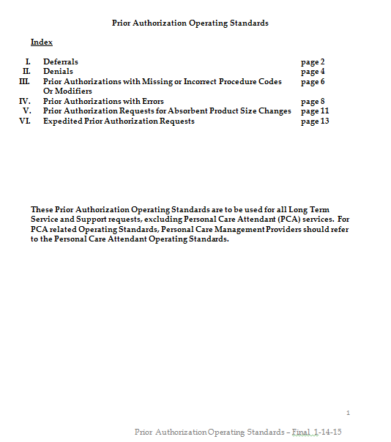

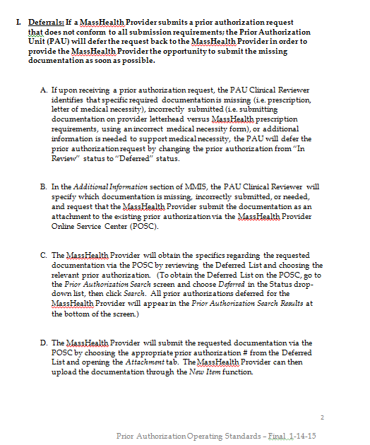

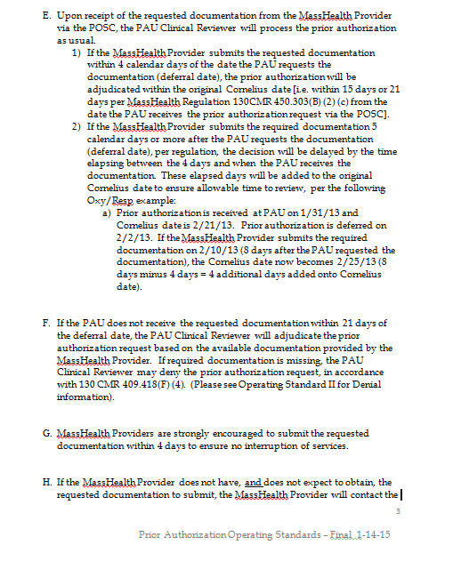



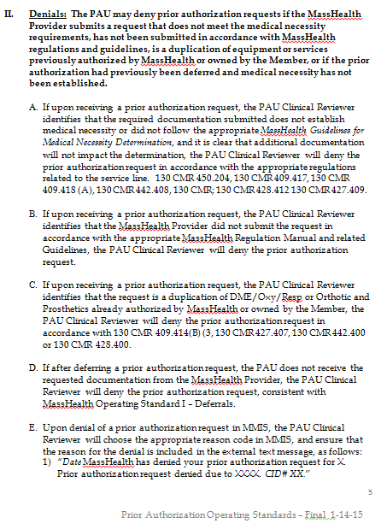

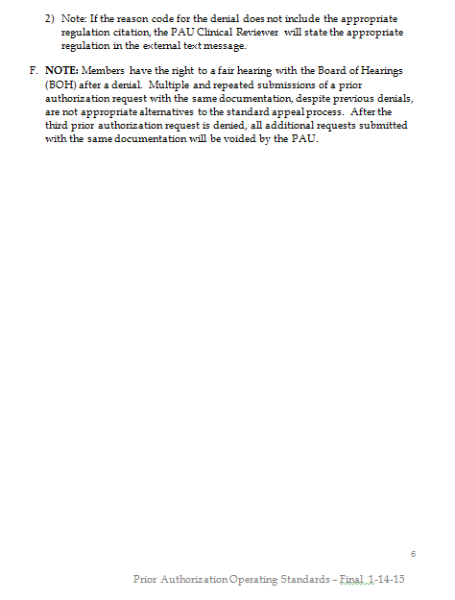

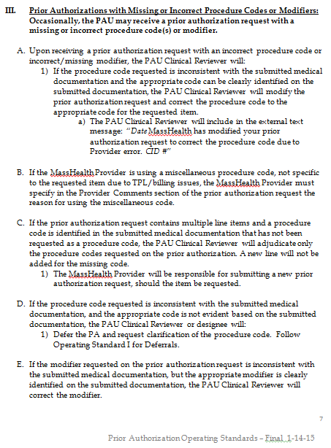

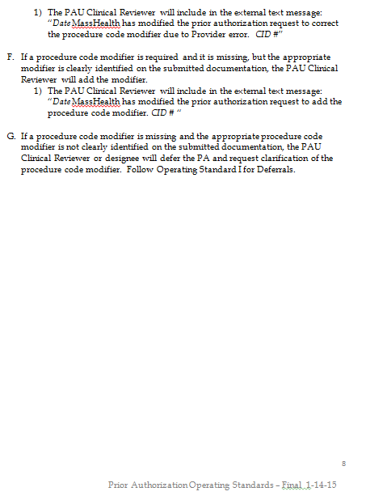

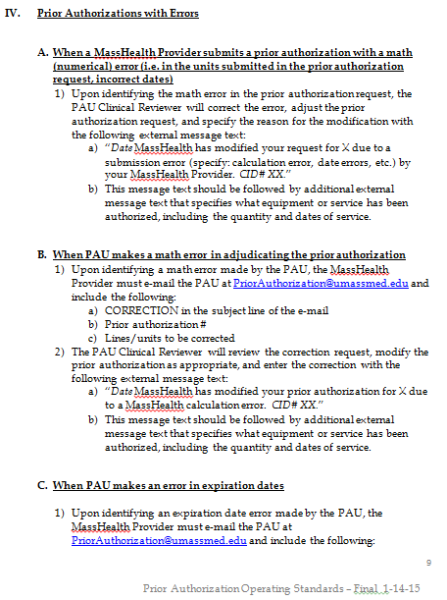

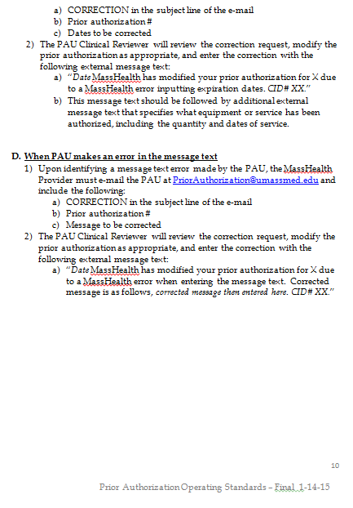

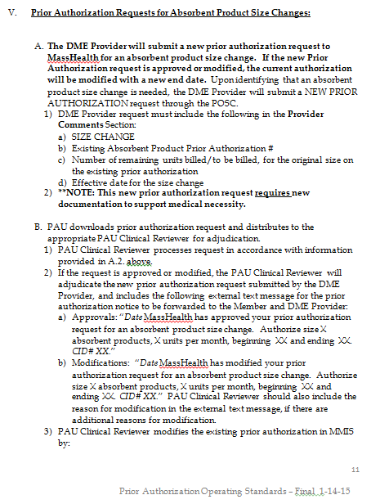

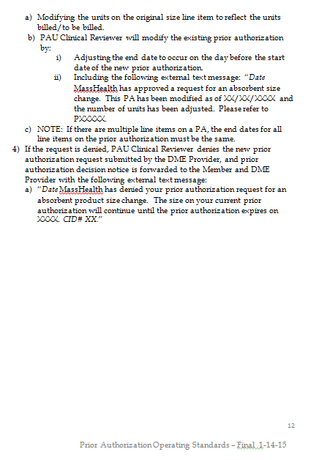

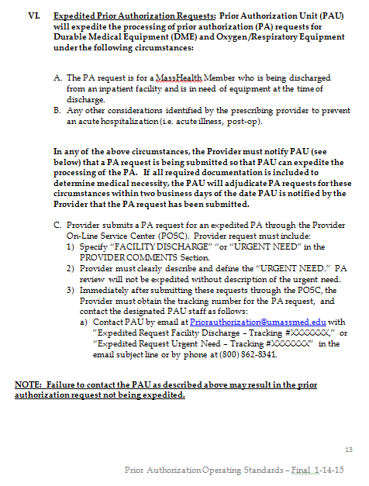

Links
QUICK LINKS

Click HERE for quick review of New updates to the O & P Guideline TOOL

LINKS | REGULATIONS

● Provider Library | ● Orthotics Regulations
● Error Codes and Explanations | ● Prosthetics Regulations
● Claims with Multiple Modifiers

 | TRANSMITTAL / BULLETINS
 | ● Orthotics - Transmittal Letters (Link)
...

COMBO
Back to Main Menu

For MassHealth Members Only

Ankle-foot orthoses (AFO), Knee-ankle-foot orthoses (KAFO)’s, Thoracic-lumbar-sacral orthoses (TLSO),
lumbar orthoses (LO) and lumbar-sacral orthoses (LSO) may be covered for children and severely disabled
adults that are non-ambulatory, non-weight bearing and/or wheelchair bound. This does not pertain to any dual
eligible individual. A dually eligible individual must follow the primary insurer’s medical coverage criteria if
denied by primary insurer the provider must have an appropriate denial for MassHealth payment.
...

