Regional Dashboard
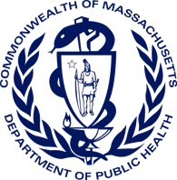
Bureau of Substance Addition Services
Licensed Treatment Program Dashboard
As of May 1, 2023

Total Licensed Programs: | 510
Total Licensed Programs by Region
 | Total
Boston | 77
Central | 85
Metro West | 93
Northeast | 73
Southeast | 89
Western | 93

Total Licensed Beds: | 6,270
Total Licensed Beds by Region
 | Total
Boston | 1031
Central | 1077
Metro West | 1013
Northeast | 886
Southeast | 1088
Western | 1175

