Instructions
Occupancy Worksheet Instructions
Please send one copy of the completed spreadsheet to the designated regional contract manager, and another copy to Cesar.A.Barreto-Gonzalez@mass.gov

1. | Do not copy charges for care from a prior year's worksheet! You must enter projected offsets for FY22.

 | You MUST submit an occupancy worksheet for each occupancy contract, including ABI contracts and contracts with Net Excess Offsets (see #6, below)

2. | DDS requires an electronic copy of this completed spreadsheet file, in its original Excel format.

3. | Printing: The occupancy worksheet is set up to print in portrait mode, eight sites per page. Don't print all the pages, since the great majority of contracts have 18 sites or fewer, and will fit on 1-3 pages. Up to 50 sites are supported.

4. | Reminders:
 | The data entry items below do not affect the occupancy rate computation.
 |  | Occupancy Contract #: Please enter the full 20-Character version of the 3753 or 3713 occupancy contract Document ID. If the 9th character is not an "L" you probably are trying to enter an operational contract or an old DocID that pre-dates Chapter 257.
 |  | Primary DDS Operational Contract #: Please enter or correct the full 20-Character version of the primary 3153 or 3751 operational ALTR contract. The 9th character should be an "R". If more than one operational contract is associated with this occupancy contract, enter the one that is associated with most of the sites in this spreadsheet.

 |  | Region / Area / ABI Office responsible for contract: Make the best choice you can from the dropdown list. If you don’t think that any of the choices fit, select "other" and enter a description in the box that appears.

 |  | ICMS Site ID: Please enter the site ID as it is listed in your ICMS site detail report.

 |  | Address Line 2: Use as needed to help identify sites, especially sites that share the same address. Optional.
 |  |  | Site Types
 |  | Site Building Type: Select the Site Building Type from the drop down menu on line 13. “Unit” is a unit of housing, not a bedroom. If the site is a “2-4 unit building” or a “5 or more unit building”, an apartment or building number is necessary. | 1 unit building 2-4 unit building 5 or more unit building

 |  | Own / Lease / Capital Lease: Pick the item that best corresponds to the type of site ownership.
 |  |  | Other Purchaser
 |  | Other Purchaser: Is any part of the capacity of this site purchased by another party or under another contract? DDS is included as a choice because some sites are purchased under more than one DDS contract, such as ID or ABI. | DDS DMH MCB MRC Other

 |  | Data Integrity: Some cells contain logic to prevent common errors or omissions. Cells where data entry is expected are filled with light pink. You can leave numeric cells without a value blank, but the pink will go away if you insert a zero.

5. | In the case a new site is added to the contract:
 |  | ORA to UFR lines: ORA lines and corresponding Occupancy Worksheet UFR lines: table noting UFR lines
 |  | Rate Caps: Line 34 of the worksheet. Newer sites are subject to regional, ABI, or other monthly Rate Caps that limit the maximum payment rate for a site. When a Rate Cap is invoked, select the Rate Cap amount from the dropdown. Rate Caps are clearly stated on the ORA. | 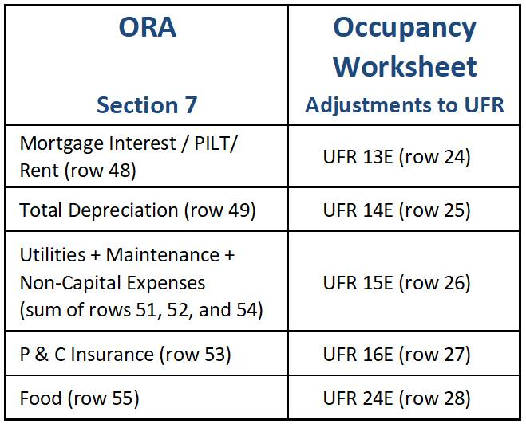

6. | Why enter data from the old FY13 UFR, but then itemize projected charges for care for FY21?
 |  | 1) According to 101 CMR 420, FY13 UFR data is the basis for setting the occupancy rate bands for existing sites. Your sites remain in the same bands as before, but per diem rates for these bands have been increased in FY17, FY19, and FY21.

 |  | 2) Charges for care have no effect on Chapter 257 class rates. Offsets are funds paid by third parties toward the cost of these sites. By law, DDS legally pays only the net cost of services after third party payments are deducted from the total.

7. | How come the "Net Payment after DDS Offsets" changed to "Net Excess Offsets?" It contains a negative value, and I get no billing rate?
 |  | Your DDS offsets are greater than net payment level for the site because third parties contribute more than than the reimbursable occupancy cost of the site. Often this happens to contracts with older sites with very low expenses. This value should be included in the operational services contract as an excess occupancy offset.
 |  | Remember, you MUST submit an occupancy worksheet each year for each occupancy contract, INCLUDING those with net excess offsets.

