Cover
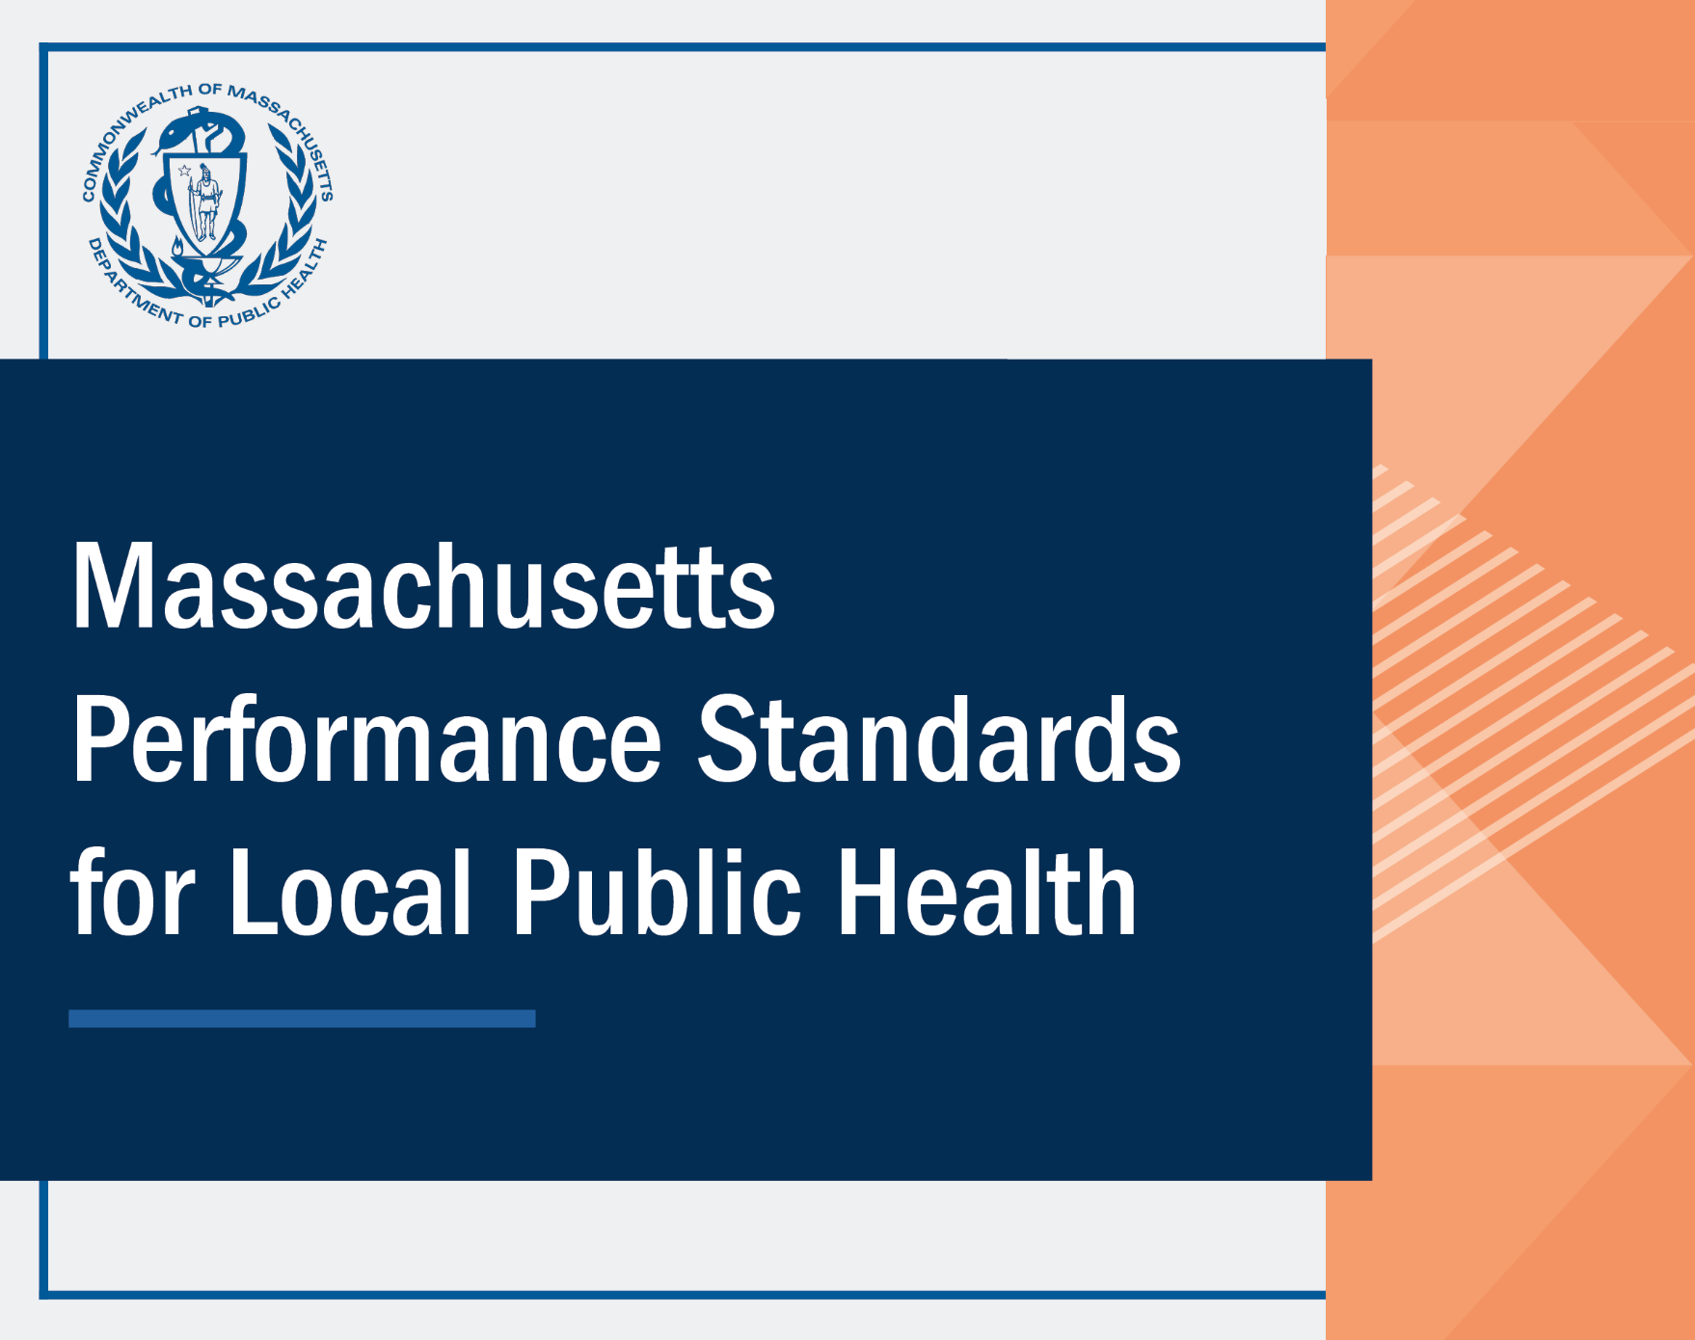

Introduction
Introduction:
As part of the state action for public health excellence program being established by the Department pursuant to G.L. c. 111 § 27D(b), the Office of Local and Regional Health has begun to outline the Performance Standards that will elevate over time to improve the municipal and regional public health system. Elevating the standards for and improving the performance of local public health departments is also one of the six recommendations in the 2019 Blueprint for Public Health Excellence report released by the Special Commission on Local and Regional Public Health. This document summarizes the first version of the Performance Standards (the citations included in the Environmental Health, Tobacco Use Prevention, Disease Control and Prevention, Administration, and Workforce Standards tabs), which are those responsibilities of municipal and regional public health that are currently mandated by Massachusetts General Law and workforce standards as recommended in the Blueprint. It is important to note that this document covers the Performance Standards as currently established and may be updated from time to time.
Additionally, and in order to more fully outline the framework for common municipal and regional public health activities, this document includes a Frequently Used tab that includes statutory and regulatory references to discretionary citations. The Resources tab provides convenient access to additional references on related public health topics.
This document, including any summaries of statutes or regulations, is intended to be used as a resource and educational tool for municipal and regional public health and does not provide legal advice. To the extent you may require legal counsel, please consult your attorney.
Tips for using the document:
1.) The document includes 6 tabs organized by topic to support users in quickly navigating to their subject area (Environmental Health, Tobacco Use Prevention, Disease Control and Prevention, Administration, Workforce Standards, and Frequently Used). Two additional tabs (Resources and Keywords) are included to provide context to the document and the standards. To search within a specific tab, navigate to that tab, and hold the Ctrl key and the F key. A box should appear that allows you to search for a word or phrase. To search the entire document, follow the same instructions as above, but when the box appears, change the first drop-down box to “workbook.”
2.) The last two tabs of the document are Resources and Keywords. The Resources tab includes supporting documentation and links to offer further context for the Performance Standards. The Keywords tab helps to navigate the document: clicking on a listed keyword will direct you back to the tab and cell that contains the standards related to that word.
3.) State program contacts listed in column D of the document may provide technical support of the topic area.
4.) If you have any questions or are having difficulty navigating the document, please email aimee.petrosky@mass.gov for support.

 | .

Link to: Blueprint for Public Health Excellence

