Cover
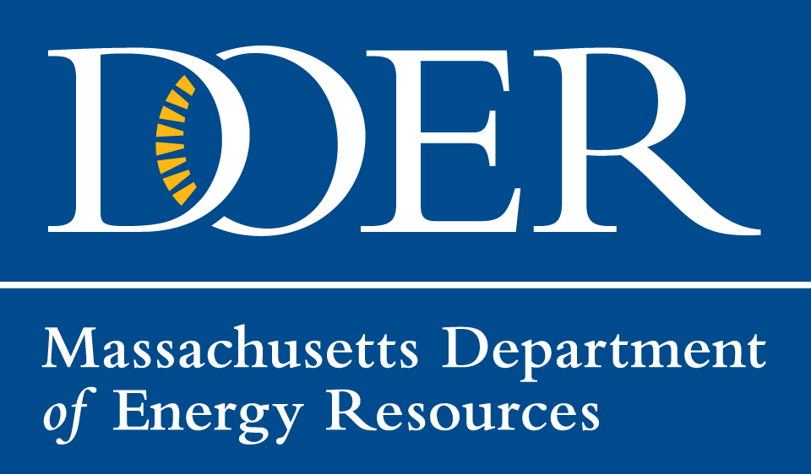 2020 Annual Compliance Report Renewable Energy Portfolio Standard (RRP) Alternative Energy Portfolio Standard (APS) Clean Peak Energy Standard (CPS) Clean Energy Standard (CES) November 30, 2022 This represents the 2020 Annual Compliance Report for the Renewable Energy Portfolio Standard (RPS), the Alternative Energy Portfolio Standard (APS), the Clean Peak Energy Standard (CPS) and the Clean Energy Standard (CES). The graphs and tables explain the results of the program in 2020, especially to what extent compliance was made through acquisition of renewable generation certificates, banked certificates or through Alternative Compliance Payments. Renewable and Alternative Energy Division Department of Energy Resources Execute Office of Energy and Environmental Affairs Commonwealth of Massachusetts

3a. RPS Class I Graphics
Figure 3a: RPS Class I RECS by Fuel Type, 2020
Landfill Gas | 6.44%
Solar | 39.92%
Wind | 48.87%
Hydro | 3.78%
Marine/Hydrokinetic | 0.00%
Anaerobic Digester | 0.98%
Biomass | 0.02%

Figure 3b: RPS Class I RECS by Location, 2020

 | 2020
CT | 1.1%
ME | 23.6%
MA | 37.4%
NH | 5.0%
RI | 1.9%
VT | 6.3%
NY | 18.2%
CANADA | 6.5%

7a. RPS Class II Graphics
Figure 7: RPS Class II - Renewable Generation Certificates by Location, 2020

CT | 1.5%
ME | 9.8%
MA | 20.3%
NH | 10.5%
NY | 37.1%
RI | 0.3%
VT | 20.6%

9a. APS Graphics
Figure 9: APS Generation Certificates by Fuel Type, 2020

 | APS by Fuel Type
Bioenergy | 0.0024345930887
CHP | 0.651862187
Digester gas | 0.0015270761306
Fuel cell | 0.030645457376
Heat Pump Air | 0.039586096678
Heat Pump Ground | 0.02998990348
Liquid Biofuel | 0.2004870086
Solar Thermal | 0.0097014777634
Waste to Energy | 0.033766199875

10a. CPS Graphics
Figure 10: CPS Generation Certificates by Fuel Type, 2020
 | Percent
Biogas | 61.7%
Energy Storage | 14.8%
Solar Energy | 4.3%
Wind Energy | 19.2%

