Introduction
Chapter 90 Planning Toolkit
Instructions for Use

The Chapter 90 Planning Toolkit is an Excel spreadsheet that includes a collection of tabs that can be used to help plan projects funded through the Chapter 90 Program. More detailed guidance and information can be found on the Chapter 90 webpage: www.mass.gov/chapter-90-program.

Document Contents & Description

Chapter 90 Planning Checklist | A basic list of steps that can be taken on an annual basis to prepare for Chapter 90 funding decisions.

Asset Condition List | A template that can be used to list all assets that may require maintenance as well as track year installed/built, most recent inspection date, and conditions.

Bridge Inventory List | A template that can be used to list all bridges and summarize key data from Inspection Reports to identify urgent needs.

Infrastructure Budget | A basic budget template to compile anticipated revenue from various funding sources, as well as anticipated uses of funds, for a given fiscal year.

Project Planning | A long-term planning tool that lists all potential projects and forecasts their costs into the future, projecting Chapter 90 allocations/carry-overs.

Unweighted Prioritization Matrix | A tool to prioritize or rank potential projects using criteria set by the user, where projects are scored evenly based on all the criteria.

Weighted Prioritization Matrix | A tool to prioritize or rank potential projects, allowing the user to input percent-weights to each category and rank accordingly.

How to Use this Document

The intent of the Chapter 90 Planning Toolkit is to provide municipalities with a basic resource for planning. The Planning Toolkit may be used as a guide for planning as deemed appropriate by the municipality. It should be noted that altering the Excel document from its template form may undermine any preset formulas and conditions of the cells, thereby potentially resulting in mathematical errors. Municipalities should verify that all work is accurate. The Planning Toolkit does not replace any required local, state, or federal planning methods or approvals. This tool requires a fundamental understanding of Excel.

More detailed instructions for each tab can be found as you move through the workbook. Clicking into cells will often provide pop-up information about how to use the tool. Where there is light blue shading and/or red text, input is generally required from the user, as shown below.

MassDOT does not warrant this product in any way and is not responsible for any damages due to errors or mistakes which may exist. The user understands that the use of this product is at their own risk and shall indemnify MassDOT, its employees, consultants, and contractors from any damages, consequential or otherwise, which may result from its use.

Chapter 90 Planning Checklist
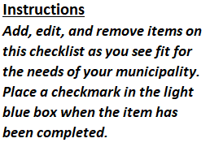
Annual Checklist Prior to Selecting Chapter 90 Projects
x | Update inventory of pavement condition on roadways to see if any are a priority for repair - consult pavement management plan
 | Update inventory of roadway bridges based on latest inspection reports by MassDOT
 | Inspect and update inventory of culverts and locally-owned pedestrian bridges
x | Check with Police Department for reports of congestion or crashes that may require addressing
x | Meet with Local Utilities to determine major infrastructure needs
x | Check with Town Planner about economic developments or initiatives
x | Check Municipal Vulnerability and Preparedness Plan (MVP) for FEMA Vulnerability Improvements
x | Check Complete Streets Prioritization Plan to see if any upcoming projects require design or supplemental construction funding
 | Check Master Plans and Capital Improvement Plans for potential projects
 | Host a public meeting to hear community needs

Asset Condition List
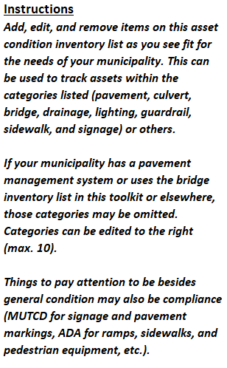
ASSET CONDITION INVENTORY LIST |  |  |  |  |  |  | Consider using the Bridge Invetory List for any bridges.
Asset | Category | Location | Date Built/Installed | Date Inspected | Recent Condition | $ Value | Categories: | Roadway | Structures | Utilities | Other
Bridge No. A-01-234 | Structures | Main Street | 1980-02-11 | 2020-01-02 | Good | $900,000.00
Bridge No. A-09-876 | Structures | High Street | 1963-05-10 | 2021-04-02 | Fair | $2,000,000.00
Bridge No. A-05-555 | Structures | River Road | 1958-11-07 | 2020-08-06 | Fair | $1,300,000.00
Guardrail | Structures | Main Street | 1980-03-01 | 2020-01-02 | Good | $500,000.00
Guardrail | Structures | High Street | 1963-06-08 | 2021-04-02 | Good | $300,000.00
Guardrail | Structures | River Road | 1958-11-20 | 2020-08-06 | Fair | $400,000.00
Guardrail | Structures | Route 123 | 1978-10-02 | 2021-03-23 | Excellent | $1,000,000.00
Guardrail | Structures | Valerie Road | 1993-03-03 | 2020-07-25 | Good | $800,000.00
Sidewalk | Roadway | Main Street | 1980-02-20 | 2020-01-02 | Good | $600,000.00
Sidewalk | Roadway | Pleasant Avenue | 1950-01-01 | 2020-11-11 | Poor | $300,000.00
Sidewalk | Roadway | Route 123 | 1978-09-23 | 2021-03-23 | Good | $900,000.00
Pavement | Roadway | Bacon Street | 1993-05-01 | 2020-07-25 | Fair | $1,200,000.00
Pavement | Roadway | Main Street | 1980-02-23 | 2020-01-02 | Poor | $2,000,000.00
Street Lighting | Utilities | Bacon Street | 1992-02-18 | 2019-08-16 | Poor | $300,000.00
8" Water Main | Utilities | Main Street | 1980-02-27 | 2020-01-02 | Poor | $600,000.00
Drainage - Culvert | Other | Route 123 | 1978-08-10 | 2021-03-23 | Good | $150,000.00
Drainage - Catch Basins | Other | Valerie Road | 1993-03-03 | 2020-07-25 | Fair | $300,000.00
Drainage - Catch Basins | Other | Main Street | 1980-03-03 | 2020-01-02 | Excellent | $340,000.00

Bridge Inventory List
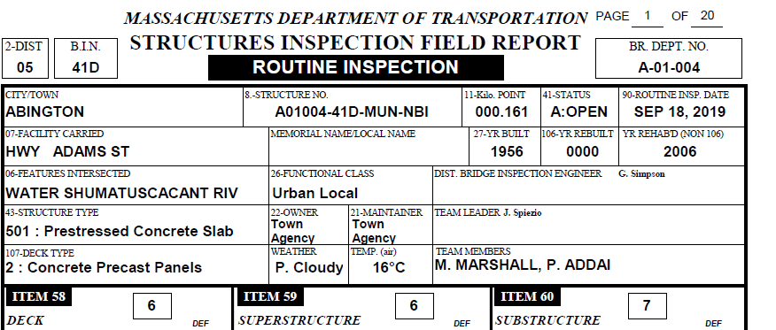
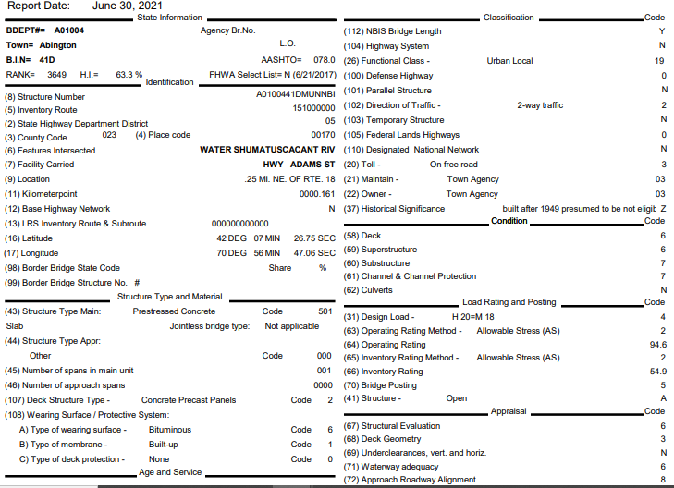
 | Bridge Inventory List |  |  |  | Municipality: | Abington
 |  |  |  |  | Last Updated: | 21-Jul-21 |  |  | Link to FHWA Bridge Coding Guide: | https://www.fhwa.dot.gov/bridge/mtguide.pdf

 | Bridge No. | BIN | Owner (22) | Maintenance Responsibility (21) | Bridge Type | Facility Carried (Street Name) (07) | Feature Intersected (Under) (06) | Facility Under | No. of Spans (45) | Structure Length (49) (ft) | Deck Width (52) | Structure Type - Material (43) | Structure Type - Design (43) | Functional Classification (26) | Structure Status (41) | Year Built (27) | Year Rebuilt (106) | Last Inspection Report Date | Deck (58) | SuperS. (59) | SubS. (60) | Comments and Concerns | Repair Priority | Estimated Costs
1 | A-01-234 | 6H6 | MUN (City/Town) | 1 State Highway Agency | Roadway |  | WATER | SHUMATUSCACANT RIV | 1 | 28.87 | 48.23 | 5 Prestressed concrete * | 01 Slab | 19 Urban Local | A Open, no restriction | 1956 | - | 2019-09-18 | 6 Satisfactory | 6 Satisfactory | 7 Good | Bridge is in satisfactory condition | 3 | -
2 | A-09-876 | 4BY | RRY (Railroad Company) | 27 Railroad | Railroad |  | WATER | ISLAND GROVE POND | 1 | 317.00 | 32.00 | 8 Masonry | 7 Wood or Timber | 16 Urban Minor Arterial | P Posted for load (may include other restrictions such as temporary bridges which are load posted) | 1958 | - | 2020-08-06 | 5 Fair | 5 Fair | 3 Serious | Bridge is in fair to serious condition | 2 | $3,000,000.00

EX. | A-01-004 | 41D | MUN (City/Town) | 3 Town or Township Highway Agency | Roadway | HWY ADAMS ST | WATER | SHUMATUSCACANT RIV | 1 | 28.87 | 48.23 | 5 Prestressed concrete * | 01 Slab | 19 Urban Local | A Open, no restriction | 1956 | - | 2019-09-18 | 6 Satisfactory | 6 Satisfactory | 7 Good | Bridge is in satisfactory condition | 3 | -

Infrastructure Budget
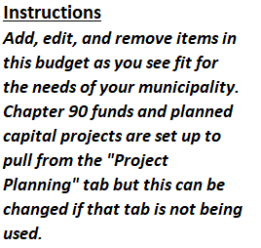
Municipal Infrastructure Budget
 | Current Fiscal Year: | 2021
Revenue - Sources of Funds | FY 2021 Budget | FY 2021 Spent | FY 2022 Proposed Budget | Change from Previous Budget
Chapter 90 | $387,759.00 | $256,243.00 | $450,000.00 | $62,241.00
Chapter 90 Carryover | $- | $- | $- | $-
Municipal Budget Allocation | $750,000.00 | $800,000.00 | $810,000.00 | $60,000.00
MVP Grant Program | $35,000.00 | $35,000.00 | $95,000.00 | $60,000.00
Small Bridge | $65,000.00 | $58,000.00 | $- | $(65,000.00)
DER Grant | $- | $- | $600,000.00 | $600,000.00
Community Transit Grant Program | $18,000.00 | $15,200.00 | $21,000.00 | $3,000.00
Workforce Transportation Program | $45,000.00 | $- | $30,000.00 | $(15,000.00)
MassWorks | $1,100,000.00 | $998,000.00 | $- | $(1,100,000.00)
Complete Streets | $350,000.00 | $350,000.00 | $- | $(350,000.00)
Safe Routes to Schools | $- | $- | $250,000.00 | $250,000.00
Shared Streets | $- | $- | $- | $-
Total Revenue | $2,750,759.00 | $2,512,443.00 | $2,256,000.00 | -
Expenditures - Uses of Funds | FY 2021 Budget | FY 2021 Spent | FY 2022 Proposed Budget | Change from Previous Budget
Salaries & Wages | $750,000.00 | $670,950.00 | $970,000.00 | $220,000.00
Consulting Services | $70,000.00 | $64,897.00 | $60,900.00 | $(9,100.00)
Equipment | $45,000.00 | $30,000.00 | $40,000.00 | $(5,000.00)
Materials & Supplies | $90,000.00 | $97,500.00 | $100,000.00 | $10,000.00
Expenditure Recovery | $15,000.00 | $21,800.00 | $23,000.00 | $8,000.00
Budgetary Reserves | $100,000.00 | $- | $80,000.00 | $(20,000.00)
Facilities Maintenance | $100,000.00 | $98,000.00 | $120,000.00 | $20,000.00
Capital Renewal | $45,000.00 | $34,000.00 | $50,000.00 | $5,000.00
Capital Projects | $895,000.00 | $700,000.00 | $515,000.00 | $(380,000.00)
Total Expenditures | $2,110,000.00 | $1,717,147.00 | $1,958,900.00 | -
NET CASHFLOW | $640,759.00 | $795,296.00 | $297,100.00 | -

Project Planning
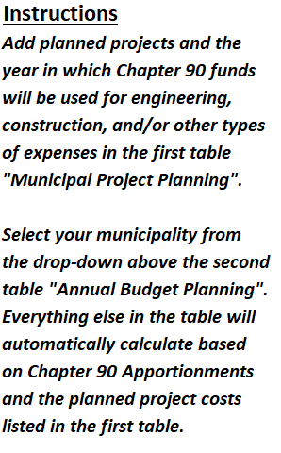
 |  |  |  |  |  | Municipality: | ABINGTON | Ch. 90 Apportionment*: |  | $387,759.00
Municipal Project Planning - Total Project Costs by Year |  |  |  |  |  | Annual Budget Planning
Project | Year | Engineering Cost | Construction Cost | Other (Financing, Police Details, etc) | Total | Year | Ch. 90 Balance after Apportionment | Total Project Costs | Ch. 90 Balance After Costs | Other Funding Required | Carryover?
Main Street Sidewalk Construction | 2021 | $10,000.00 | $750,000.00 |  | $760,000.00 | 2021 | $387,759.00 | $895,000.00 | $0.00 | $507,241.00 | No
Main Street Sidewalk Construction | 2022 |  | $500,000.00 | $15,000.00 | $515,000.00 | 2022 | $387,759.00 | $515,000.00 | $0.00 | $127,241.00 | No
North Main Street Rail Trail | 2021 | $5,000.00 | $20,000.00 | $15,000.00 | $40,000.00 | 2023 | $387,759.00 | $741,500.00 | $0.00 | $353,741.00 | No
Pleasant Avenue ADA Upgrades | 2021 | $20,000.00 | $75,000.00 |  | $95,000.00 | 2024 | $387,759.00 | $1,420,000.00 | $0.00 | $1,032,241.00 | No
South Main Street Rail Trail | 2023 | $15,000.00 | $50,000.00 | $1,500.00 | $66,500.00 | 2025 | $387,759.00 | $235,000.00 | $152,759.00 | $0.00 | Yes
Route 234 at Pleasant Avenue Intersection Reconstruction | 2023 | $175,000.00 | $500,000.00 |  | $675,000.00 | 2026 | $540,518.00 | $3,050,000.00 | $0.00 | $2,509,482.00 | No
Route 123 Culvert Repairs | 2024 | $150,000.00 | $400,000.00 | $20,000.00 | $570,000.00 | 2027 | $387,759.00 | $3,150,000.00 | $0.00 | $2,762,241.00 | No
Main Street at Bank Street Intersection Reconstruction | 2024 | $150,000.00 | $700,000.00 |  | $850,000.00 | 2028 | $387,759.00 | $1,550,000.00 | $0.00 | $1,162,241.00 | No
School Street Sidewalk Construction | 2025 | $35,000.00 | $200,000.00 |  | $235,000.00
High Street Bridge Replacement | 2026 | $350,000.00 | $2,700,000.00 |  | $3,050,000.00
Route 123 at Bank Street Intersection Reconstruction | 2027 | $100,000.00 | $850,000.00 | $50,000.00 | $1,000,000.00
River Road Bridge Replacement | 2027 | $350,000.00 | $1,800,000.00 |  | $2,150,000.00
Main Street Bridge Replacement | 2028 | $350,000.00 | $1,200,000.00 |  | $1,550,000.00

 |  |  |  |  |  | * Apportionment is based on the current Fiscal Year. Please select your municipality from the drop-down and then check the Chapter 90 website to confirm that the spreadsheet is accurate.

Unweighted Prioritization
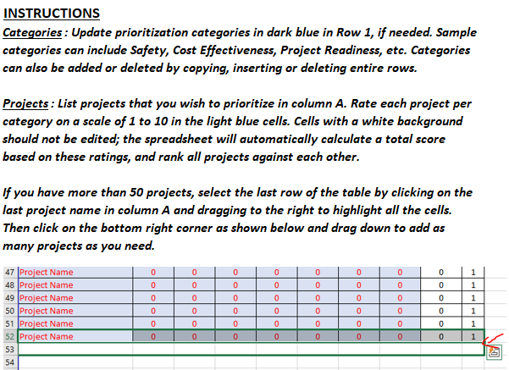
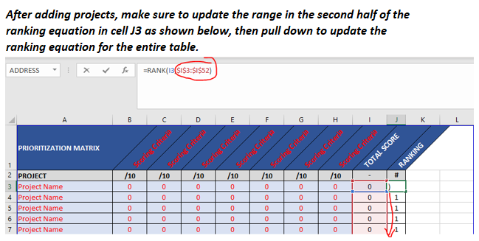
PRIORITIZATION MATRIX | Safety | Cost Effectiveness | Project Readiness | Public Support | TOTAL SCORE | RANKING
PROJECT | /10 | /10 | /10 | /10 | - | #
Main Street Sidewalk Construction | 3 | 5 | 6 | 7 | 21 | 4
North Main Street Rail Trail | 4 | 3 | 3 | 7 | 17 | 9
Pleasant Avenue ADA Upgrades | 2 | 2 | 1 | 6 | 11 | 10
South Main Street Rail Trail | 5 | 1 | 5 | 9 | 20 | 5
Route 234 at Pleasant Avenue Intersection Reconstruction | 10 | 2 | 10 | 6 | 28 | 1
Route 123 Culvert Repairs | 1 | 1 | 3 | 2 | 7 | 12
Main Street at Bank Street Intersection Reconstruction | 1 | 2 | 3 | 4 | 10 | 11
School Street Sidewalk Construction | 7 | 2 | 3 | 7 | 19 | 6
High Street Bridge Replacement | 2 | 4 | 3 | 10 | 19 | 6
Route 123 at Bank Street Intersection Reconstruction | 8 | 1 | 9 | 5 | 23 | 3
River Road Bridge Replacement | 7 | 2 | 5 | 10 | 24 | 2
Main Street Bridge Replacement | 6 | 3 | 8 | 1 | 18 | 8

Weighted Prioritization
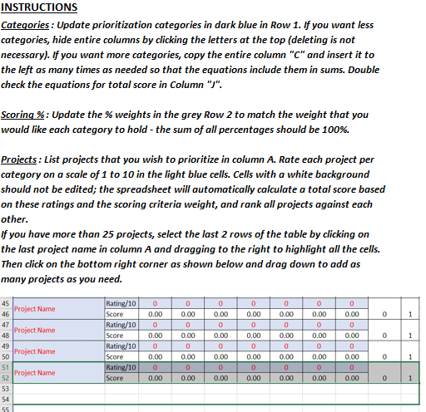
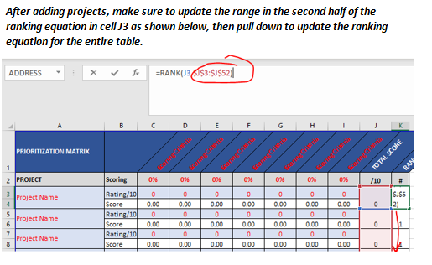
PRIORITIZATION MATRIX |  | Safety | Cost Effectiveness | Project Readiness | Public Support | TOTAL SCORE | RANKING | Total Wt.
PROJECT | Scoring | 45% | 30% | 15% | 10% | /10 | # | 100%
Main Street Sidewalk Construction | Rating/10 | 3 | 7 | 4 | 8 | 4.85 | 5
 | Score | 1.35 | 2.10 | 0.60 | 0.80
Pleasant Avenue ADA Upgrades | Rating/10 | 8 | 4 | 1 | 3 | 5.25 | 3
 | Score | 3.60 | 1.20 | 0.15 | 0.30
Route 234 at Pleasant Avenue Intersection Reconstruction | Rating/10 | 7 | 6 | 8 | 2 | 6.35 | 2
 | Score | 3.15 | 1.80 | 1.20 | 0.20
Main Street at Bank Street Intersection Reconstruction | Rating/10 | 10 | 7 | 6 | 8 | 8.3 | 1
 | Score | 4.50 | 2.10 | 0.90 | 0.80
High Street Bridge Replacement | Rating/10 | 1 | 9 | 10 | 2 | 4.85 | 4
 | Score | 0.45 | 2.70 | 1.50 | 0.20
River Road Bridge Replacement | Rating/10 | 1 | 9 | 6 | 2 | 4.25 | 6
 | Score | 0.45 | 2.70 | 0.90 | 0.20

