Cover Page
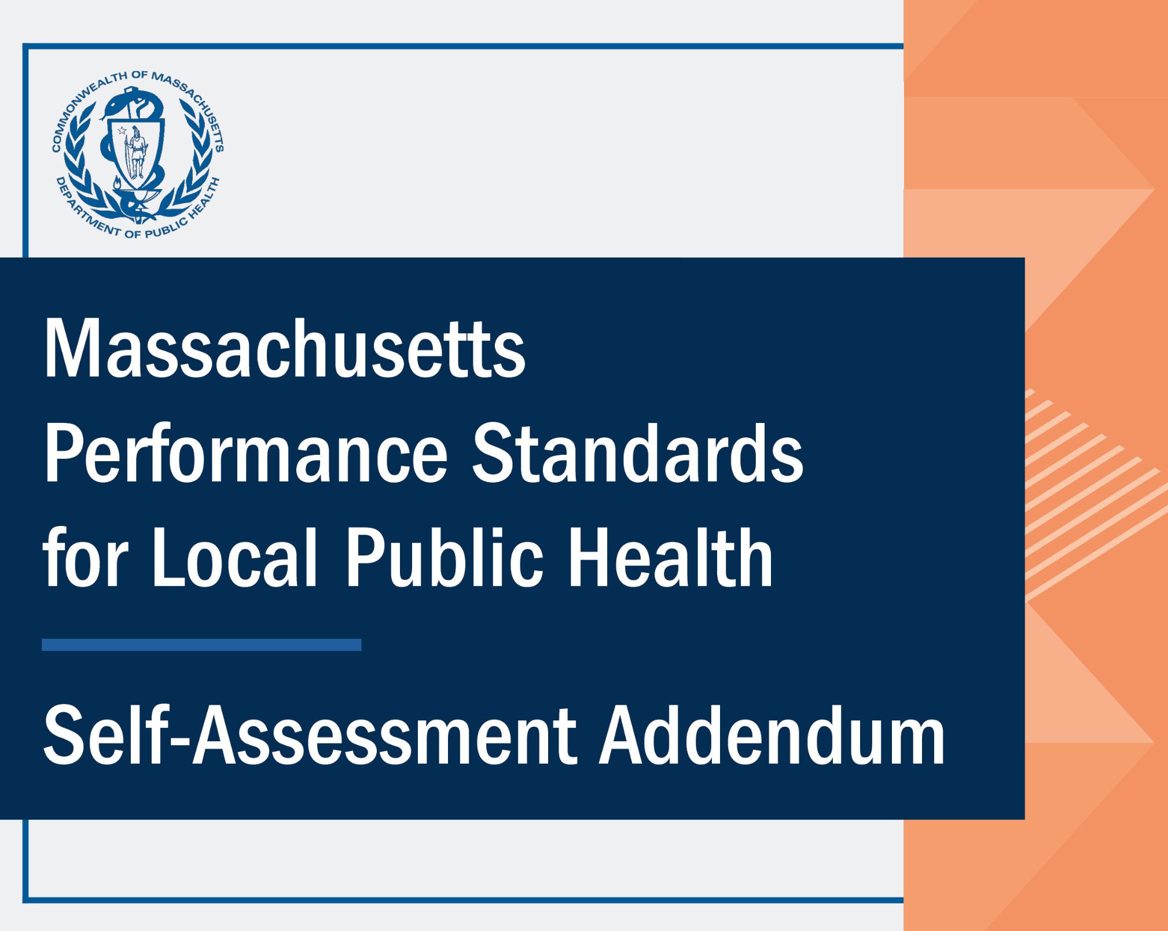

SSA Response Aggregation
Performance Standards for Local Public Health Self-Assessment Addendum
Aggregated Shared Services Arrangement Response Results
 |  | Copy the data from the Self-Assessment Tool (on tabs "12. Response #1 Results"/"13. Response #2 Results" (outlined in red)) into tables 1-19 below under the header "FILL IN: Municipality Response Results". Once completed for all municipalities, the aggregated results will populate in the table and graphical representation below. This tab can be duplicated to view aggregated data over time. NOTE: not all tables 1-19 need to be filled out to populate the aggregated table and graphical representation below. Only include data from the number of municipalities you wish to aggregate information for (the others can stay blank).
 |  | Self-Assessment Tool and Self-Assessment Addendum Webpage

 | Aggregated Breakdown of Results by Subject Area and Response Group

 |  | Aggregated Results
 |  | Subject Area | Meets Performance Standards | Does Not Meet Performance Standards |  |  |  |  | Aggregated % of Performance Standards Met
 |  |  | Yes | No - Additional training needed. | No - Lack of funding (not staffing related). | No - More staff required. | No - I was not aware of this requirement. | Not applicable | % of applicable Performance Standards met = Yes/(Total-Not applicable)
 |  | Administration | 0 | 0 | 0 | 0 | 0 | 0 | Enter data in tables 1-19 below
 |  | Community Sanitation | 0 | 0 | 0 | 0 | 0 | 0 | Enter data in tables 1-19 below
 |  | Disease Control and Prevention* | 0 | 0 | 0 | 0 | 0 | 0 | Enter data in tables 1-19 below
 |  | Environmental Protection | 0 | 0 | 0 | 0 | 0 | 0 | Enter data in tables 1-19 below
 |  | Food Protection* | 0 | 0 | 0 | 0 | 0 | 0 | Enter data in tables 1-19 below
 |  | Housing | 0 | 0 | 0 | 0 | 0 | 0 | Enter data in tables 1-19 below
 |  | Tobacco Use Prevention | 0 | 0 | 0 | 0 | 0 | 0 | Enter data in tables 1-19 below
 |  | Other* | 0 | 0 | 0 | 0 | 0 | 0 | Enter data in tables 1-19 below
 |  | Aggregated Results | 0 | 0 | 0 | 0 | 0 | 0 | Enter data in tables 1-19 below

 | Graphical Representation of Aggregated Responses within each Subject Area

Number of Performance Standards by Subject Area and Response

 |  | *if this result does not match that in the Capacity Assessment Interactive Data Dashboard it is due to the removal of antiquated regulations (Food Protection: 3; Disease Control and Prevention: 3) and inclusion of Performance Standards in the "Other" subject area.

 | FILL IN: Municipality Response Results

 |  | Municipality #1 Response Results
 |  | Subject Area | Meets Performance Standards | Does Not Meet Performance Standards
 |  |  | Yes | No - Additional training needed. | No - Lack of funding (not staffing related). | No - More staff required. | No - I was not aware of this requirement. | Not applicable
 |  | Administration
 |  | Community Sanitation
 |  | Disease Control and Prevention*
 |  | Environmental Protection
 |  | Food Protection*
 |  | Housing
 |  | Tobacco Use Prevention
 |  | Other*

 |  | Municipality #2 Response Results
 |  | Subject Area | Meets Performance Standards | Does Not Meet Performance Standards
 |  |  | Yes | No - Additional training needed. | No - Lack of funding (not staffing related). | No - More staff required. | No - I was not aware of this requirement. | Not applicable
 |  | Administration
 |  | Community Sanitation
 |  | Disease Control and Prevention*
 |  | Environmental Protection
 |  | Food Protection*
 |  | Housing
 |  | Tobacco Use Prevention
 |  | Other*

 |  | Municipality #3 Response Results
 |  | Subject Area | Meets Performance Standards | Does Not Meet Performance Standards
 |  |  | Yes | No - Additional training needed. | No - Lack of funding (not staffing related). | No - More staff required. | No - I was not aware of this requirement. | Not applicable
 |  | Administration
 |  | Community Sanitation
 |  | Disease Control and Prevention*
 |  | Environmental Protection
 |  | Food Protection*
 |  | Housing
 |  | Tobacco Use Prevention
 |  | Other*

 |  | Municipality #4 Response Results
 |  | Subject Area | Meets Performance Standards | Does Not Meet Performance Standards
 |  |  | Yes | No - Additional training needed. | No - Lack of funding (not staffing related). | No - More staff required. | No - I was not aware of this requirement. | Not applicable
 |  | Administration
 |  | Community Sanitation
 |  | Disease Control and Prevention*
 |  | Environmental Protection
 |  | Food Protection*
 |  | Housing
 |  | Tobacco Use Prevention
 |  | Other*

 |  | Municipality #5 Response Results
 |  | Subject Area | Meets Performance Standards | Does Not Meet Performance Standards
 |  |  | Yes | No - Additional training needed. | No - Lack of funding (not staffing related). | No - More staff required. | No - I was not aware of this requirement. | Not applicable
 |  | Administration
 |  | Community Sanitation
 |  | Disease Control and Prevention*
 |  | Environmental Protection
 |  | Food Protection*
 |  | Housing
 |  | Tobacco Use Prevention
 |  | Other*

 |  | Municipality #6 Response Results
 |  | Subject Area | Meets Performance Standards | Does Not Meet Performance Standards
 |  |  | Yes | No - Additional training needed. | No - Lack of funding (not staffing related). | No - More staff required. | No - I was not aware of this requirement. | Not applicable
 |  | Administration
 |  | Community Sanitation
 |  | Disease Control and Prevention*
 |  | Environmental Protection
 |  | Food Protection*
 |  | Housing
 |  | Tobacco Use Prevention
 |  | Other*

 |  | Municipality #7 Response Results
 |  | Subject Area | Meets Performance Standards | Does Not Meet Performance Standards
 |  |  | Yes | No - Additional training needed. | No - Lack of funding (not staffing related). | No - More staff required. | No - I was not aware of this requirement. | Not applicable
 |  | Administration
 |  | Community Sanitation
 |  | Disease Control and Prevention*
 |  | Environmental Protection
 |  | Food Protection*
 |  | Housing
 |  | Tobacco Use Prevention
 |  | Other*

 |  | Municipality #8 Response Results
 |  | Subject Area | Meets Performance Standards | Does Not Meet Performance Standards
 |  |  | Yes | No - Additional training needed. | No - Lack of funding (not staffing related). | No - More staff required. | No - I was not aware of this requirement. | Not applicable
 |  | Administration
 |  | Community Sanitation
 |  | Disease Control and Prevention*
 |  | Environmental Protection
 |  | Food Protection*
 |  | Housing
 |  | Tobacco Use Prevention
 |  | Other*

 |  | Municipality #9 Response Results
 |  | Subject Area | Meets Performance Standards | Does Not Meet Performance Standards
 |  |  | Yes | No - Additional training needed. | No - Lack of funding (not staffing related). | No - More staff required. | No - I was not aware of this requirement. | Not applicable
 |  | Administration
 |  | Community Sanitation
 |  | Disease Control and Prevention*
 |  | Environmental Protection
 |  | Food Protection*
 |  | Housing
 |  | Tobacco Use Prevention
 |  | Other*

 |  | Municipality #10 Response Results
 |  | Subject Area | Meets Performance Standards | Does Not Meet Performance Standards
 |  |  | Yes | No - Additional training needed. | No - Lack of funding (not staffing related). | No - More staff required. | No - I was not aware of this requirement. | Not applicable
 |  | Administration
 |  | Community Sanitation
 |  | Disease Control and Prevention*
 |  | Environmental Protection
 |  | Food Protection*
 |  | Housing
 |  | Tobacco Use Prevention
 |  | Other*

 |  | Municipality #11 Response Results
 |  | Subject Area | Meets Performance Standards | Does Not Meet Performance Standards
 |  |  | Yes | No - Additional training needed. | No - Lack of funding (not staffing related). | No - More staff required. | No - I was not aware of this requirement. | Not applicable
 |  | Administration
 |  | Community Sanitation
 |  | Disease Control and Prevention*
 |  | Environmental Protection
 |  | Food Protection*
 |  | Housing
 |  | Tobacco Use Prevention
 |  | Other*

 |  | Municipality #12 Response Results
 |  | Subject Area | Meets Performance Standards | Does Not Meet Performance Standards
 |  |  | Yes | No - Additional training needed. | No - Lack of funding (not staffing related). | No - More staff required. | No - I was not aware of this requirement. | Not applicable
 |  | Administration
 |  | Community Sanitation
 |  | Disease Control and Prevention*
 |  | Environmental Protection
 |  | Food Protection*
 |  | Housing
 |  | Tobacco Use Prevention
 |  | Other*

 |  | Municipality #13 Response Results
 |  | Subject Area | Meets Performance Standards | Does Not Meet Performance Standards
 |  |  | Yes | No - Additional training needed. | No - Lack of funding (not staffing related). | No - More staff required. | No - I was not aware of this requirement. | Not applicable
 |  | Administration
 |  | Community Sanitation
 |  | Disease Control and Prevention*
 |  | Environmental Protection
 |  | Food Protection*
 |  | Housing
 |  | Tobacco Use Prevention
 |  | Other*

 |  | Municipality #14 Response Results
 |  | Subject Area | Meets Performance Standards | Does Not Meet Performance Standards
 |  |  | Yes | No - Additional training needed. | No - Lack of funding (not staffing related). | No - More staff required. | No - I was not aware of this requirement. | Not applicable
 |  | Administration
 |  | Community Sanitation
 |  | Disease Control and Prevention*
 |  | Environmental Protection
 |  | Food Protection*
 |  | Housing
 |  | Tobacco Use Prevention
 |  | Other*

 |  | Municipality #15 Response Results
 |  | Subject Area | Meets Performance Standards | Does Not Meet Performance Standards
 |  |  | Yes | No - Additional training needed. | No - Lack of funding (not staffing related). | No - More staff required. | No - I was not aware of this requirement. | Not applicable
 |  | Administration
 |  | Community Sanitation
 |  | Disease Control and Prevention*
 |  | Environmental Protection
 |  | Food Protection*
 |  | Housing
 |  | Tobacco Use Prevention
 |  | Other*

 |  | Municipality #16 Response Results
 |  | Subject Area | Meets Performance Standards | Does Not Meet Performance Standards
 |  |  | Yes | No - Additional training needed. | No - Lack of funding (not staffing related). | No - More staff required. | No - I was not aware of this requirement. | Not applicable
 |  | Administration
 |  | Community Sanitation
 |  | Disease Control and Prevention*
 |  | Environmental Protection
 |  | Food Protection*
 |  | Housing
 |  | Tobacco Use Prevention
 |  | Other*

 |  | Municipality #17 Response Results
 |  | Subject Area | Meets Performance Standards | Does Not Meet Performance Standards
 |  |  | Yes | No - Additional training needed. | No - Lack of funding (not staffing related). | No - More staff required. | No - I was not aware of this requirement. | Not applicable
 |  | Administration
 |  | Community Sanitation
 |  | Disease Control and Prevention*
 |  | Environmental Protection
 |  | Food Protection*
 |  | Housing
 |  | Tobacco Use Prevention
 |  | Other*

 |  | Municipality #18 Response Results
 |  | Subject Area | Meets Performance Standards | Does Not Meet Performance Standards
 |  |  | Yes | No - Additional training needed. | No - Lack of funding (not staffing related). | No - More staff required. | No - I was not aware of this requirement. | Not applicable
 |  | Administration
 |  | Community Sanitation
 |  | Disease Control and Prevention*
 |  | Environmental Protection
 |  | Food Protection*
 |  | Housing
 |  | Tobacco Use Prevention
 |  | Other*

 |  | Municipality #19 Response Results
 |  | Subject Area | Meets Performance Standards | Does Not Meet Performance Standards
 |  |  | Yes | No - Additional training needed. | No - Lack of funding (not staffing related). | No - More staff required. | No - I was not aware of this requirement. | Not applicable
 |  | Administration
 |  | Community Sanitation
 |  | Disease Control and Prevention*
 |  | Environmental Protection
 |  | Food Protection*
 |  | Housing
 |  | Tobacco Use Prevention
 |  | Other*

