Cover Page
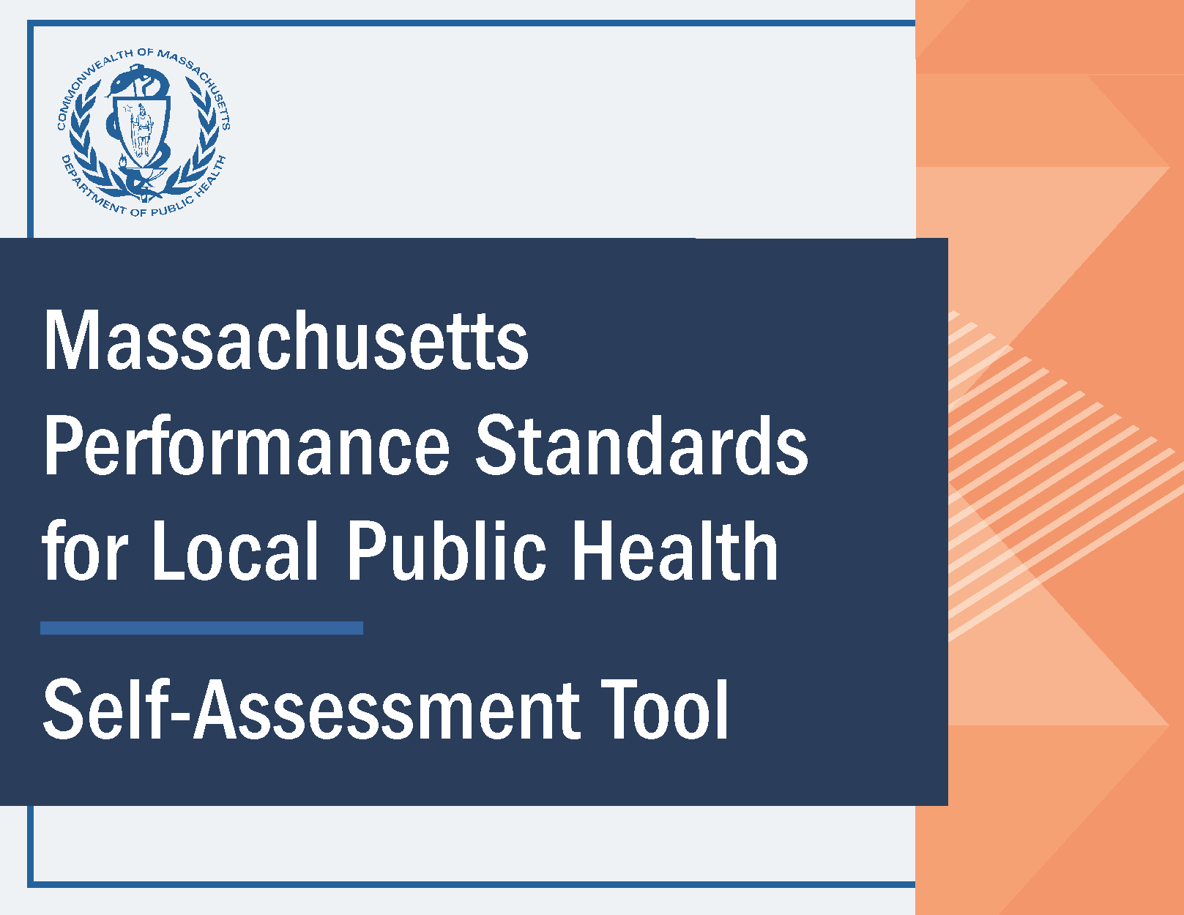

12. Response #1 Results
Performance Standards for Local Public Health Self-Assessment
Response #1 Self-Assessment Results
 |  | Below is a summary of the "Response #1" results for all of the subject areas in a table and visual format. Please ensure that all cells in the "Response #1" column in tabs 4-11 are completely filled out in order to view your results. NOTE: the data outlined in red can be copied and pasted into the Self-Assessment Addendum to aggregate multiple municipalities’ results.
 |  | Self-Assessment Tool and Self-Assessment Addendum Webpage

 | Breakdown of Results by Subject Area and Response Group

 |  | Subject Area | Meets Performance Standards | Does Not Meet Performance Standards |  |  |  |  | Completion Status | Response #1 % of Performance Standards Met
 |  | Below are the subject areas that correspond to tabs 4-11. | Yes | No - Additional training needed. | No - Lack of funding (not staffing related). | No - More staff required. | No - I was not aware of this requirement. | Not applicable | If below says "Incomplete", make sure to select a response for ALL questions in associated tab. | % of applicable Performance Standards met = Yes/(Total-Not applicable) If result is not populated, please respond to ALL questions in associated tab.
 |  | Administration | 0 | 0 | 0 | 0 | 0 | 0 | Incomplete
 |  | Community Sanitation | 0 | 0 | 0 | 0 | 0 | 0 | Incomplete
 |  | Disease Control and Prevention* | 0 | 0 | 0 | 0 | 0 | 0 | Incomplete
 |  | Environmental Protection | 0 | 0 | 0 | 0 | 0 | 0 | Incomplete
 |  | Food Protection* | 0 | 0 | 0 | 0 | 0 | 0 | Incomplete
 |  | Housing | 0 | 0 | 0 | 0 | 0 | 0 | Incomplete
 |  | Tobacco Use Prevention | 0 | 0 | 0 | 0 | 0 | 0 | Incomplete
 |  | Other* | 0 | 0 | 0 | 0 | 0 | 0 | Incomplete
 |  | Total Response #1 Results | 0 | 0 | 0 | 0 | 0 | 0 | Incomplete
 |  | *if this result does not match that in the Capacity Assessment Interactive Data Dashboard it is due to the removal of antiquated regulations (Disease Control and Prevention: 3; Food Protection: 3) and inclusion of Performance Standards in the "Other" subject area.

 | Graphical Representation of Responses within each Subject Area
Number of Performance Standards by Subject Area and Response

Funding Resources
 |  | More information about joining a Shared Services Arrangement

Training and Unawareness Resources
 |  | TRAIN Learning Network
 |  | Local Public Health Institute of Massachusetts
 |  | Training Hub Membership List

Staffing Resources
 |  | Local Public Health Workforce Development
 |  | Request Assistance from the Academic Public Health Corps

Other Resources
 |  | Technical Assistance Request Form
 |  | Subject Area One-Pagers (Coming Soon)

13. Response #2 Results
Performance Standards for Local Public Health Self-Assessment
Response #2 Self-Assessment Results
 |  | Below is a summary of the "Response #2" results for all of the subject areas in a table and visual format. Please ensure that all cells in the "Response #2" column in tabs 4-11 are completely filled out in order to view your results. NOTE: the data outlined in red can be copied and pasted into the Self-Assessment Addendum to aggregate multiple municipalities’ results.
 |  | Self-Assessment Tool and Self-Assessment Addendum Webpage

 | Breakdown of Results by Subject Area and Response Group

 |  | Subject Area | Meets Performance Standards | Does Not Meet Performance Standards |  |  |  |  | Completion Status | Response #2 % of Performance Standards Met
 |  | Below are the subject areas that correspond to tabs 4-11. | Yes | No - Additional training needed. | No - Lack of funding (not staffing related). | No - More staff required. | No - I was not aware of this requirement. | Not applicable | If below says "Incomplete", make sure to select a response for ALL questions in associated tab. | % of applicable Performance Standards met = Yes/(Total-Not applicable) If result is not populated, please respond to ALL questions in associated tab.
 |  | Administration | 0 | 0 | 0 | 0 | 0 | 0 | Incomplete
 |  | Community Sanitation | 0 | 0 | 0 | 0 | 0 | 0 | Incomplete
 |  | Disease Control and Prevention* | 0 | 0 | 0 | 0 | 0 | 0 | Incomplete
 |  | Environmental Protection | 0 | 0 | 0 | 0 | 0 | 0 | Incomplete
 |  | Food Protection* | 0 | 0 | 0 | 0 | 0 | 0 | Incomplete
 |  | Housing | 0 | 0 | 0 | 0 | 0 | 0 | Incomplete
 |  | Tobacco Use Prevention | 0 | 0 | 0 | 0 | 0 | 0 | Incomplete
 |  | Other* | 0 | 0 | 0 | 0 | 0 | 0 | Incomplete
 |  | Total Response #2 Results | 0 | 0 | 0 | 0 | 0 | 0 | Incomplete
 |  | *if this result does not match that in the Capacity Assessment Interactive Data Dashboard it is due to the removal of antiquated regulations (Disease Control and Prevention: 3; Food Protection: 3) and inclusion of Performance Standards in the "Other" subject area.

 | Graphical Representation of Responses within each Subject Area
Number of Performance Standards by Subject Area and Response

Funding Resources
 |  | More information about joining a Shared Services Arrangement

Training and Unawareness Resources
 |  | TRAIN Learning Network
 |  | Local Public Health Institute of Massachusetts
 |  | Training Hub Membership List

Staffing Resources
 |  | Local Public Health Workforce Development
 |  | Request Assistance from the Academic Public Health Corps

Other Resources
 |  | Technical Assistance Request Form
 |  | Subject Area One-Pagers (Coming Soon)

14. Response Trends
Performance Standards for Local Public Health Self-Assessment
Response Trends (Response #1 to Response #2)
 |  | Below is a summary of the comparison between "Response #1" and "Response #2" results for all of the subject areas in a table and visual format. Please ensure that all cells in BOTH the "Response #1" and "Response #2" columns in tabs 4-11 are completely filled out in order to view the trends in the results.

 | Comparison of Percentage of Performance Standards Met (Response #1 vs Response #2 Results)

 |  | Subject Area | Response #1 % of Performance Standards Met | Response #2 % of Performance Standards Met | Change %
 |  | Administration
 |  | Community Sanitation
 |  | Disease Control and Prevention*
 |  | Environmental Protection
 |  | Food Protection*
 |  | Housing
 |  | Tobacco Use Prevention
 |  | Other*
 |  | Total Results
 |  | *if this result does not match that in the Capacity Assessment Interactive Data Dashboard it is due to the removal of antiquated regulations (Disease Control and Prevention: 3; Food Protection: 3) and inclusion of Performance Standards in the "Other" subject area.

 | Graphical Representation of Response #1 and Response #2 Results
Response 1 and 2 Comparison of ability to meet performance standards
 | Yes | No - Additional training needed. | No - Lack of funding (not staffing related). | No - More staff required. | No - I was not aware of this requirement.
Response #1 | 0 | 0 | 0 | 0 | 0
Response #2 | 0 | 0 | 0 | 0 | 0
Response #1 | 0 | 0 | 0 | 0 | 0
Response #2 | 0 | 0 | 0 | 0 | 0
Response #1 | 0 | 0 | 0 | 0 | 0
Response #2 | 0 | 0 | 0 | 0 | 0
Response #1 | 0 | 0 | 0 | 0 | 0
Response #2 | 0 | 0 | 0 | 0 | 0
Response #1 | 0 | 0 | 0 | 0 | 0
Response #2 | 0 | 0 | 0 | 0 | 0
Response #1 | 0 | 0 | 0 | 0 | 0
Response #2 | 0 | 0 | 0 | 0 | 0
Response #1 | 0 | 0 | 0 | 0 | 0
Response #2 | 0 | 0 | 0 | 0 | 0
Response #1 | 0 | 0 | 0 | 0 | 0
Response #2 | 0 | 0 | 0 | 0 | 0

