B1. SURVEY RESPONSES
Survey Responses
During the 2018 licensure renewal cycle, 6,146 dentists renewed their licenses and completed the licensure renewal survey. Among the 6,146 dentists who completed the 2018 licensure renewal survey, 5,845 dentists (95.1%) were currently practicing and 4,931 of these practicing dentists (84.4%) had their primary practice location in MA, while 914 (15.6%) worked outside MA or didn’t report their primary practice location. Of the currently practicing dentists, 84.5% had primary practice settings in MA and worked full-time (Figure 1, Table 1).

Figure 1. Displays a Breakdown of the 2018 MA Dentists that Completed the Workforce Survey
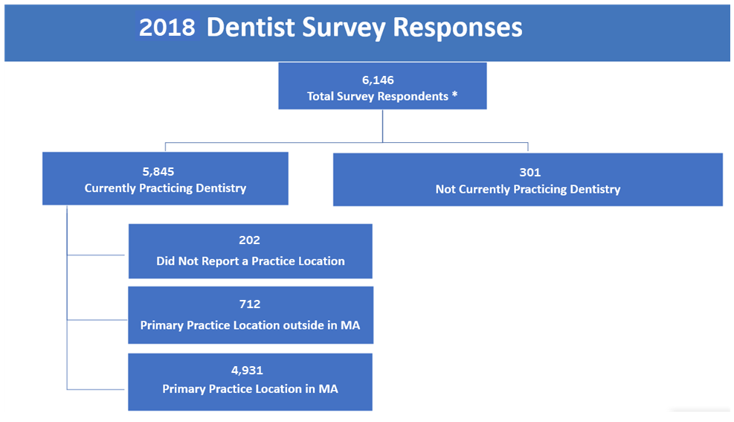

*This presents all dentists that renewed their dentist license online and completed a workforce survey from Oct 2017 through Dec 2018

Table 1.2018 MA Dentists by Employment Status
Category | Dentists, n | Dentists, %
Total Survey Respondents | 6,146
Not Currently Practicing Dentistry | 301 | 4.9%
Currently Practicing Dentistry | 5845 | 95.1%
Primary Practice Location in MA | 4931 | 84.4%
Full-time* | 4165 | 84.5%
Part-time* | 719 | 14.6%
Per diem* | 42 | 0.9%
Volunteering* | 5 | 0.1%
Primary Practice Location Outside MA | 712 | 12.2%
Missing | 202 | 3.5%
*Dentists' employment type was determined by their first choice, in the case of multiple selections.

