B1. SURVEY RESPONSES
Survey Responses
During the 2022 licensure renewal cycle, 6,361 dentists renewed their licenses and completed the licensure renewal survey. Among the 6,361 dentists who completed the 2022 licensure renewal survey, 5,955 dentists (93.6%) were currently practicing and 5,059 of these practicing dentists (85.0%) had their primary practice location in MA, while 896 (15.0%) worked outside MA or didn’t report their primary practice location. Of the currently practicing dentists, 83.6% had primary practice settings in MA and worked full-time (Figure 1, Table 1).

Figure 1. Displays a Breakdown of the 2022 MA Dentists that Completed the Workforce Survey

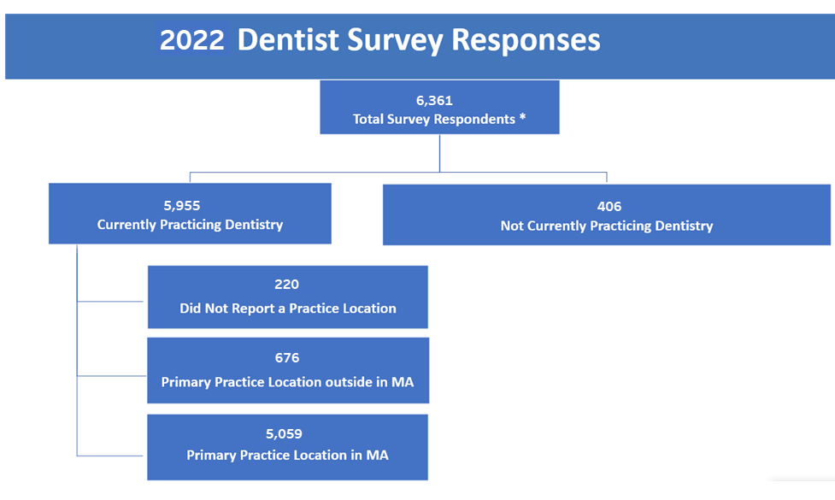

*This presents all dentists that renewed their dentist license online and completed a workforce survey from Oct 2021 through Dec 2022

Table 1.2022 MA Dentists by Employment Status
Category | Dentists, n | Dentists, %
Total Survey Respondents | 6,361
Not Currently Practicing Dentistry | 406 | 6.4%
Currently Practicing Dentistry | 5955 | 93.6%
Primary Practice Location in MA | 5059 | 85.0%
Full-time* | 4228 | 83.6%
Part-time* | 775 | 15.3%
Per diem* | 39 | 0.8%
Volunteering* | 17 | 0.3%
Primary Practice Location Outside MA | 676 | 11.4%
Missing | 220 | 3.7%
*Dentists' employment type was determined by their first choice, in the case of multiple selections.

