E - SNHCS
 | SCHEDULE E: SAFETY NET HEALTH CARE SYSTEM (SNHCS) EXPENDITURES

 |  |  | FILING DATE: | 0
 |  | UCCR VERSION (INTERIM/FINAL) | 0
 | SUMMARY OF SNHCS EXPENDITURES | PROVIDER NAME: | 0
 |  | PROVIDER NUMBER: | 0
 |  | REPORTING PERIOD: | FROM: | 0
 |  |  | TO: | 0
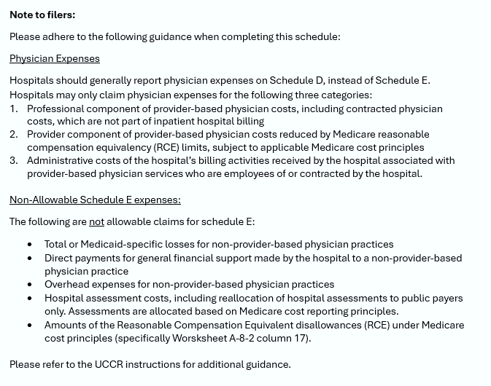
Ln No. | Hospital Description (1) | Total System Expense (2) | Schedule E Allowable Category (Select Category) (3) | Is this expense included on the hospital's CMS-2552 Worksheet A, column 7 (4) | Proportion of Expense Allocable to Medicaid-Eligible, HSN & Uninsured Patients (5) | Schedule E Allocation Ratio (Automatically Calculated) (6) | Allowable Schedule E Expense (7)
1 |  |  |  |  |  | 0% | $0
2 |  |  |  |  |  | 0% | $0
3 |  |  |  |  |  | 0% | $0
4 |  |  |  |  |  | 0% | $0
5 |  |  |  |  |  | 0% | $0
6 |  |  |  |  |  | 0% | $0
7 |  |  |  |  |  | 0% | $0
8 |  |  |  |  |  | 0% | $0
9 |  |  |  |  |  | 0% | $0
10 |  |  |  |  |  | 0% | $0
11 |  |  |  |  |  | 0% | $0
12 |  |  |  |  |  | 0% | $0
13 |  |  |  |  |  | 0% | $0
14 |  |  |  |  |  | 0% | $0
15 |  |  |  |  |  | 0% | $0
16 | TOTAL | $0 |  | 0 |  |  | $0

 | Safety Net Care Cost Ratio | #DIV/0!

Ln. No. | SYSTEM FINANCIAL REQUIREMENTS, ADDITIONAL NARRATIVE DESCRIPTION:
1
2
3
4
5
6
7
8
9
10
11
12
13
14
15

 | PW = agency initials

