Welcome


Welcome to your Modern Workplace Self-Learning Plan for Windows 10

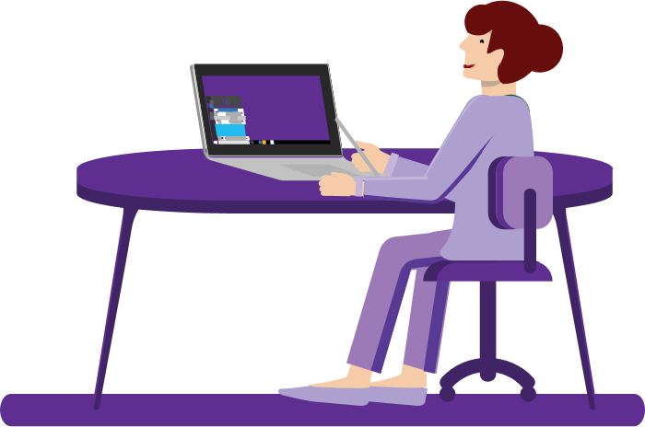
In this guide, you will find:
Tab 2 | Windows 10 Tips & Tricks
 | This sheet provides tips and tricks for Windows 10.

Tab 3 | Scenarios
 | The four scenarios depict common work use cases and show the tools in action.

Windows 10 Tips & Tricks
This list provides our recommended Windows 10 tips and tricks. There may be more than one method for getting to the same result. As a result, you may find some variation on how to navigate to pages or features -- this was done intentionally so you can learn about all the capabilities and get used to navigating around Windows 10 in multiple ways.
Topic | Task | How To
Account Management | Get the favorites you bookmarked in Edge on all your Windows 10 devices | After you sign in with your account, open Microsoft Edge, select the menu icon (…) > Settings > Profiles > turn on for anything you want to sync
Account Management | Sign in with one account on all your devices | Select Start > Settings > Accounts > Email & accounts, then select Add a Microsoft account to sign in. On each of your devices, sign in with that account.
Action Center | Reduce screen brightness | Press Win + A on your keyboard to open the Action Center > click Expand (optional) > Brightness and then move the Brightness slider until you get the brightness level you want.
Action Center | Rest your eyes using the Night Light feature | Select Action Center > Night Light to help your eyes rest with warmer colors.
Action Center | Quickly change settings in Action Center | Open Action Center, then select a quick action to instantly change a setting or open an app. Or right-click anywhere in the Action Center box > "Edit" or "Edit quick actions" > click "Done" if you're finished or "Add" if you want to add more at the bottom. You can also drag to reorder them.
Action Center | Stay focused with focus assist | Hide distractions while you work. Turn on focus assist to send notifications directly to Action Center. Select the Action Center icon on the bottom-right of the taskbar > focus assist.
Action Center | Find notifications in Action Center | Select Action Center either by clicking the message button on the taskbar (to the right of the time and date), swiping from right to left at the right edge of your screen, or pressing Win + A.
Action Center | Switch to airplane mode | Tap your touchpad with four fingers to open Action Center and then select Airplane mode. Select it again to turn it off.
Battery Life/Power | Make your battery last longer with Battery Saver | Go to Action Center on the taskbar > click Battery Saver (you may have to click "Expand" first). Tip: it will not work if your PC is plugged into a charging device already when doing this.
Communications | Save time while you type with automatic text suggestions while you type | Select Start > Settings > Devices > Typing > Hardware keyboard > Show text suggestions as I type.
Display | Make anything that appears on your screen larger | To make just the text on your screen bigger, select Start > Settings > Ease of Access > Display, then adjust the slider under Make text bigger. To make everything bigger, choose an option from the drop-down menu under Make everything bigger.
Display | Make color blindness and light sensitivity easier to manage | To find a filter that works for you, select Start > Settings > Ease of Access > Color filters.
Display | Make your pointer easier to see | If you're having trouble spotting your pointer on your screen, make it bigger or change the color. Select Start > Settings > Ease of Access > Cursor & pointer.
Display | Connect your PC to a TV without wires | Make sure your TV or other wireless display is turned on. On your PC, select Action Center > Connect > Display > under Multiple Displays see "Connect to a wireless display"
Display | Turn off background images | Minimize visual distractions by turning off your background image. Select Start > Settings > Ease of Access > Display, and then use the toggle to turn off Show desktop background image at the bottom.
Display | Turn off animations from your Windows experience as a whole | To minimize visual distractions, you can turn off animations in Windows. Select Start > Settings > Ease of Access > Display. Then, turn off the toggle under Show animations in Windows.
Display | Use Magnifier to enlarge part or all of your screen, helping make words and images easier to see | To start Magnifier quickly, press the Win + Plus sign (+). To turn it off, press Win + Minus sign (-)
Edge | Type your search in the address bar of Edge | You'll get search suggestions, results from the web, and your browsing history right from the address bar at the top. This will help you search for what you need in a more timely manner.
Edge | Browse the web in full-screen view | Pres Fn + F11 on your keyboard to hide things like the address bar and other items from view. To exit full-screen view, press Fn + F11 again.
Edge | Add a bunch of tabs to one "collection" to view later | Right-click a tab and select "Add all tabs to a collection" or click the Collections icon to the right of the address bar
Edge | Pin tabs to keep your favorite sites in the same place every time you open the browser | Press and hold (or right-click) a tab, then select Pin.
Edge | Have the web read aloud to you | Microsoft Edge can read PDFs, e-books, and even website content out loud to you. Right-click anywhere on the page > select Read Aloud
Edge | Manage passwords with extensions | In Microsoft Edge, select Settings (…) > Settings > Passwords
Edge | Translate a web page to another language | In Microsoft Edge, select Settings > Extensions and if you don't see Translator for Microsoft Edge in the list under Suggested Extensions, select Explore more extensions to install the extension from the Store. Then, follow the instructions to turn it on. To use it, right-click > select "Translate to..."
Edge | Arrange your saved "favorite" pages alphabetically | To sort your favorites alphabetically, select Favorites > right-click the Favorites folder you want, then select "Sort by name"
Edge | Mute websites that automatically play audio | You will see a speaker icon on the tab that is playing audio. Select this icon to turn the audio off. Select the speaker icon again to turn the sound back on.
Edge | Fill out your information or passwords in one click | To add or edit your info, select Settings > Settings > Passwords & autofill > Manage forms.
Edge | Customize Microsoft Edge with display themes | To choose between light and dark themes for the browser, select Settings (…) > Settings > Appearance > Theme > Choose a theme from the dropdown menu
Edge | Stop videos such as ads from automatically playing | Select the Show site information lock icon on the left side of the address bar > Media autoplay under Website permissions. Refresh to see changes.
Network & Wi-Fi | Automatically connect to a Wi-Fi network | Select the Wi-Fi icon on the right side of the taskbar (near Volume and Date/Time), then select a Wi-Fi network you're not connected to. Make sure "Connect automatically" is selected, then select Connect. You may have to enter credentials. You'll automatically connect to the network from that point on.
Organization | Hide desktop icons to quickly "clean up" a messy space | Press and hold (or right-click) the desktop, select View, and then clear Show desktop icons. To see them again, select Show desktop icons.
Organization | Clear your workspace by minimizing all open windows at once except one | Select and hold the window you want to stay open, then give your mouse (or finger) a little back-and-forth shake. All the other open apps will automatically minimize to clear your workspace.
Organization | Clear your workspace by minimizing all open windows at once with a keyboard shortcut | Press Win + D to minimize all your open windows and go right to your desktop.
Organization | Split your screen in half with the "Snap" feature so you can see more than one window open at once | Select any open window, then drag and bounce it against the side of your screen. All other windows you have open will appear on the opposite side. Select a window to have it fill the open space.
Screenshots | Use keyboard shortcuts to capture screenshots of your entire screen | Press Win + PrtScn to take a picture of the entire screen. Find your saved screenshots by typing "screenshots" in the search box on the bottom-left of your screen.
Screenshots | Use keyboard shortcuts to capture a small snippet of your screen | Press Win + Shift + S to open the snipping bar, then drag the cursor over the area you want to capture. The area you snipped will be saved to your clipboard.
Screenshots | Use the Snip & Sketch feature for quick screenshots that you can markup | Click on the Windows Ink Workspace icon at the bottom-right of the screen (to the immediate left of the time/date) > select the Snip & Sketch window > draw on the screenshot with your finger, stylus, or mouse if desired > exit out of the window. The screenshot will be automatically copied to your clipboard.
Search Box | Search the web without opening your browser | In the search box on the bottom-left "Type here to search", you can search the web just like you would in Bing or another search engine
Search Box | Search for files without opening any folders | In the search box on the bottom-left "Type here to search", you can search for the name of a file or app without having to dig through your folders or start menu
Security | Protect your PC from security threats | Select Start > Settings > Update & Security > Windows Security. Select Virus & threat protection, and then select Quick scan to scan your PC and find out if anything needs your attention.
Security | Lock your PC quickly with a keyboard shortcut | Press Win + L before you walk away from it to keep it safe
Settings | Keep a running tab of everything you've copied recently in the "Cloud Clipboard" | Select Start > Settings > System > Clipboard. Sign in with your Microsoft account, and then use the toggles to turn on both Clipboard history and Sync across devices. You can also use the Win + V shortcut to easily access your clipboard. Since it's based in the cloud, these saved copies of images and text are available on all devices your Microsoft account is signed into.
Settings | Hear everything in one ear instead of both | Select Start > Settings > Ease of Access > Audio, then switch on the toggle under Turn on mono audio. If you're using one earbud or something similar, audio will be combined into one channel.
Settings | Open File Explorer quickly with a keyboard shortcut | Press Win + E, then open the folder you want in File Explorer.
Settings | Open Settings quickly with a keyboard shortcut | Press Win + I, then select or search for the setting you want to change.
Settings | Can't find a setting? Try searching for it. | Any time you can't find a setting, start typing key phrases in the search bar at the bottom-left of your screen. Or, go to Start > Settings > Search for it at the top.
Settings | Cut or Copy files or text quickly with a keyboard shortcut | To copy, select what you want to copy, then press Ctrl + C. It'll be stored on your clipboard, so you can paste it where you want by pressing Ctrl + V. To copy, select what you want to cut, then press Ctrl + X. It'll be stored on your clipboard and removed from its original location, so you can paste it where you want by pressing Ctrl + V.
Settings | Switch between open windows quickly with a keyboard shortcut | Hold down Alt while pressing Tab repeatedly until the window you want is selected, and then release the Alt key.
Settings | Get visual alerts for sound if it's distracting or difficult to hear audible alerts | If it’s difficult to hear audible alerts, switch to visual alerts. Select Start > Settings > Ease of Access > Audio (on the left menu), and choose an option from the dropdown under Show audio alerts visually.
Settings | Switch windows using the touchpad | Place three fingers on your touchpad and slide them to the left or right to switch windows
Settings | Quickly sync all of the settings you've already put on one PC onto another PC | After you sign in with your Microsoft account, select Start > Settings > Accounts > Sync your settings, then turn on Sync settings. Choose the settings you want to sync across all your PCs.
Settings | Add a screen touch keyboard shortcut to the taskbar to quickly access it to avoid connecting your tablet to its keyboard | Right-click the taskbar (or press and hold it if on tablet), and then select Show touch keyboard button.
Start Menu | Find apps, files, and more on your PC | Press the Win and type the name of whatever you want to find in the search box. Or, use the menu to navigate to your top apps and recent activities.
Start Menu | Find settings quickly | Select Start > Settings, and then type keywords in the search box to find the setting you want. For example, type "Text Size" to adjust the size of the text on your computer.
Start Menu | Organize Start with folders | Drag one tile on top of another tile to make a folder, then drag more tiles into it. To open the folder, just select it.
Start Menu | Turn off animations in the Start Menu | Apps in the Start menu sometimes use animations to show updates like new email or your next appointment. If these are distracting, turn them off. Right-click an app (or tap and hold it), and select More > Turn Live Tile off.
Start Menu | Pin apps to the Start menu for quick access to what's important | Select Start > right-click the app you want to pin > Pin to Start. You can also unpin the apps you don't need.
Start Menu | Organize the tiles in your Start Menu with folders | Drag one tile on top of another to make a folder, then drag more tiles into it. To open the folder, just select it.
Sticky Notes | Change the note color in Sticky Notes | In Sticky Notes, select Menu (…), then select a color you like.
Storage | Automatically clear up unused files (i.e. temporary files in your Recycle Bin) to have enough space for updates | Go to Start > Settings > System > Storage, and then turn on Storage Sense.
System Updates | Pick the time your computer should update/restart | Let Windows pick active hours for you based on your device activity. This means that Windows won't restart for updates during the hours are using your computer (active). Windows Key + A on your keyboard > All Settings > Update & Security > Windows Update > Change active hours (found towards the bottom of the page)
System Updates | Temporarily pause system updates | To temporarily delay updates for your device, go to Start > Settings > Update & Security > Windows Update, and then select Pause updates. Once you reach the pause limit, you'll need to get the latest updates before you can pause again.
Taskbar | Clean up taskbar clutter | Select Start > Settings > Personalization > Taskbar, and then choose Select which icons appear on the taskbar.
Taskbar | Quickly add files to OneDrive to get them on any device | On the right side of the taskbar, select OneDrive, then select the OneDrive logo (cloud) icon > click "Open Folder" at the bottom to open your OneDrive folder > copy and paste all of the files you have saved under "This PC" to go under your OneDrive folder instead. From this point on, save your files under your OneDrive folder so that you can pull up your files from any device (through OneDrive.com) and so that they are more secure.
Timeline | Review all of your past activity through your timeline | To open your timeline, select Task View icon located on the left side of the taskbar (to the right of the Cortana circle), or press Win + Tab. Scroll down until you find the activity you want to return to, and then click it to pick up right where you left off. To quickly find activities, you can select the search icon, then type a keyword from the title of a recent activity you want to find, such as a document, web page, or app.
Timeline | Clear old activities from your timeline | Right-click an activity or group of activities in your timeline to remove it. If you're syncing activities to the cloud, clear them on account.microsoft.com​.
Timeline | Change timeline privacy settings | Control whether your PC activities are collected for your timeline, and whether to sync them between devices. Make changes in Settings > Privacy > Activity history.
Update | Update overnight | To minimize update interruptions, plug your PC into a power source and stay connected to the internet to allow your device to update overnight.

Scenarios
Commonwealth of Massachusetts
Usage Scenarios
The following scenarios provide a step-by-step story of a sample use case. New skills are shown in red and underlined in each step.
*Tip: If you cannot hover over and click the gray box to open the link, try righ-clicking it and then click "open link" from the dropdown menu.
Effective Meetings Scenario
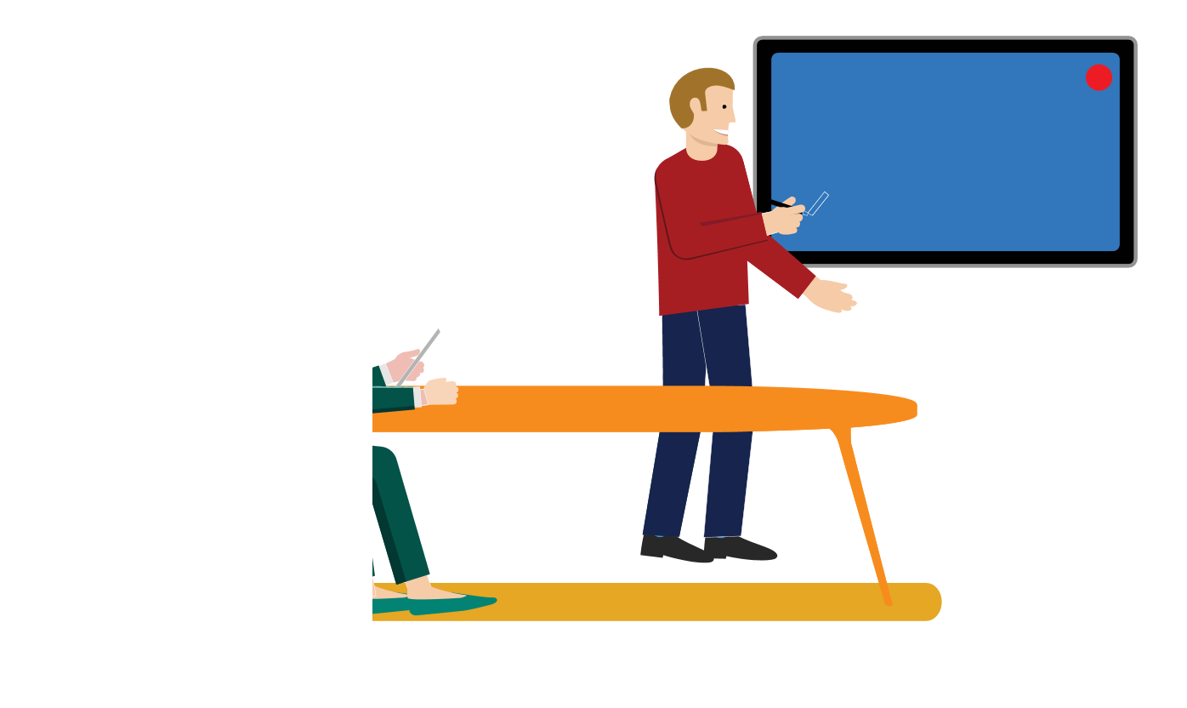
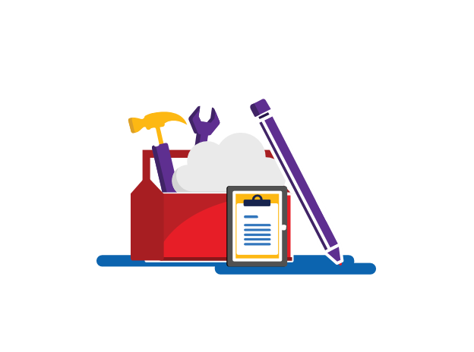

1
2
3
4
5
6
7
8

David wants to run a proposal by Sally, Sophie, Ethan, Lisa, and Ricardo. David sets up a meeting in Outlook, using Scheduling Assistant to select a time slot where everyone is free.
David sends out an Outlook meeting invite with a link to the proposal on their Teams site. He puts a link to the Teams meeting in the invitation so those who can’t attend in person can join remotely.
David uses the Outlook “tracking” feature to keep track of who can attend. The invitees can add notes to their responses to let David know if they’ll be attending in person or remotely, via Teams.
Lisa accesses David’s link to the proposal on the team SharePoint site and makes some edits the day before the meeting. Everyone can view these edits either in SharePoint, Teams, or OneDrive.
When it’s time for the meeting, David, Sally, and Ethan assemble in the meeting room. Lisa is working from home and joins the meeting from her laptop. Ricardo is driving in a rural area, and does not have access to the internet, so he dials in and joins from his phone.
5
Sophie is out sick and is unable to join, so David begins a recording of the meeting for reference.
6
7
David shares his desktop, collaborates live, while Sally tracks action items in a OneNote on their Teams site.
8
The meeting ends early! David thanks everyone and hits “end”. Teams automatically recognizes that the meeting is over and uploads the recording to their shared meeting chat. David reminds everyone that they can find the OneNote with next steps and the finalized proposal in their Teams site.

Content Collaboration Scenario




1
2
3
4
5
6
7
8
5
6
7
8
Lisa, Lars, and Tomas need to create a branding plan and schedule for the new year. Lisa creates a document using the saved scheduling template she found in their shared Teams site for everyone to use.
Lisa saves the document to her own OneDrive and shares the protected link with Lars and Tomas via a group chat on Teams that all three of them are in.
Lisa, Lars, and Tomas all make their edits in real time. Lars is unsure about a line in the document and leaves a comment directly on the line in question so that Lisa and Tomas do not have to go searching for it. Tomas and Lisa reply to the comment with their input directly under Lars’s original comment.
Tomas wants to get Lisa and Lars’s opinion on some content that he wants to add in. He notices both of their statuses appear as “available” on Teams and sends them a chat regarding his question in their Teams group chat.
They decide to have a quick, impromptu screen-share working session, adding revisions as necessary. Lisa needs to step away from the session to attend another meeting but receives an alert of their changes since she’s subscribed to updates.
The changes Tomas and Lars made are highlighted for Lisa. She leaves a comment saying she agrees with their edits and marks the comment chain as “resolved.”
As the team continues to make edits remotely throughout the week, their colleague’s edits are tracked, so there’s no need to email the document back and forth with updates on new changes.
The team finishes the plan ahead of schedule. Lisa had already saved the document to their joint Teams site so that any updates that were made will show up there, and the extended team may have access to the latest version to give their final approval.

Managing Myself Scenario




x
x

1
2
3
4
5
6
7
8

Katarina is responsible for creating PowerPoint slides by Friday. Katarina sets a reminder in Outlook to send her slides on Thursday and adds it to her task list in OneNote.
Katarina has store visits scheduled every Tuesday and Thursday afternoon. She creates a recurring event in her calendar reminding her an hour before each visit.
Since Katarina’s calendar is shared with her team, the event also signals to her team that she is unavailable during this time.
Katarina wants to focus on building her slides. She sets her Teams status to “Do Not Disturb” and turns on “Focus Assist” in the Windows 10 Action Center. This way, she won’t receive any sort of notifications while she works.
Katarina wants to reach out to Stefan with a quick question on her slides. She sees that Stefan is “Available” on Teams, so changes her Teams status to “Available” as well and sends him a chat message.
5
Stefan advises Katarina to update her slides with information from the stakeholder meeting last week. Katarina goes into the OneNote she shares with Stefan and her team, finds the tab of notes they collaborated on during that meeting, and adds relevant information to her slides.
6
7
Katarina sees the Outlook reminder to send her slides on Thursday. She quickly reviews them once last time and then sends the link to the PowerPoint deck to the project manager using Teams chat.
8
Katarina gets great and timely feedback on her slides, as well as kudos for turning them in early. She checks this item off her task list (video) in OneNote and moves on to the rest of her work, feeling accomplished.

Work From Anywhere Scenario

1
2
3
4
5
6
7
8
5
6
7
8
As Ricardo is heading to the field to do inspections, he gets an Outlook notification on his phone that his team has a meeting in 5 minutes. He joins the meeting on his phone as he commutes via train.
Ricardo arrives and pulls out his mobile device, opening the OneNote he created on his computer a few days earlier.
Ricardo greets his other colleagues and begins inspections, taking notes in his OneNote on his mobile device.
Ricardo wants to add some pictures the site to his OneNote. He uses Office Lens to snap a few shots that are automatically saved to his OneDrive.
As Ricardo grabs lunch, he gets a Teams chat message on his phone from his colleague Quinn who is back at the office.
Quinn says she needs Ricardo’s input on a proposal she’s putting together. Ricardo connects with her on Teams from his phone for an impromptu meeting (video).
Quinn shares her laptop screen with Ricardo who is able to view it on his mobile device. They are able to quickly collaborate in real time to finalize the proposal. Ricardo provides his input as Quinn makes edits on the screen.
It is nearly the end of the workday and Ricardo needs to log his findings in the field inspection report. Rather than commute back to the office, Ricardo commutes home and pulls up the report on his personal desktop computer, through OneDrive, and finishes his work for the day in his home office.

