LAYOUT
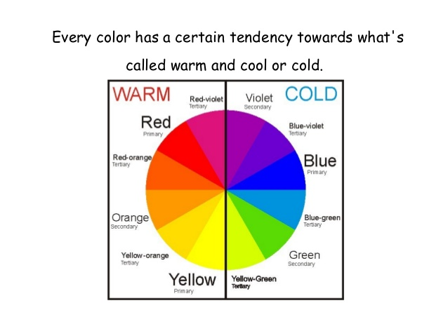
ELECTRIC MONTHLY MIGRATION STATISTICS IN MASSACHUSETTS
Created by Zazy Atala and Paul Lopes
Energy market Group
Department of Energy Resources |  |  |  | Source: EMIT Database, 2019, (IOUs Monthly Reports, 2014)
Last Updated:July 22, 2019 |  |  |  | from [dbo].[V_ELECTRIC_MIG] where Year =2019 order by Month

General Layout and Structure of Worksheet

Worksheet | NEW UPDATED WORKSHEET |  |  |  |  | July 22,2019

1 | Update Utility Naming Convention. Eversource has acquired NSATR and WMECO;
2 | We are no longer collecting information on NU. You can check WMECO under Eversource for data.
3 | Each sheet presents information on the parent IOUS: Eversource, NGRID, and Unitil

4 | New Source: we added the DPU Electric Rates by customer class
5 | You can visit DPU electric rates for additional source.

Investor Owned Utilities (IOUs) Monthly Migration Reports
 | Each Month IOUs are required to file its Monthly Migration Report the Department of Energy Resources (DOER).
 | All Reports are due at the beginning of the month ( usually between the 5th to the 15th).
 | The IOUs Reports includes data on Incumbents and competitive suppliers in terms of loads & customer counts by Rate class
 | The IOUs Reports show how the number of customers switching trends by Rate class

MONTHLY SPECIFIC SHEETS

 | Each sheet is specific to a different month per the same given year
 | Each sheet Includes information by Rate Class, classified by DOER, across all of the IOUs .
 | Utilities Reported "Rate Class" data are reclassified to DOER "Rate Classes" based on the following categories:
 |  | Residential Rate Class is identified as : Residential (R ) , and Residenial Low Income (R-LI)
 |  | Commercial and Industrial ( C &I) are indetified as : Small (C& I), Medium (C&I), and Large (C&I)
 |  | Street Lights and Farms
 | Each Sheet includes information on the percentage amount of customers that have switched to competitive suppliers

 | DOER does not publish the data of each utility's rate class. DOER normalizes all rate classes into a set of of unique measures.
 |  | DOER consolidate residential customer migration data into a three sets of measures and based on utilties' own definition
 |  |  | R, R-Li, and R-TOU
 |  | DOER reclassified Commercial and Indutrial rate class by each utility based on its total loads and each utility's definitions
 |  |  | Small C & I, Medium C & I, and Large C & I

ELECTRIC MIGRATION REPORTS IN MASSACHUSETTS.

 | DOER provides data on the migration of customers from their host invetor oened utilities ( IOUS) to alternative suppliers
 | Example: seasonal shift due to a cold weather
 | If there will be spot market electric prices offered by alternative providers, driven fro instance by the spike in the price of natural gas,
 |  | customer will stay with their host utility

 | DOER tracks independent and competitive generators loads and customer switching count to competive suppliers for the following reasons:
 |  | To determine how many customers have switched to competitive suppliers
 |  |  | In order to determine how many residential or C & I custoners have switched to competitive suppliers
 |  | To monitor and evaluate the performance of all suppliers ( incumbent and competitive) in the energy market.
 |  | To measure the benefits of different rates offered by incumbent and by independent suppliers

 | DOER measures overall impact of competitive suppliers in the energy market in terms of :
 |  | Incentives for customers to switch
 |  | Customer enrollements from month to month

Notes

Sectors by Rate Class
R | Residential
R-LI | Residential- Low Income
R-TOU | Resudential Time of Use
Small C & I | Small Commercial and Industrial
Medium C & I | Medium Commercial and Industrial
Large C & I | Large Commercial and Industrial
St. Lights | Street Lights
Farms | Farms

Data inforamtion Type
Sum of IG # of Customer |  |  | Independent Generator (Number of customers) |  |  |  | 0
Sum of IG kWh used |  |  | Independent Generator (KwH Used)
LDC # Of Customer |  |  | Local Distibution Company ( aka Independent Generator)
LDC # kWh used |  |  | Local Distibution Company ( aka Independent Generator)
Sum of CG # of Customer |  |  | Competitive Generators ( Number of customers )
Sum of CG kWh Used |  |  | Competitive Generators ( kWh Used )

Investor Owned Utilities (IOUs)
Parent IOUs |  |  | Names of Electric IOU Filing |  | New Parent IOU Name | Current Parent IOU
National Grid (NGRID) |  |  | Masscahusetts Electic Company (MECO) |  | NGRID | NGRID
National Grid (NGRID) |  |  | NANTUCKET |  | NGRID | NGRID
NSTAR ( NSTAR) |  |  | Boston Edison Company (BECO) |  | Eversource | NSATR
NSTAR ( NSTAR) |  |  | Cambridge Electric Light (CAMB) |  | Eversource | NSATR
NSTAR ( NSTAR) |  |  | Commonwealth Electric Company (COMM) |  | Eversource | NSTAR
Northeast Utilities (NU) |  |  | Western massachusetts Electric Company (WMECO) |  | Eversource | NU
Unitil ( Unitil) |  |  | Fitchbuirg Gas and Electric (FGE) |  | Unitil | FG&E

